CELF4 _multivariate
Reported by Tex Li-Hsing Chi. tex@gate.sinica.edu.tw 2019-08-21

Table 2. The clinicopathological features of HNSCC cohort and CELF4 expression. (Chi square test)
Cutoff at -0.137 (49.8%)
 |  | CELF4 expression |  | CELF4 expression |  | (Optimised)
 | Features | Low | (%) | High | (%) | Case no | P-value | Remark | Matthews
Gender | Female | 152 | 36.6 | 154 | 37.1 | 415 | 0.9766 | 0 | 0
2 | Male | 55 | 13.3 | 54 | 13
Age at diagnosis | <=65y | 128 | 30.8 | 146 | 35.2 | 415 | 0.0904 | 0 | 0
4 | >65y | 79 | 19 | 62 | 14.9
Clinical T Status | T1+T2 | 70 | 16.9 | 79 | 19 | 415 | 0.4343 | 0 | 0
6 | T3+T4 | 137 | 33 | 129 | 31.1
Clinical N Status | N0 | 111 | 26.7 | 105 | 25.3 | 415 | 0.5875 | 0 | 0
8 | N1-3 | 96 | 23.1 | 103 | 24.8
Clinical M Status | M0 | 204 | 49.2 | 208 | 50.1 | 415 | 0.1232 | 0 | 0
10 | M1 | 3 | 0.7 | 0 | 0
Clinical Stage | Stage I+II | 51 | 12.3 | 51 | 12.3 | 415 | 1 | 0 | 0
12 | Stage III+IV | 156 | 37.6 | 157 | 37.8
Surgical Margin status | Negative | 155 | 37.3 | 163 | 39.3 | 415 | 0.4187 | 0 | 0
14 | Positive | 52 | 12.5 | 45 | 10.8
Tobacco Exposure | Low | 76 | 18.3 | 85 | 20.5 | 415 | 0.4207 | 0 | 0
16 | High | 131 | 31.6 | 123 | 29.6

Table 3. Univariate/Multivariate Cox's proportional hazards regression analyses on OS time of CELF4 gene expression in HNSCC

 |  | Univariate |  |  |  | Multivariate
 | Features | HR | CI95%(L) | CI95%(H) | P-value | HR | CI95%(L) | CI95%(H) | P-value
1 | Female | 1 |  |  |  | 1
Gender | Male | 1.157 | 0.843 | 1.587 | 0.367 | 1.205 | 0.864 | 1.683 | 0.272
11 | <=65y | 1 |  |  |  | 1
Age at diagnosis | >65y | 1.329 | 0.99 | 1.784 | 0.058 | 1.414 | 1.039 | 1.924 | 0.028
12 | T1+T2 | 1 |  |  |  | 1
Clinical T Status | T3+T4 | 1.409 | 1.028 | 1.931 | 0.033 | 2.236 | 1.182 | 4.231 | 0.013
13 | N0 | 1 |  |  |  | 1
Clinical N Status | N1-3 | 1.185 | 0.89 | 1.577 | 0.246 | 1.233 | 0.864 | 1.759 | 0.249
14 | M0 | 1 |  |  |  | 1
Clinical M Status | M1 | 4.097 | 1.009 | 16.644 | 0.049 | 10.785 | 2.323 | 50.078 | 0.002
15 | Stage I+II | 1 |  |  |  | 1
Clinical Stage | Stage III+IV | 1.245 | 0.882 | 1.759 | 0.213 | 0.488 | 0.227 | 1.048 | 0.066
16 | Negative | 1 |  |  |  | 1
Surgical Margin status | Positive | 1.591 | 1.155 | 2.191 | 0.004 | 1.696 | 1.226 | 2.345 | 0.001
17 | Low | 1 |  |  |  | 1
Tobacco Exposure | High | 1.364 | 1.008 | 1.844 | 0.044 | 1.479 | 1.073 | 2.038 | 0.017
18 | Low | 1 |  |  |  | 1
RNAseq(z-score) | High | 1.135 | 0.852 | 1.514 | 0.387 | 1.236 | 0.922 | 1.657 | 0.156

Table 4. Univariate/Multivariate Cox's proportional hazards regression analyses on RFS time of CELF4 gene expression in HNSCC

 |  | Univariate |  |  |  | Multivariate
 | Features | HR | CI95%(L) | CI95%(H) | P-value | HR | CI95%(L) | CI95%(H) | P-value
1 | Female | 1 |  |  |  | 1
Gender | Male | 1.157 | 0.843 | 1.587 | 0.367 | 1.205 | 0.864 | 1.683 | 0.272
11 | <=65y | 1 |  |  |  | 1
Age at diagnosis | >65y | 1.329 | 0.99 | 1.784 | 0.058 | 1.414 | 1.039 | 1.924 | 0.028
12 | T1+T2 | 1 |  |  |  | 1
Clinical T Status | T3+T4 | 1.409 | 1.028 | 1.931 | 0.033 | 2.236 | 1.182 | 4.231 | 0.013
13 | N0 | 1 |  |  |  | 1
Clinical N Status | N1-3 | 1.185 | 0.89 | 1.577 | 0.246 | 1.233 | 0.864 | 1.759 | 0.249
14 | M0 | 1 |  |  |  | 1
Clinical M Status | M1 | 4.097 | 1.009 | 16.644 | 0.049 | 10.785 | 2.323 | 50.078 | 0.002
15 | Stage I+II | 1 |  |  |  | 1
Clinical Stage | Stage III+IV | 1.245 | 0.882 | 1.759 | 0.213 | 0.488 | 0.227 | 1.048 | 0.066
16 | Negative | 1 |  |  |  | 1
Surgical Margin status | Positive | 1.591 | 1.155 | 2.191 | 0.004 | 1.696 | 1.226 | 2.345 | 0.001
17 | Low | 1 |  |  |  | 1
Tobacco Exposure | High | 1.364 | 1.008 | 1.844 | 0.044 | 1.479 | 1.073 | 2.038 | 0.017
18 | Low | 1 |  |  |  | 1
RNAseq(z-score) | High | 1.135 | 0.852 | 1.514 | 0.387 | 1.236 | 0.922 | 1.657 | 0.156

Kaplan-Meier survival estimate: Cutoff at -0.137 (49.8%)



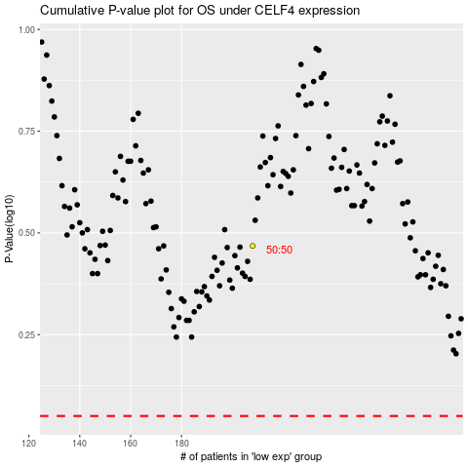

 |  |  |  |  |  | cases_OS | p_OS | rank | exp
 |  |  |  |  |  |  | cases_RFS | p_RFS | rank | exp

