CELF5 _multivariate
Reported by Tex Li-Hsing Chi. tex@gate.sinica.edu.tw 2019-08-21

Table 2. The clinicopathological features of HNSCC cohort and CELF5 expression. (Chi square test)
Cutoff at -0.154 (49.8%)
 |  | CELF5 expression |  | CELF5 expression |  | (Optimised)
 | Features | Low | (%) | High | (%) | Case no | P-value | Remark | Matthews
Gender | Female | 152 | 36.6 | 154 | 37.1 | 415 | 0.9766 | 0 | 0
2 | Male | 55 | 13.3 | 54 | 13
Age at diagnosis | <=65y | 141 | 34 | 133 | 32 | 415 | 0.4272 | 0 | 0
4 | >65y | 66 | 15.9 | 75 | 18.1
Clinical T Status | T1+T2 | 84 | 20.2 | 65 | 15.7 | 415 | 0.0603 | 0 | 0
6 | T3+T4 | 123 | 29.6 | 143 | 34.5
Clinical N Status | N0 | 103 | 24.8 | 113 | 27.2 | 415 | 0.4047 | 0 | 0
8 | N1-3 | 104 | 25.1 | 95 | 22.9
Clinical M Status | M0 | 207 | 49.9 | 205 | 49.4 | 415 | 0.2482 | 0 | 0
10 | M1 | 0 | 0 | 3 | 0.7
Clinical Stage | Stage I+II | 59 | 14.2 | 43 | 10.4 | 415 | 0.0822 | 0 | 0
12 | Stage III+IV | 148 | 35.7 | 165 | 39.8
Surgical Margin status | Negative | 165 | 39.8 | 153 | 36.9 | 415 | 0.1639 | 0 | 0
14 | Positive | 42 | 10.1 | 55 | 13.3
Tobacco Exposure | Low | 86 | 20.7 | 75 | 18.1 | 415 | 0.2687 | 0 | 0
16 | High | 121 | 29.2 | 133 | 32

Table 3. Univariate/Multivariate Cox's proportional hazards regression analyses on OS time of CELF5 gene expression in HNSCC

 |  | Univariate |  |  |  | Multivariate
 | Features | HR | CI95%(L) | CI95%(H) | P-value | HR | CI95%(L) | CI95%(H) | P-value
1 | Female | 1 |  |  |  | 1
Gender | Male | 1.157 | 0.843 | 1.587 | 0.367 | 1.197 | 0.856 | 1.673 | 0.293
11 | <=65y | 1 |  |  |  | 1
Age at diagnosis | >65y | 1.329 | 0.99 | 1.784 | 0.058 | 1.417 | 1.041 | 1.928 | 0.027
12 | T1+T2 | 1 |  |  |  | 1
Clinical T Status | T3+T4 | 1.409 | 1.028 | 1.931 | 0.033 | 2.232 | 1.179 | 4.226 | 0.014
13 | N0 | 1 |  |  |  | 1
Clinical N Status | N1-3 | 1.185 | 0.89 | 1.577 | 0.246 | 1.22 | 0.854 | 1.743 | 0.275
14 | M0 | 1 |  |  |  | 1
Clinical M Status | M1 | 4.097 | 1.009 | 16.644 | 0.049 | 10.514 | 2.267 | 48.772 | 0.003
15 | Stage I+II | 1 |  |  |  | 1
Clinical Stage | Stage III+IV | 1.245 | 0.882 | 1.759 | 0.213 | 0.514 | 0.239 | 1.104 | 0.088
16 | Negative | 1 |  |  |  | 1
Surgical Margin status | Positive | 1.591 | 1.155 | 2.191 | 0.004 | 1.725 | 1.243 | 2.394 | 0.001
17 | Low | 1 |  |  |  | 1
Tobacco Exposure | High | 1.364 | 1.008 | 1.844 | 0.044 | 1.473 | 1.068 | 2.032 | 0.018
18 | Low | 1 |  |  |  | 1
RNAseq(z-score) | High | 0.968 | 0.727 | 1.289 | 0.823 | 0.835 | 0.621 | 1.123 | 0.233

Table 4. Univariate/Multivariate Cox's proportional hazards regression analyses on RFS time of CELF5 gene expression in HNSCC

 |  | Univariate |  |  |  | Multivariate
 | Features | HR | CI95%(L) | CI95%(H) | P-value | HR | CI95%(L) | CI95%(H) | P-value
1 | Female | 1 |  |  |  | 1
Gender | Male | 1.157 | 0.843 | 1.587 | 0.367 | 1.197 | 0.856 | 1.673 | 0.293
11 | <=65y | 1 |  |  |  | 1
Age at diagnosis | >65y | 1.329 | 0.99 | 1.784 | 0.058 | 1.417 | 1.041 | 1.928 | 0.027
12 | T1+T2 | 1 |  |  |  | 1
Clinical T Status | T3+T4 | 1.409 | 1.028 | 1.931 | 0.033 | 2.232 | 1.179 | 4.226 | 0.014
13 | N0 | 1 |  |  |  | 1
Clinical N Status | N1-3 | 1.185 | 0.89 | 1.577 | 0.246 | 1.22 | 0.854 | 1.743 | 0.275
14 | M0 | 1 |  |  |  | 1
Clinical M Status | M1 | 4.097 | 1.009 | 16.644 | 0.049 | 10.514 | 2.267 | 48.772 | 0.003
15 | Stage I+II | 1 |  |  |  | 1
Clinical Stage | Stage III+IV | 1.245 | 0.882 | 1.759 | 0.213 | 0.514 | 0.239 | 1.104 | 0.088
16 | Negative | 1 |  |  |  | 1
Surgical Margin status | Positive | 1.591 | 1.155 | 2.191 | 0.004 | 1.725 | 1.243 | 2.394 | 0.001
17 | Low | 1 |  |  |  | 1
Tobacco Exposure | High | 1.364 | 1.008 | 1.844 | 0.044 | 1.473 | 1.068 | 2.032 | 0.018
18 | Low | 1 |  |  |  | 1
RNAseq(z-score) | High | 0.968 | 0.727 | 1.289 | 0.823 | 0.835 | 0.621 | 1.123 | 0.233

Kaplan-Meier survival estimate: Cutoff at -0.154 (49.8%)



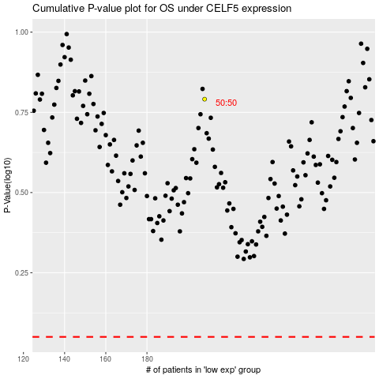

 |  |  |  |  |  | cases_OS | p_OS | rank | exp
 |  |  |  |  |  |  | cases_RFS | p_RFS | rank | exp

