CELSR1 _multivariate
Reported by Tex Li-Hsing Chi. tex@gate.sinica.edu.tw 2019-08-21

Table 2. The clinicopathological features of HNSCC cohort and CELSR1 expression. (Chi square test)
Cutoff at -0.062 (50.0%)
 |  | CELSR1 expression |  | CELSR1 expression |  | (Optimised)
 | Features | Low | (%) | High | (%) | Case no | P-value | Remark | Matthews
Gender | Female | 151 | 36.4 | 155 | 37.3 | 415 | 0.8007 | 0 | 0
2 | Male | 56 | 13.5 | 53 | 12.8
Age at diagnosis | <=65y | 124 | 29.9 | 150 | 36.1 | 415 | 0.0116 | 1 | 0
4 | >65y | 83 | 20 | 58 | 14
Clinical T Status | T1+T2 | 76 | 18.3 | 73 | 17.6 | 415 | 0.8092 | 0 | 0
6 | T3+T4 | 131 | 31.6 | 135 | 32.5
Clinical N Status | N0 | 107 | 25.8 | 109 | 26.3 | 415 | 0.9624 | 0 | 0
8 | N1-3 | 100 | 24.1 | 99 | 23.9
Clinical M Status | M0 | 207 | 49.9 | 205 | 49.4 | 415 | 0.2482 | 0 | 0
10 | M1 | 0 | 0 | 3 | 0.7
Clinical Stage | Stage I+II | 50 | 12 | 52 | 12.5 | 415 | 0.9315 | 0 | 0
12 | Stage III+IV | 157 | 37.8 | 156 | 37.6
Surgical Margin status | Negative | 157 | 37.8 | 161 | 38.8 | 415 | 0.729 | 0 | 0
14 | Positive | 50 | 12 | 47 | 11.3
Tobacco Exposure | Low | 91 | 21.9 | 70 | 16.9 | 415 | 0.0346 | 1 | 0
16 | High | 116 | 28 | 138 | 33.3

Table 3. Univariate/Multivariate Cox's proportional hazards regression analyses on OS time of CELSR1 gene expression in HNSCC

 |  | Univariate |  |  |  | Multivariate
 | Features | HR | CI95%(L) | CI95%(H) | P-value | HR | CI95%(L) | CI95%(H) | P-value
1 | Female | 1 |  |  |  | 1
Gender | Male | 1.157 | 0.843 | 1.587 | 0.367 | 1.217 | 0.87 | 1.703 | 0.252
11 | <=65y | 1 |  |  |  | 1
Age at diagnosis | >65y | 1.329 | 0.99 | 1.784 | 0.058 | 1.42 | 1.042 | 1.937 | 0.026
12 | T1+T2 | 1 |  |  |  | 1
Clinical T Status | T3+T4 | 1.409 | 1.028 | 1.931 | 0.033 | 2.178 | 1.151 | 4.12 | 0.017
13 | N0 | 1 |  |  |  | 1
Clinical N Status | N1-3 | 1.185 | 0.89 | 1.577 | 0.246 | 1.254 | 0.878 | 1.791 | 0.212
14 | M0 | 1 |  |  |  | 1
Clinical M Status | M1 | 4.097 | 1.009 | 16.644 | 0.049 | 8.712 | 1.886 | 40.249 | 0.006
15 | Stage I+II | 1 |  |  |  | 1
Clinical Stage | Stage III+IV | 1.245 | 0.882 | 1.759 | 0.213 | 0.509 | 0.237 | 1.093 | 0.083
16 | Negative | 1 |  |  |  | 1
Surgical Margin status | Positive | 1.591 | 1.155 | 2.191 | 0.004 | 1.687 | 1.22 | 2.332 | 0.002
17 | Low | 1 |  |  |  | 1
Tobacco Exposure | High | 1.364 | 1.008 | 1.844 | 0.044 | 1.444 | 1.048 | 1.991 | 0.025
18 | Low | 1 |  |  |  | 1
RNAseq(z-score) | High | 1.107 | 0.83 | 1.477 | 0.488 | 1.152 | 0.856 | 1.549 | 0.351

Table 4. Univariate/Multivariate Cox's proportional hazards regression analyses on RFS time of CELSR1 gene expression in HNSCC

 |  | Univariate |  |  |  | Multivariate
 | Features | HR | CI95%(L) | CI95%(H) | P-value | HR | CI95%(L) | CI95%(H) | P-value
1 | Female | 1 |  |  |  | 1
Gender | Male | 1.157 | 0.843 | 1.587 | 0.367 | 1.217 | 0.87 | 1.703 | 0.252
11 | <=65y | 1 |  |  |  | 1
Age at diagnosis | >65y | 1.329 | 0.99 | 1.784 | 0.058 | 1.42 | 1.042 | 1.937 | 0.026
12 | T1+T2 | 1 |  |  |  | 1
Clinical T Status | T3+T4 | 1.409 | 1.028 | 1.931 | 0.033 | 2.178 | 1.151 | 4.12 | 0.017
13 | N0 | 1 |  |  |  | 1
Clinical N Status | N1-3 | 1.185 | 0.89 | 1.577 | 0.246 | 1.254 | 0.878 | 1.791 | 0.212
14 | M0 | 1 |  |  |  | 1
Clinical M Status | M1 | 4.097 | 1.009 | 16.644 | 0.049 | 8.712 | 1.886 | 40.249 | 0.006
15 | Stage I+II | 1 |  |  |  | 1
Clinical Stage | Stage III+IV | 1.245 | 0.882 | 1.759 | 0.213 | 0.509 | 0.237 | 1.093 | 0.083
16 | Negative | 1 |  |  |  | 1
Surgical Margin status | Positive | 1.591 | 1.155 | 2.191 | 0.004 | 1.687 | 1.22 | 2.332 | 0.002
17 | Low | 1 |  |  |  | 1
Tobacco Exposure | High | 1.364 | 1.008 | 1.844 | 0.044 | 1.444 | 1.048 | 1.991 | 0.025
18 | Low | 1 |  |  |  | 1
RNAseq(z-score) | High | 1.107 | 0.83 | 1.477 | 0.488 | 1.152 | 0.856 | 1.549 | 0.351

Kaplan-Meier survival estimate: Cutoff at -0.062 (50.0%)



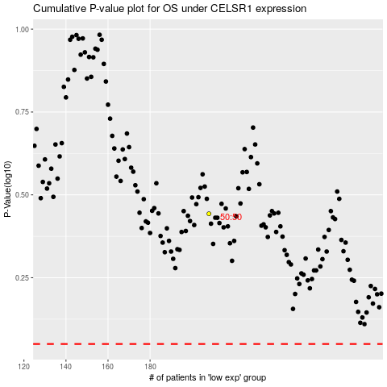

 |  |  |  |  |  | cases_OS | p_OS | rank | exp
 |  |  |  |  |  |  | cases_RFS | p_RFS | rank | exp

