CENPA _multivariate
Reported by Tex Li-Hsing Chi. tex@gate.sinica.edu.tw 2019-08-21

Table 2. The clinicopathological features of HNSCC cohort and CENPA expression. (Chi square test)
Cutoff at -0.092 (49.8%)
 |  | CENPA expression |  | CENPA expression |  | (Optimised)
 | Features | Low | (%) | High | (%) | Case no | P-value | Remark | Matthews
Gender | Female | 143 | 34.5 | 163 | 39.3 | 415 | 0.0416 | 1 | 0
2 | Male | 64 | 15.4 | 45 | 10.8
Age at diagnosis | <=65y | 137 | 33 | 137 | 33 | 415 | 1 | 0 | 0
4 | >65y | 70 | 16.9 | 71 | 17.1
Clinical T Status | T1+T2 | 77 | 18.6 | 72 | 17.3 | 415 | 0.6556 | 0 | 0
6 | T3+T4 | 130 | 31.3 | 136 | 32.8
Clinical N Status | N0 | 116 | 28 | 100 | 24.1 | 415 | 0.1273 | 1 | 0
8 | N1-3 | 91 | 21.9 | 108 | 26
Clinical M Status | M0 | 207 | 49.9 | 205 | 49.4 | 415 | 0.2482 | 0 | 0
10 | M1 | 0 | 0 | 3 | 0.7
Clinical Stage | Stage I+II | 55 | 13.3 | 47 | 11.3 | 415 | 0.4087 | 0 | 0
12 | Stage III+IV | 152 | 36.6 | 161 | 38.8
Surgical Margin status | Negative | 166 | 40 | 152 | 36.6 | 415 | 0.1042 | 0 | 0
14 | Positive | 41 | 9.9 | 56 | 13.5
Tobacco Exposure | Low | 91 | 21.9 | 70 | 16.9 | 415 | 0.0346 | 1 | 0
16 | High | 116 | 28 | 138 | 33.3

Table 3. Univariate/Multivariate Cox's proportional hazards regression analyses on OS time of CENPA gene expression in HNSCC

 |  | Univariate |  |  |  | Multivariate
 | Features | HR | CI95%(L) | CI95%(H) | P-value | HR | CI95%(L) | CI95%(H) | P-value
1 | Female | 1 |  |  |  | 1
Gender | Male | 1.157 | 0.843 | 1.587 | 0.367 | 1.203 | 0.861 | 1.681 | 0.279
11 | <=65y | 1 |  |  |  | 1
Age at diagnosis | >65y | 1.329 | 0.99 | 1.784 | 0.058 | 1.383 | 1.017 | 1.882 | 0.039
12 | T1+T2 | 1 |  |  |  | 1
Clinical T Status | T3+T4 | 1.409 | 1.028 | 1.931 | 0.033 | 2.192 | 1.158 | 4.146 | 0.016
13 | N0 | 1 |  |  |  | 1
Clinical N Status | N1-3 | 1.185 | 0.89 | 1.577 | 0.246 | 1.229 | 0.86 | 1.758 | 0.258
14 | M0 | 1 |  |  |  | 1
Clinical M Status | M1 | 4.097 | 1.009 | 16.644 | 0.049 | 9.06 | 1.962 | 41.836 | 0.005
15 | Stage I+II | 1 |  |  |  | 1
Clinical Stage | Stage III+IV | 1.245 | 0.882 | 1.759 | 0.213 | 0.508 | 0.236 | 1.09 | 0.082
16 | Negative | 1 |  |  |  | 1
Surgical Margin status | Positive | 1.591 | 1.155 | 2.191 | 0.004 | 1.666 | 1.205 | 2.302 | 0.002
17 | Low | 1 |  |  |  | 1
Tobacco Exposure | High | 1.364 | 1.008 | 1.844 | 0.044 | 1.434 | 1.037 | 1.984 | 0.029
18 | Low | 1 |  |  |  | 1
RNAseq(z-score) | High | 1.21 | 0.908 | 1.612 | 0.192 | 1.075 | 0.801 | 1.444 | 0.629

Table 4. Univariate/Multivariate Cox's proportional hazards regression analyses on RFS time of CENPA gene expression in HNSCC

 |  | Univariate |  |  |  | Multivariate
 | Features | HR | CI95%(L) | CI95%(H) | P-value | HR | CI95%(L) | CI95%(H) | P-value
1 | Female | 1 |  |  |  | 1
Gender | Male | 1.157 | 0.843 | 1.587 | 0.367 | 1.203 | 0.861 | 1.681 | 0.279
11 | <=65y | 1 |  |  |  | 1
Age at diagnosis | >65y | 1.329 | 0.99 | 1.784 | 0.058 | 1.383 | 1.017 | 1.882 | 0.039
12 | T1+T2 | 1 |  |  |  | 1
Clinical T Status | T3+T4 | 1.409 | 1.028 | 1.931 | 0.033 | 2.192 | 1.158 | 4.146 | 0.016
13 | N0 | 1 |  |  |  | 1
Clinical N Status | N1-3 | 1.185 | 0.89 | 1.577 | 0.246 | 1.229 | 0.86 | 1.758 | 0.258
14 | M0 | 1 |  |  |  | 1
Clinical M Status | M1 | 4.097 | 1.009 | 16.644 | 0.049 | 9.06 | 1.962 | 41.836 | 0.005
15 | Stage I+II | 1 |  |  |  | 1
Clinical Stage | Stage III+IV | 1.245 | 0.882 | 1.759 | 0.213 | 0.508 | 0.236 | 1.09 | 0.082
16 | Negative | 1 |  |  |  | 1
Surgical Margin status | Positive | 1.591 | 1.155 | 2.191 | 0.004 | 1.666 | 1.205 | 2.302 | 0.002
17 | Low | 1 |  |  |  | 1
Tobacco Exposure | High | 1.364 | 1.008 | 1.844 | 0.044 | 1.434 | 1.037 | 1.984 | 0.029
18 | Low | 1 |  |  |  | 1
RNAseq(z-score) | High | 1.21 | 0.908 | 1.612 | 0.192 | 1.075 | 0.801 | 1.444 | 0.629

Kaplan-Meier survival estimate: Cutoff at -0.092 (49.8%)



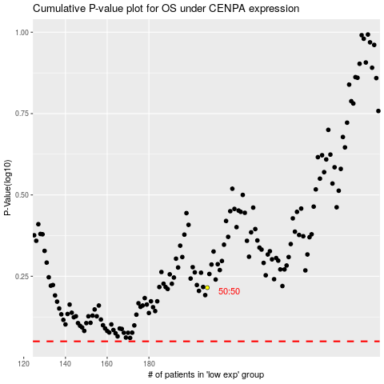

 |  |  |  |  |  | cases_OS | p_OS | rank | exp
 |  |  |  |  |  |  | cases_RFS | p_RFS | rank | exp

