CENPB _multivariate
Reported by Tex Li-Hsing Chi. tex@gate.sinica.edu.tw 2019-08-21

Table 2. The clinicopathological features of HNSCC cohort and CENPB expression. (Chi square test)
Cutoff at -0.186 (49.8%)
 |  | CENPB expression |  | CENPB expression |  | (Optimised)
 | Features | Low | (%) | High | (%) | Case no | P-value | Remark | Matthews
Gender | Female | 159 | 38.3 | 147 | 35.4 | 415 | 0.1905 | 0 | 0
2 | Male | 48 | 11.6 | 61 | 14.7
Age at diagnosis | <=65y | 135 | 32.5 | 139 | 33.5 | 415 | 0.8084 | 0 | 0
4 | >65y | 72 | 17.3 | 69 | 16.6
Clinical T Status | T1+T2 | 67 | 16.1 | 82 | 19.8 | 415 | 0.1628 | 0 | 0
6 | T3+T4 | 140 | 33.7 | 126 | 30.4
Clinical N Status | N0 | 95 | 22.9 | 121 | 29.2 | 415 | 0.0162 | 1 | 0
8 | N1-3 | 112 | 27 | 87 | 21
Clinical M Status | M0 | 206 | 49.6 | 206 | 49.6 | 415 | 1 | 0 | 0
10 | M1 | 1 | 0.2 | 2 | 0.5
Clinical Stage | Stage I+II | 42 | 10.1 | 60 | 14.5 | 415 | 0.0561 | 0 | 0
12 | Stage III+IV | 165 | 39.8 | 148 | 35.7
Surgical Margin status | Negative | 156 | 37.6 | 162 | 39 | 415 | 0.5636 | 0 | 0
14 | Positive | 51 | 12.3 | 46 | 11.1
Tobacco Exposure | Low | 71 | 17.1 | 90 | 21.7 | 415 | 0.0698 | 0 | 0
16 | High | 136 | 32.8 | 118 | 28.4

Table 3. Univariate/Multivariate Cox's proportional hazards regression analyses on OS time of CENPB gene expression in HNSCC

 |  | Univariate |  |  |  | Multivariate
 | Features | HR | CI95%(L) | CI95%(H) | P-value | HR | CI95%(L) | CI95%(H) | P-value
1 | Female | 1 |  |  |  | 1
Gender | Male | 1.157 | 0.843 | 1.587 | 0.367 | 1.198 | 0.856 | 1.677 | 0.292
11 | <=65y | 1 |  |  |  | 1
Age at diagnosis | >65y | 1.329 | 0.99 | 1.784 | 0.058 | 1.392 | 1.024 | 1.893 | 0.035
12 | T1+T2 | 1 |  |  |  | 1
Clinical T Status | T3+T4 | 1.409 | 1.028 | 1.931 | 0.033 | 2.203 | 1.165 | 4.165 | 0.015
13 | N0 | 1 |  |  |  | 1
Clinical N Status | N1-3 | 1.185 | 0.89 | 1.577 | 0.246 | 1.243 | 0.871 | 1.776 | 0.231
14 | M0 | 1 |  |  |  | 1
Clinical M Status | M1 | 4.097 | 1.009 | 16.644 | 0.049 | 9.36 | 2.039 | 42.954 | 0.004
15 | Stage I+II | 1 |  |  |  | 1
Clinical Stage | Stage III+IV | 1.245 | 0.882 | 1.759 | 0.213 | 0.504 | 0.235 | 1.082 | 0.079
16 | Negative | 1 |  |  |  | 1
Surgical Margin status | Positive | 1.591 | 1.155 | 2.191 | 0.004 | 1.669 | 1.208 | 2.307 | 0.002
17 | Low | 1 |  |  |  | 1
Tobacco Exposure | High | 1.364 | 1.008 | 1.844 | 0.044 | 1.456 | 1.056 | 2.007 | 0.022
18 | Low | 1 |  |  |  | 1
RNAseq(z-score) | High | 1.02 | 0.765 | 1.359 | 0.894 | 1.025 | 0.764 | 1.374 | 0.87

Table 4. Univariate/Multivariate Cox's proportional hazards regression analyses on RFS time of CENPB gene expression in HNSCC

 |  | Univariate |  |  |  | Multivariate
 | Features | HR | CI95%(L) | CI95%(H) | P-value | HR | CI95%(L) | CI95%(H) | P-value
1 | Female | 1 |  |  |  | 1
Gender | Male | 1.157 | 0.843 | 1.587 | 0.367 | 1.198 | 0.856 | 1.677 | 0.292
11 | <=65y | 1 |  |  |  | 1
Age at diagnosis | >65y | 1.329 | 0.99 | 1.784 | 0.058 | 1.392 | 1.024 | 1.893 | 0.035
12 | T1+T2 | 1 |  |  |  | 1
Clinical T Status | T3+T4 | 1.409 | 1.028 | 1.931 | 0.033 | 2.203 | 1.165 | 4.165 | 0.015
13 | N0 | 1 |  |  |  | 1
Clinical N Status | N1-3 | 1.185 | 0.89 | 1.577 | 0.246 | 1.243 | 0.871 | 1.776 | 0.231
14 | M0 | 1 |  |  |  | 1
Clinical M Status | M1 | 4.097 | 1.009 | 16.644 | 0.049 | 9.36 | 2.039 | 42.954 | 0.004
15 | Stage I+II | 1 |  |  |  | 1
Clinical Stage | Stage III+IV | 1.245 | 0.882 | 1.759 | 0.213 | 0.504 | 0.235 | 1.082 | 0.079
16 | Negative | 1 |  |  |  | 1
Surgical Margin status | Positive | 1.591 | 1.155 | 2.191 | 0.004 | 1.669 | 1.208 | 2.307 | 0.002
17 | Low | 1 |  |  |  | 1
Tobacco Exposure | High | 1.364 | 1.008 | 1.844 | 0.044 | 1.456 | 1.056 | 2.007 | 0.022
18 | Low | 1 |  |  |  | 1
RNAseq(z-score) | High | 1.02 | 0.765 | 1.359 | 0.894 | 1.025 | 0.764 | 1.374 | 0.87

Kaplan-Meier survival estimate: Cutoff at -0.186 (49.8%)

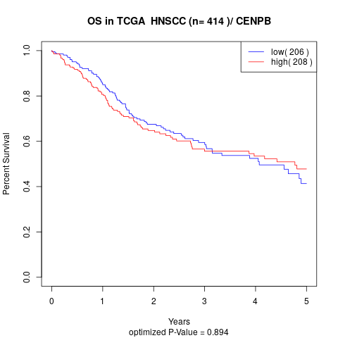

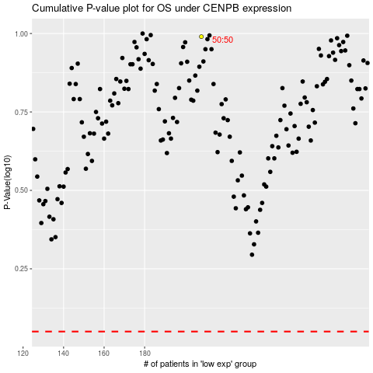

 |  |  |  |  |  | cases_OS | p_OS | rank | exp
 |  |  |  |  |  |  | cases_RFS | p_RFS | rank | exp

