CENPBD1 _multivariate
Reported by Tex Li-Hsing Chi. tex@gate.sinica.edu.tw 2019-08-21

Table 2. The clinicopathological features of HNSCC cohort and CENPBD1 expression. (Chi square test)
Cutoff at -0.137 (49.8%)
 |  | CENPBD1 expression |  | CENPBD1 expression |  | (Optimised)
 | Features | Low | (%) | High | (%) | Case no | P-value | Remark | Matthews
Gender | Female | 140 | 33.7 | 166 | 40 | 415 | 0.0068 | 1 | 0
2 | Male | 67 | 16.1 | 42 | 10.1
Age at diagnosis | <=65y | 120 | 28.9 | 154 | 37.1 | 415 | 8e-04 | 1 | 0
4 | >65y | 87 | 21 | 54 | 13
Clinical T Status | T1+T2 | 78 | 18.8 | 71 | 17.1 | 415 | 0.5152 | 0 | 0
6 | T3+T4 | 129 | 31.1 | 137 | 33
Clinical N Status | N0 | 110 | 26.5 | 106 | 25.5 | 415 | 0.7294 | 0 | 0
8 | N1-3 | 97 | 23.4 | 102 | 24.6
Clinical M Status | M0 | 207 | 49.9 | 205 | 49.4 | 415 | 0.2482 | 0 | 0
10 | M1 | 0 | 0 | 3 | 0.7
Clinical Stage | Stage I+II | 53 | 12.8 | 49 | 11.8 | 415 | 0.7113 | 0 | 0
12 | Stage III+IV | 154 | 37.1 | 159 | 38.3
Surgical Margin status | Negative | 159 | 38.3 | 159 | 38.3 | 415 | 1 | 0 | 0
14 | Positive | 48 | 11.6 | 49 | 11.8
Tobacco Exposure | Low | 98 | 23.6 | 63 | 15.2 | 415 | 4e-04 | 1 | 0
16 | High | 109 | 26.3 | 145 | 34.9

Table 3. Univariate/Multivariate Cox's proportional hazards regression analyses on OS time of CENPBD1 gene expression in HNSCC

 |  | Univariate |  |  |  | Multivariate
 | Features | HR | CI95%(L) | CI95%(H) | P-value | HR | CI95%(L) | CI95%(H) | P-value
1 | Female | 1 |  |  |  | 1
Gender | Male | 1.157 | 0.843 | 1.587 | 0.367 | 1.218 | 0.87 | 1.706 | 0.251
11 | <=65y | 1 |  |  |  | 1
Age at diagnosis | >65y | 1.329 | 0.99 | 1.784 | 0.058 | 1.413 | 1.036 | 1.926 | 0.029
12 | T1+T2 | 1 |  |  |  | 1
Clinical T Status | T3+T4 | 1.409 | 1.028 | 1.931 | 0.033 | 2.187 | 1.156 | 4.136 | 0.016
13 | N0 | 1 |  |  |  | 1
Clinical N Status | N1-3 | 1.185 | 0.89 | 1.577 | 0.246 | 1.235 | 0.865 | 1.763 | 0.245
14 | M0 | 1 |  |  |  | 1
Clinical M Status | M1 | 4.097 | 1.009 | 16.644 | 0.049 | 8.949 | 1.939 | 41.289 | 0.005
15 | Stage I+II | 1 |  |  |  | 1
Clinical Stage | Stage III+IV | 1.245 | 0.882 | 1.759 | 0.213 | 0.506 | 0.236 | 1.086 | 0.081
16 | Negative | 1 |  |  |  | 1
Surgical Margin status | Positive | 1.591 | 1.155 | 2.191 | 0.004 | 1.664 | 1.204 | 2.3 | 0.002
17 | Low | 1 |  |  |  | 1
Tobacco Exposure | High | 1.364 | 1.008 | 1.844 | 0.044 | 1.435 | 1.039 | 1.981 | 0.028
18 | Low | 1 |  |  |  | 1
RNAseq(z-score) | High | 1.134 | 0.849 | 1.513 | 0.395 | 1.111 | 0.821 | 1.504 | 0.496

Table 4. Univariate/Multivariate Cox's proportional hazards regression analyses on RFS time of CENPBD1 gene expression in HNSCC

 |  | Univariate |  |  |  | Multivariate
 | Features | HR | CI95%(L) | CI95%(H) | P-value | HR | CI95%(L) | CI95%(H) | P-value
1 | Female | 1 |  |  |  | 1
Gender | Male | 1.157 | 0.843 | 1.587 | 0.367 | 1.218 | 0.87 | 1.706 | 0.251
11 | <=65y | 1 |  |  |  | 1
Age at diagnosis | >65y | 1.329 | 0.99 | 1.784 | 0.058 | 1.413 | 1.036 | 1.926 | 0.029
12 | T1+T2 | 1 |  |  |  | 1
Clinical T Status | T3+T4 | 1.409 | 1.028 | 1.931 | 0.033 | 2.187 | 1.156 | 4.136 | 0.016
13 | N0 | 1 |  |  |  | 1
Clinical N Status | N1-3 | 1.185 | 0.89 | 1.577 | 0.246 | 1.235 | 0.865 | 1.763 | 0.245
14 | M0 | 1 |  |  |  | 1
Clinical M Status | M1 | 4.097 | 1.009 | 16.644 | 0.049 | 8.949 | 1.939 | 41.289 | 0.005
15 | Stage I+II | 1 |  |  |  | 1
Clinical Stage | Stage III+IV | 1.245 | 0.882 | 1.759 | 0.213 | 0.506 | 0.236 | 1.086 | 0.081
16 | Negative | 1 |  |  |  | 1
Surgical Margin status | Positive | 1.591 | 1.155 | 2.191 | 0.004 | 1.664 | 1.204 | 2.3 | 0.002
17 | Low | 1 |  |  |  | 1
Tobacco Exposure | High | 1.364 | 1.008 | 1.844 | 0.044 | 1.435 | 1.039 | 1.981 | 0.028
18 | Low | 1 |  |  |  | 1
RNAseq(z-score) | High | 1.134 | 0.849 | 1.513 | 0.395 | 1.111 | 0.821 | 1.504 | 0.496

Kaplan-Meier survival estimate: Cutoff at -0.137 (49.8%)



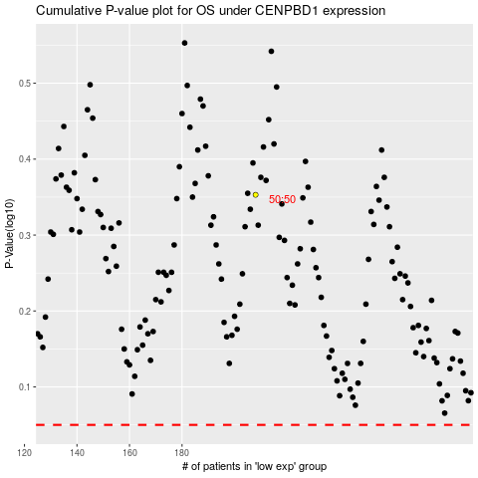

 |  |  |  |  |  | cases_OS | p_OS | rank | exp
 |  |  |  |  |  |  | cases_RFS | p_RFS | rank | exp

