CENPF _multivariate
Reported by Tex Li-Hsing Chi. tex@gate.sinica.edu.tw 2019-08-21

Table 2. The clinicopathological features of HNSCC cohort and CENPF expression. (Chi square test)
Cutoff at -0.519 (34.1%)
 |  | CENPF expression |  | CENPF expression |  | (Optimised)
 | Features | Low | (%) | High | (%) | Case no | P-value | Remark | Matthews
Gender | Female | 99 | 23.9 | 207 | 49.9 | 415 | 0.2212 | 0 | 0
2 | Male | 43 | 10.4 | 66 | 15.9
Age at diagnosis | <=65y | 93 | 22.4 | 181 | 43.6 | 415 | 0.9557 | 0 | 0
4 | >65y | 49 | 11.8 | 92 | 22.2
Clinical T Status | T1+T2 | 54 | 13 | 95 | 22.9 | 415 | 0.5872 | 0 | 0
6 | T3+T4 | 88 | 21.2 | 178 | 42.9
Clinical N Status | N0 | 78 | 18.8 | 138 | 33.3 | 415 | 0.457 | 0 | 0
8 | N1-3 | 64 | 15.4 | 135 | 32.5
Clinical M Status | M0 | 141 | 34 | 271 | 65.3 | 415 | 1 | 0 | 0
10 | M1 | 1 | 0.2 | 2 | 0.5
Clinical Stage | Stage I+II | 38 | 9.2 | 64 | 15.4 | 415 | 0.5323 | 0 | 0
12 | Stage III+IV | 104 | 25.1 | 209 | 50.4
Surgical Margin status | Negative | 109 | 26.3 | 209 | 50.4 | 415 | 1 | 0 | 0
14 | Positive | 33 | 8 | 64 | 15.4
Tobacco Exposure | Low | 71 | 17.1 | 90 | 21.7 | 415 | 0.001 | 1 | 0
16 | High | 71 | 17.1 | 183 | 44.1

Table 3. Univariate/Multivariate Cox's proportional hazards regression analyses on OS time of CENPF gene expression in HNSCC

 |  | Univariate |  |  |  | Multivariate
 | Features | HR | CI95%(L) | CI95%(H) | P-value | HR | CI95%(L) | CI95%(H) | P-value
1 | Female | 1 |  |  |  | 1
Gender | Male | 1.157 | 0.843 | 1.587 | 0.367 | 1.203 | 0.862 | 1.68 | 0.277
11 | <=65y | 1 |  |  |  | 1
Age at diagnosis | >65y | 1.329 | 0.99 | 1.784 | 0.058 | 1.385 | 1.019 | 1.883 | 0.038
12 | T1+T2 | 1 |  |  |  | 1
Clinical T Status | T3+T4 | 1.409 | 1.028 | 1.931 | 0.033 | 2.244 | 1.187 | 4.245 | 0.013
13 | N0 | 1 |  |  |  | 1
Clinical N Status | N1-3 | 1.185 | 0.89 | 1.577 | 0.246 | 1.242 | 0.87 | 1.773 | 0.233
14 | M0 | 1 |  |  |  | 1
Clinical M Status | M1 | 4.097 | 1.009 | 16.644 | 0.049 | 9.76 | 2.128 | 44.771 | 0.003
15 | Stage I+II | 1 |  |  |  | 1
Clinical Stage | Stage III+IV | 1.245 | 0.882 | 1.759 | 0.213 | 0.5 | 0.233 | 1.075 | 0.076
16 | Negative | 1 |  |  |  | 1
Surgical Margin status | Positive | 1.591 | 1.155 | 2.191 | 0.004 | 1.679 | 1.215 | 2.32 | 0.002
17 | Low | 1 |  |  |  | 1
Tobacco Exposure | High | 1.364 | 1.008 | 1.844 | 0.044 | 1.369 | 0.989 | 1.894 | 0.058
18 | Low | 1 |  |  |  | 1
RNAseq(z-score) | High | 1.388 | 1.005 | 1.915 | 0.046 | 1.347 | 0.969 | 1.873 | 0.076

Table 4. Univariate/Multivariate Cox's proportional hazards regression analyses on RFS time of CENPF gene expression in HNSCC

 |  | Univariate |  |  |  | Multivariate
 | Features | HR | CI95%(L) | CI95%(H) | P-value | HR | CI95%(L) | CI95%(H) | P-value
1 | Female | 1 |  |  |  | 1
Gender | Male | 1.157 | 0.843 | 1.587 | 0.367 | 1.203 | 0.862 | 1.68 | 0.277
11 | <=65y | 1 |  |  |  | 1
Age at diagnosis | >65y | 1.329 | 0.99 | 1.784 | 0.058 | 1.385 | 1.019 | 1.883 | 0.038
12 | T1+T2 | 1 |  |  |  | 1
Clinical T Status | T3+T4 | 1.409 | 1.028 | 1.931 | 0.033 | 2.244 | 1.187 | 4.245 | 0.013
13 | N0 | 1 |  |  |  | 1
Clinical N Status | N1-3 | 1.185 | 0.89 | 1.577 | 0.246 | 1.242 | 0.87 | 1.773 | 0.233
14 | M0 | 1 |  |  |  | 1
Clinical M Status | M1 | 4.097 | 1.009 | 16.644 | 0.049 | 9.76 | 2.128 | 44.771 | 0.003
15 | Stage I+II | 1 |  |  |  | 1
Clinical Stage | Stage III+IV | 1.245 | 0.882 | 1.759 | 0.213 | 0.5 | 0.233 | 1.075 | 0.076
16 | Negative | 1 |  |  |  | 1
Surgical Margin status | Positive | 1.591 | 1.155 | 2.191 | 0.004 | 1.679 | 1.215 | 2.32 | 0.002
17 | Low | 1 |  |  |  | 1
Tobacco Exposure | High | 1.364 | 1.008 | 1.844 | 0.044 | 1.369 | 0.989 | 1.894 | 0.058
18 | Low | 1 |  |  |  | 1
RNAseq(z-score) | High | 1.388 | 1.005 | 1.915 | 0.046 | 1.347 | 0.969 | 1.873 | 0.076

Kaplan-Meier survival estimate: Cutoff at -0.519 (34.1%)



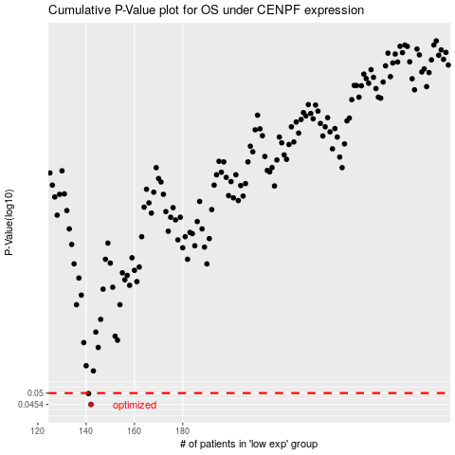

 |  |  |  |  |  | cases_OS | p_OS | rank | exp
 |  |  |  |  |  | 142 | 0.0454 | 12 | -0.5191913963
 |  |  |  |  |  | 141 | 0.0498 | 331 | -0.5219996172
 |  |  |  |  |  |  | cases_RFS | p_RFS | rank | exp
 |  |  |  |  |  |  | 141 | 0.0454 | 331 | -0.5219996172
 |  |  |  |  |  |  | 140 | 0.0498 | 193 | -0.52444825792

