CENPH _multivariate
Reported by Tex Li-Hsing Chi. tex@gate.sinica.edu.tw 2019-08-21

Table 2. The clinicopathological features of HNSCC cohort and CENPH expression. (Chi square test)
Cutoff at -0.291 (49.8%)
 |  | CENPH expression |  | CENPH expression |  | (Optimised)
 | Features | Low | (%) | High | (%) | Case no | P-value | Remark | Matthews
Gender | Female | 145 | 34.9 | 161 | 38.8 | 415 | 0.1116 | 0 | 0
2 | Male | 62 | 14.9 | 47 | 11.3
Age at diagnosis | <=65y | 139 | 33.5 | 135 | 32.5 | 415 | 0.7044 | 0 | 0
4 | >65y | 68 | 16.4 | 73 | 17.6
Clinical T Status | T1+T2 | 69 | 16.6 | 80 | 19.3 | 415 | 0.3239 | 0 | 0
6 | T3+T4 | 138 | 33.3 | 128 | 30.8
Clinical N Status | N0 | 112 | 27 | 104 | 25.1 | 415 | 0.4599 | 0 | 0
8 | N1-3 | 95 | 22.9 | 104 | 25.1
Clinical M Status | M0 | 206 | 49.6 | 206 | 49.6 | 415 | 1 | 0 | 0
10 | M1 | 1 | 0.2 | 2 | 0.5
Clinical Stage | Stage I+II | 53 | 12.8 | 49 | 11.8 | 415 | 0.7113 | 0 | 0
12 | Stage III+IV | 154 | 37.1 | 159 | 38.3
Surgical Margin status | Negative | 167 | 40.2 | 151 | 36.4 | 415 | 0.0632 | 0 | 0
14 | Positive | 40 | 9.6 | 57 | 13.7
Tobacco Exposure | Low | 90 | 21.7 | 71 | 17.1 | 415 | 0.0559 | 0 | 0
16 | High | 117 | 28.2 | 137 | 33

Table 3. Univariate/Multivariate Cox's proportional hazards regression analyses on OS time of CENPH gene expression in HNSCC

 |  | Univariate |  |  |  | Multivariate
 | Features | HR | CI95%(L) | CI95%(H) | P-value | HR | CI95%(L) | CI95%(H) | P-value
1 | Female | 1 |  |  |  | 1
Gender | Male | 1.157 | 0.843 | 1.587 | 0.367 | 1.204 | 0.861 | 1.684 | 0.278
11 | <=65y | 1 |  |  |  | 1
Age at diagnosis | >65y | 1.329 | 0.99 | 1.784 | 0.058 | 1.39 | 1.022 | 1.89 | 0.036
12 | T1+T2 | 1 |  |  |  | 1
Clinical T Status | T3+T4 | 1.409 | 1.028 | 1.931 | 0.033 | 2.208 | 1.166 | 4.181 | 0.015
13 | N0 | 1 |  |  |  | 1
Clinical N Status | N1-3 | 1.185 | 0.89 | 1.577 | 0.246 | 1.24 | 0.869 | 1.769 | 0.237
14 | M0 | 1 |  |  |  | 1
Clinical M Status | M1 | 4.097 | 1.009 | 16.644 | 0.049 | 9.415 | 2.054 | 43.159 | 0.004
15 | Stage I+II | 1 |  |  |  | 1
Clinical Stage | Stage III+IV | 1.245 | 0.882 | 1.759 | 0.213 | 0.504 | 0.235 | 1.082 | 0.079
16 | Negative | 1 |  |  |  | 1
Surgical Margin status | Positive | 1.591 | 1.155 | 2.191 | 0.004 | 1.666 | 1.201 | 2.311 | 0.002
17 | Low | 1 |  |  |  | 1
Tobacco Exposure | High | 1.364 | 1.008 | 1.844 | 0.044 | 1.449 | 1.048 | 2.002 | 0.025
18 | Low | 1 |  |  |  | 1
RNAseq(z-score) | High | 1.092 | 0.82 | 1.454 | 0.548 | 1.02 | 0.759 | 1.372 | 0.895

Table 4. Univariate/Multivariate Cox's proportional hazards regression analyses on RFS time of CENPH gene expression in HNSCC

 |  | Univariate |  |  |  | Multivariate
 | Features | HR | CI95%(L) | CI95%(H) | P-value | HR | CI95%(L) | CI95%(H) | P-value
1 | Female | 1 |  |  |  | 1
Gender | Male | 1.157 | 0.843 | 1.587 | 0.367 | 1.204 | 0.861 | 1.684 | 0.278
11 | <=65y | 1 |  |  |  | 1
Age at diagnosis | >65y | 1.329 | 0.99 | 1.784 | 0.058 | 1.39 | 1.022 | 1.89 | 0.036
12 | T1+T2 | 1 |  |  |  | 1
Clinical T Status | T3+T4 | 1.409 | 1.028 | 1.931 | 0.033 | 2.208 | 1.166 | 4.181 | 0.015
13 | N0 | 1 |  |  |  | 1
Clinical N Status | N1-3 | 1.185 | 0.89 | 1.577 | 0.246 | 1.24 | 0.869 | 1.769 | 0.237
14 | M0 | 1 |  |  |  | 1
Clinical M Status | M1 | 4.097 | 1.009 | 16.644 | 0.049 | 9.415 | 2.054 | 43.159 | 0.004
15 | Stage I+II | 1 |  |  |  | 1
Clinical Stage | Stage III+IV | 1.245 | 0.882 | 1.759 | 0.213 | 0.504 | 0.235 | 1.082 | 0.079
16 | Negative | 1 |  |  |  | 1
Surgical Margin status | Positive | 1.591 | 1.155 | 2.191 | 0.004 | 1.666 | 1.201 | 2.311 | 0.002
17 | Low | 1 |  |  |  | 1
Tobacco Exposure | High | 1.364 | 1.008 | 1.844 | 0.044 | 1.449 | 1.048 | 2.002 | 0.025
18 | Low | 1 |  |  |  | 1
RNAseq(z-score) | High | 1.092 | 0.82 | 1.454 | 0.548 | 1.02 | 0.759 | 1.372 | 0.895

Kaplan-Meier survival estimate: Cutoff at -0.291 (49.8%)



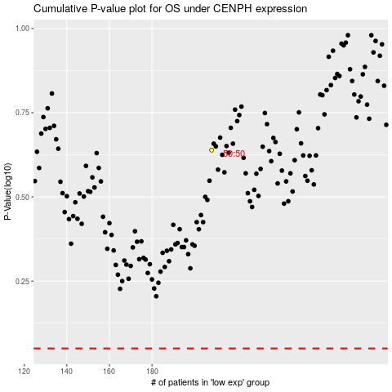

 |  |  |  |  |  | cases_OS | p_OS | rank | exp
 |  |  |  |  |  |  | cases_RFS | p_RFS | rank | exp

