CENPM _multivariate
Reported by Tex Li-Hsing Chi. tex@gate.sinica.edu.tw 2019-08-21

Table 2. The clinicopathological features of HNSCC cohort and CENPM expression. (Chi square test)
Cutoff at -0.276 (49.8%)
 |  | CENPM expression |  | CENPM expression |  | (Optimised)
 | Features | Low | (%) | High | (%) | Case no | P-value | Remark | Matthews
Gender | Female | 141 | 34 | 165 | 39.8 | 415 | 0.013 | 1 | 0
2 | Male | 66 | 15.9 | 43 | 10.4
Age at diagnosis | <=65y | 131 | 31.6 | 143 | 34.5 | 415 | 0.2839 | 0 | 0
4 | >65y | 76 | 18.3 | 65 | 15.7
Clinical T Status | T1+T2 | 74 | 17.8 | 75 | 18.1 | 415 | 1 | 0 | 0
6 | T3+T4 | 133 | 32 | 133 | 32
Clinical N Status | N0 | 116 | 28 | 100 | 24.1 | 415 | 0.1273 | 1 | 0
8 | N1-3 | 91 | 21.9 | 108 | 26
Clinical M Status | M0 | 207 | 49.9 | 205 | 49.4 | 415 | 0.2482 | 0 | 0
10 | M1 | 0 | 0 | 3 | 0.7
Clinical Stage | Stage I+II | 57 | 13.7 | 45 | 10.8 | 415 | 0.1998 | 0 | 0
12 | Stage III+IV | 150 | 36.1 | 163 | 39.3
Surgical Margin status | Negative | 168 | 40.5 | 150 | 36.1 | 415 | 0.0366 | 1 | 0
14 | Positive | 39 | 9.4 | 58 | 14
Tobacco Exposure | Low | 93 | 22.4 | 68 | 16.4 | 415 | 0.0118 | 1 | 0
16 | High | 114 | 27.5 | 140 | 33.7

Table 3. Univariate/Multivariate Cox's proportional hazards regression analyses on OS time of CENPM gene expression in HNSCC

 |  | Univariate |  |  |  | Multivariate
 | Features | HR | CI95%(L) | CI95%(H) | P-value | HR | CI95%(L) | CI95%(H) | P-value
1 | Female | 1 |  |  |  | 1
Gender | Male | 1.157 | 0.843 | 1.587 | 0.367 | 1.21 | 0.863 | 1.697 | 0.27
11 | <=65y | 1 |  |  |  | 1
Age at diagnosis | >65y | 1.329 | 0.99 | 1.784 | 0.058 | 1.39 | 1.023 | 1.89 | 0.035
12 | T1+T2 | 1 |  |  |  | 1
Clinical T Status | T3+T4 | 1.409 | 1.028 | 1.931 | 0.033 | 2.217 | 1.17 | 4.199 | 0.015
13 | N0 | 1 |  |  |  | 1
Clinical N Status | N1-3 | 1.185 | 0.89 | 1.577 | 0.246 | 1.241 | 0.87 | 1.771 | 0.233
14 | M0 | 1 |  |  |  | 1
Clinical M Status | M1 | 4.097 | 1.009 | 16.644 | 0.049 | 9.3 | 2.024 | 42.732 | 0.004
15 | Stage I+II | 1 |  |  |  | 1
Clinical Stage | Stage III+IV | 1.245 | 0.882 | 1.759 | 0.213 | 0.5 | 0.232 | 1.076 | 0.076
16 | Negative | 1 |  |  |  | 1
Surgical Margin status | Positive | 1.591 | 1.155 | 2.191 | 0.004 | 1.665 | 1.204 | 2.304 | 0.002
17 | Low | 1 |  |  |  | 1
Tobacco Exposure | High | 1.364 | 1.008 | 1.844 | 0.044 | 1.451 | 1.053 | 2 | 0.023
18 | Low | 1 |  |  |  | 1
RNAseq(z-score) | High | 1.068 | 0.802 | 1.422 | 0.654 | 1.041 | 0.774 | 1.398 | 0.792

Table 4. Univariate/Multivariate Cox's proportional hazards regression analyses on RFS time of CENPM gene expression in HNSCC

 |  | Univariate |  |  |  | Multivariate
 | Features | HR | CI95%(L) | CI95%(H) | P-value | HR | CI95%(L) | CI95%(H) | P-value
1 | Female | 1 |  |  |  | 1
Gender | Male | 1.157 | 0.843 | 1.587 | 0.367 | 1.21 | 0.863 | 1.697 | 0.27
11 | <=65y | 1 |  |  |  | 1
Age at diagnosis | >65y | 1.329 | 0.99 | 1.784 | 0.058 | 1.39 | 1.023 | 1.89 | 0.035
12 | T1+T2 | 1 |  |  |  | 1
Clinical T Status | T3+T4 | 1.409 | 1.028 | 1.931 | 0.033 | 2.217 | 1.17 | 4.199 | 0.015
13 | N0 | 1 |  |  |  | 1
Clinical N Status | N1-3 | 1.185 | 0.89 | 1.577 | 0.246 | 1.241 | 0.87 | 1.771 | 0.233
14 | M0 | 1 |  |  |  | 1
Clinical M Status | M1 | 4.097 | 1.009 | 16.644 | 0.049 | 9.3 | 2.024 | 42.732 | 0.004
15 | Stage I+II | 1 |  |  |  | 1
Clinical Stage | Stage III+IV | 1.245 | 0.882 | 1.759 | 0.213 | 0.5 | 0.232 | 1.076 | 0.076
16 | Negative | 1 |  |  |  | 1
Surgical Margin status | Positive | 1.591 | 1.155 | 2.191 | 0.004 | 1.665 | 1.204 | 2.304 | 0.002
17 | Low | 1 |  |  |  | 1
Tobacco Exposure | High | 1.364 | 1.008 | 1.844 | 0.044 | 1.451 | 1.053 | 2 | 0.023
18 | Low | 1 |  |  |  | 1
RNAseq(z-score) | High | 1.068 | 0.802 | 1.422 | 0.654 | 1.041 | 0.774 | 1.398 | 0.792

Kaplan-Meier survival estimate: Cutoff at -0.276 (49.8%)

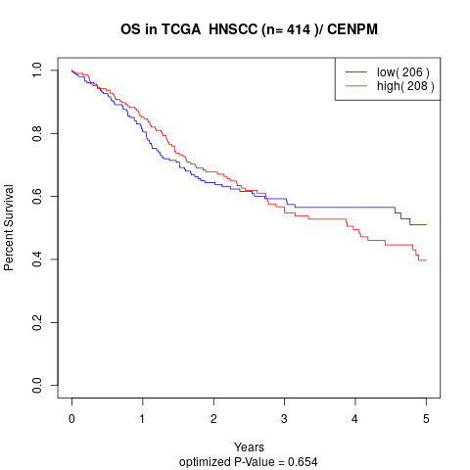

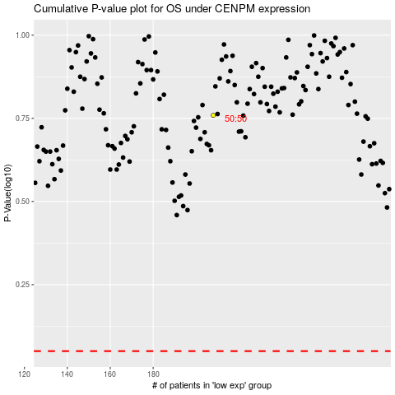

 |  |  |  |  |  | cases_OS | p_OS | rank | exp
 |  |  |  |  |  |  | cases_RFS | p_RFS | rank | exp

