CENPW _multivariate
Reported by Tex Li-Hsing Chi. tex@gate.sinica.edu.tw 2019-08-21

Table 2. The clinicopathological features of HNSCC cohort and CENPW expression. (Chi square test)
Cutoff at -0.222 (49.8%)
 |  | CENPW expression |  | CENPW expression |  | (Optimised)
 | Features | Low | (%) | High | (%) | Case no | P-value | Remark | Matthews
Gender | Female | 152 | 36.6 | 154 | 37.1 | 415 | 0.9766 | 0 | 0
2 | Male | 55 | 13.3 | 54 | 13
Age at diagnosis | <=65y | 136 | 32.8 | 138 | 33.3 | 415 | 0.9719 | 0 | 0
4 | >65y | 71 | 17.1 | 70 | 16.9
Clinical T Status | T1+T2 | 74 | 17.8 | 75 | 18.1 | 415 | 1 | 0 | 0
6 | T3+T4 | 133 | 32 | 133 | 32
Clinical N Status | N0 | 115 | 27.7 | 101 | 24.3 | 415 | 0.184 | 1 | 0
8 | N1-3 | 92 | 22.2 | 107 | 25.8
Clinical M Status | M0 | 207 | 49.9 | 205 | 49.4 | 415 | 0.2482 | 0 | 0
10 | M1 | 0 | 0 | 3 | 0.7
Clinical Stage | Stage I+II | 53 | 12.8 | 49 | 11.8 | 415 | 0.7113 | 0 | 0
12 | Stage III+IV | 154 | 37.1 | 159 | 38.3
Surgical Margin status | Negative | 163 | 39.3 | 155 | 37.3 | 415 | 0.3537 | 0 | 0
14 | Positive | 44 | 10.6 | 53 | 12.8
Tobacco Exposure | Low | 86 | 20.7 | 75 | 18.1 | 415 | 0.2687 | 0 | 0
16 | High | 121 | 29.2 | 133 | 32

Table 3. Univariate/Multivariate Cox's proportional hazards regression analyses on OS time of CENPW gene expression in HNSCC

 |  | Univariate |  |  |  | Multivariate
 | Features | HR | CI95%(L) | CI95%(H) | P-value | HR | CI95%(L) | CI95%(H) | P-value
1 | Female | 1 |  |  |  | 1
Gender | Male | 1.157 | 0.843 | 1.587 | 0.367 | 1.208 | 0.865 | 1.686 | 0.267
11 | <=65y | 1 |  |  |  | 1
Age at diagnosis | >65y | 1.329 | 0.99 | 1.784 | 0.058 | 1.399 | 1.029 | 1.902 | 0.032
12 | T1+T2 | 1 |  |  |  | 1
Clinical T Status | T3+T4 | 1.409 | 1.028 | 1.931 | 0.033 | 2.189 | 1.157 | 4.139 | 0.016
13 | N0 | 1 |  |  |  | 1
Clinical N Status | N1-3 | 1.185 | 0.89 | 1.577 | 0.246 | 1.256 | 0.88 | 1.793 | 0.209
14 | M0 | 1 |  |  |  | 1
Clinical M Status | M1 | 4.097 | 1.009 | 16.644 | 0.049 | 10.077 | 2.186 | 46.454 | 0.003
15 | Stage I+II | 1 |  |  |  | 1
Clinical Stage | Stage III+IV | 1.245 | 0.882 | 1.759 | 0.213 | 0.509 | 0.237 | 1.092 | 0.083
16 | Negative | 1 |  |  |  | 1
Surgical Margin status | Positive | 1.591 | 1.155 | 2.191 | 0.004 | 1.677 | 1.214 | 2.318 | 0.002
17 | Low | 1 |  |  |  | 1
Tobacco Exposure | High | 1.364 | 1.008 | 1.844 | 0.044 | 1.471 | 1.067 | 2.026 | 0.018
18 | Low | 1 |  |  |  | 1
RNAseq(z-score) | High | 0.924 | 0.694 | 1.23 | 0.588 | 0.856 | 0.64 | 1.145 | 0.294

Table 4. Univariate/Multivariate Cox's proportional hazards regression analyses on RFS time of CENPW gene expression in HNSCC

 |  | Univariate |  |  |  | Multivariate
 | Features | HR | CI95%(L) | CI95%(H) | P-value | HR | CI95%(L) | CI95%(H) | P-value
1 | Female | 1 |  |  |  | 1
Gender | Male | 1.157 | 0.843 | 1.587 | 0.367 | 1.208 | 0.865 | 1.686 | 0.267
11 | <=65y | 1 |  |  |  | 1
Age at diagnosis | >65y | 1.329 | 0.99 | 1.784 | 0.058 | 1.399 | 1.029 | 1.902 | 0.032
12 | T1+T2 | 1 |  |  |  | 1
Clinical T Status | T3+T4 | 1.409 | 1.028 | 1.931 | 0.033 | 2.189 | 1.157 | 4.139 | 0.016
13 | N0 | 1 |  |  |  | 1
Clinical N Status | N1-3 | 1.185 | 0.89 | 1.577 | 0.246 | 1.256 | 0.88 | 1.793 | 0.209
14 | M0 | 1 |  |  |  | 1
Clinical M Status | M1 | 4.097 | 1.009 | 16.644 | 0.049 | 10.077 | 2.186 | 46.454 | 0.003
15 | Stage I+II | 1 |  |  |  | 1
Clinical Stage | Stage III+IV | 1.245 | 0.882 | 1.759 | 0.213 | 0.509 | 0.237 | 1.092 | 0.083
16 | Negative | 1 |  |  |  | 1
Surgical Margin status | Positive | 1.591 | 1.155 | 2.191 | 0.004 | 1.677 | 1.214 | 2.318 | 0.002
17 | Low | 1 |  |  |  | 1
Tobacco Exposure | High | 1.364 | 1.008 | 1.844 | 0.044 | 1.471 | 1.067 | 2.026 | 0.018
18 | Low | 1 |  |  |  | 1
RNAseq(z-score) | High | 0.924 | 0.694 | 1.23 | 0.588 | 0.856 | 0.64 | 1.145 | 0.294

Kaplan-Meier survival estimate: Cutoff at -0.222 (49.8%)



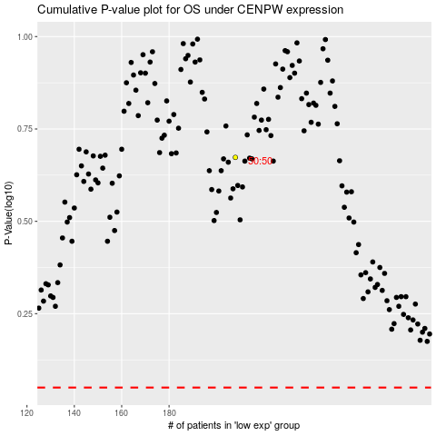

 |  |  |  |  |  | cases_OS | p_OS | rank | exp
 |  |  |  |  |  |  | cases_RFS | p_RFS | rank | exp

