CEP120 _multivariate
Reported by Tex Li-Hsing Chi. tex@gate.sinica.edu.tw 2019-08-21

Table 2. The clinicopathological features of HNSCC cohort and CEP120 expression. (Chi square test)
Cutoff at -0.254 (49.8%)
 |  | CEP120 expression |  | CEP120 expression |  | (Optimised)
 | Features | Low | (%) | High | (%) | Case no | P-value | Remark | Matthews
Gender | Female | 157 | 37.8 | 149 | 35.9 | 415 | 0.3881 | 0 | 0
2 | Male | 50 | 12 | 59 | 14.2
Age at diagnosis | <=65y | 139 | 33.5 | 135 | 32.5 | 415 | 0.7044 | 0 | 0
4 | >65y | 68 | 16.4 | 73 | 17.6
Clinical T Status | T1+T2 | 57 | 13.7 | 92 | 22.2 | 415 | 6e-04 | 1 | 0
6 | T3+T4 | 150 | 36.1 | 116 | 28
Clinical N Status | N0 | 111 | 26.7 | 105 | 25.3 | 415 | 0.5875 | 0 | 0
8 | N1-3 | 96 | 23.1 | 103 | 24.8
Clinical M Status | M0 | 205 | 49.4 | 207 | 49.9 | 415 | 0.6232 | 0 | 0
10 | M1 | 2 | 0.5 | 1 | 0.2
Clinical Stage | Stage I+II | 41 | 9.9 | 61 | 14.7 | 415 | 0.0325 | 1 | 0
12 | Stage III+IV | 166 | 40 | 147 | 35.4
Surgical Margin status | Negative | 166 | 40 | 152 | 36.6 | 415 | 0.1042 | 0 | 0
14 | Positive | 41 | 9.9 | 56 | 13.5
Tobacco Exposure | Low | 83 | 20 | 78 | 18.8 | 415 | 0.6152 | 0 | 0
16 | High | 124 | 29.9 | 130 | 31.3

Table 3. Univariate/Multivariate Cox's proportional hazards regression analyses on OS time of CEP120 gene expression in HNSCC

 |  | Univariate |  |  |  | Multivariate
 | Features | HR | CI95%(L) | CI95%(H) | P-value | HR | CI95%(L) | CI95%(H) | P-value
1 | Female | 1 |  |  |  | 1
Gender | Male | 1.157 | 0.843 | 1.587 | 0.367 | 1.206 | 0.863 | 1.685 | 0.272
11 | <=65y | 1 |  |  |  | 1
Age at diagnosis | >65y | 1.329 | 0.99 | 1.784 | 0.058 | 1.39 | 1.023 | 1.89 | 0.036
12 | T1+T2 | 1 |  |  |  | 1
Clinical T Status | T3+T4 | 1.409 | 1.028 | 1.931 | 0.033 | 2.241 | 1.182 | 4.249 | 0.013
13 | N0 | 1 |  |  |  | 1
Clinical N Status | N1-3 | 1.185 | 0.89 | 1.577 | 0.246 | 1.232 | 0.863 | 1.76 | 0.251
14 | M0 | 1 |  |  |  | 1
Clinical M Status | M1 | 4.097 | 1.009 | 16.644 | 0.049 | 9.813 | 2.125 | 45.311 | 0.003
15 | Stage I+II | 1 |  |  |  | 1
Clinical Stage | Stage III+IV | 1.245 | 0.882 | 1.759 | 0.213 | 0.503 | 0.234 | 1.08 | 0.078
16 | Negative | 1 |  |  |  | 1
Surgical Margin status | Positive | 1.591 | 1.155 | 2.191 | 0.004 | 1.66 | 1.201 | 2.296 | 0.002
17 | Low | 1 |  |  |  | 1
Tobacco Exposure | High | 1.364 | 1.008 | 1.844 | 0.044 | 1.459 | 1.058 | 2.01 | 0.021
18 | Low | 1 |  |  |  | 1
RNAseq(z-score) | High | 1.025 | 0.77 | 1.365 | 0.866 | 1.088 | 0.811 | 1.459 | 0.574

Table 4. Univariate/Multivariate Cox's proportional hazards regression analyses on RFS time of CEP120 gene expression in HNSCC

 |  | Univariate |  |  |  | Multivariate
 | Features | HR | CI95%(L) | CI95%(H) | P-value | HR | CI95%(L) | CI95%(H) | P-value
1 | Female | 1 |  |  |  | 1
Gender | Male | 1.157 | 0.843 | 1.587 | 0.367 | 1.206 | 0.863 | 1.685 | 0.272
11 | <=65y | 1 |  |  |  | 1
Age at diagnosis | >65y | 1.329 | 0.99 | 1.784 | 0.058 | 1.39 | 1.023 | 1.89 | 0.036
12 | T1+T2 | 1 |  |  |  | 1
Clinical T Status | T3+T4 | 1.409 | 1.028 | 1.931 | 0.033 | 2.241 | 1.182 | 4.249 | 0.013
13 | N0 | 1 |  |  |  | 1
Clinical N Status | N1-3 | 1.185 | 0.89 | 1.577 | 0.246 | 1.232 | 0.863 | 1.76 | 0.251
14 | M0 | 1 |  |  |  | 1
Clinical M Status | M1 | 4.097 | 1.009 | 16.644 | 0.049 | 9.813 | 2.125 | 45.311 | 0.003
15 | Stage I+II | 1 |  |  |  | 1
Clinical Stage | Stage III+IV | 1.245 | 0.882 | 1.759 | 0.213 | 0.503 | 0.234 | 1.08 | 0.078
16 | Negative | 1 |  |  |  | 1
Surgical Margin status | Positive | 1.591 | 1.155 | 2.191 | 0.004 | 1.66 | 1.201 | 2.296 | 0.002
17 | Low | 1 |  |  |  | 1
Tobacco Exposure | High | 1.364 | 1.008 | 1.844 | 0.044 | 1.459 | 1.058 | 2.01 | 0.021
18 | Low | 1 |  |  |  | 1
RNAseq(z-score) | High | 1.025 | 0.77 | 1.365 | 0.866 | 1.088 | 0.811 | 1.459 | 0.574

Kaplan-Meier survival estimate: Cutoff at -0.254 (49.8%)



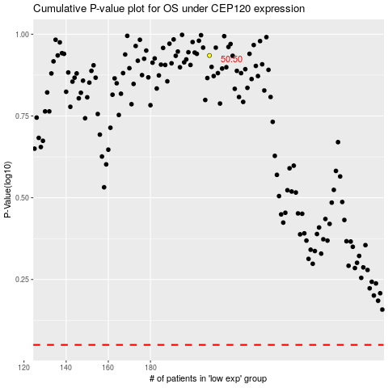

 |  |  |  |  |  | cases_OS | p_OS | rank | exp
 |  |  |  |  |  |  | cases_RFS | p_RFS | rank | exp

