CEP164 _multivariate
Reported by Tex Li-Hsing Chi. tex@gate.sinica.edu.tw 2019-08-21

Table 2. The clinicopathological features of HNSCC cohort and CEP164 expression. (Chi square test)
Cutoff at -0.014 (50.0%)
 |  | CEP164 expression |  | CEP164 expression |  | (Optimised)
 | Features | Low | (%) | High | (%) | Case no | P-value | Remark | Matthews
Gender | Female | 166 | 40 | 140 | 33.7 | 415 | 0.0041 | 1 | 0
2 | Male | 41 | 9.9 | 68 | 16.4
Age at diagnosis | <=65y | 135 | 32.5 | 139 | 33.5 | 415 | 0.8084 | 0 | 0
4 | >65y | 72 | 17.3 | 69 | 16.6
Clinical T Status | T1+T2 | 84 | 20.2 | 65 | 15.7 | 415 | 0.0603 | 0 | 0
6 | T3+T4 | 123 | 29.6 | 143 | 34.5
Clinical N Status | N0 | 91 | 21.9 | 125 | 30.1 | 415 | 0.0014 | 1 | 0
8 | N1-3 | 116 | 28 | 83 | 20
Clinical M Status | M0 | 206 | 49.6 | 206 | 49.6 | 415 | 1 | 0 | 0
10 | M1 | 1 | 0.2 | 2 | 0.5
Clinical Stage | Stage I+II | 49 | 11.8 | 53 | 12.8 | 415 | 0.7535 | 0 | 0
12 | Stage III+IV | 158 | 38.1 | 155 | 37.3
Surgical Margin status | Negative | 152 | 36.6 | 166 | 40 | 415 | 0.1329 | 0 | 0
14 | Positive | 55 | 13.3 | 42 | 10.1
Tobacco Exposure | Low | 73 | 17.6 | 88 | 21.2 | 415 | 0.1587 | 0 | 0
16 | High | 134 | 32.3 | 120 | 28.9

Table 3. Univariate/Multivariate Cox's proportional hazards regression analyses on OS time of CEP164 gene expression in HNSCC

 |  | Univariate |  |  |  | Multivariate
 | Features | HR | CI95%(L) | CI95%(H) | P-value | HR | CI95%(L) | CI95%(H) | P-value
1 | Female | 1 |  |  |  | 1
Gender | Male | 1.157 | 0.843 | 1.587 | 0.367 | 1.231 | 0.877 | 1.729 | 0.23
11 | <=65y | 1 |  |  |  | 1
Age at diagnosis | >65y | 1.329 | 0.99 | 1.784 | 0.058 | 1.393 | 1.025 | 1.893 | 0.034
12 | T1+T2 | 1 |  |  |  | 1
Clinical T Status | T3+T4 | 1.409 | 1.028 | 1.931 | 0.033 | 2.261 | 1.193 | 4.286 | 0.012
13 | N0 | 1 |  |  |  | 1
Clinical N Status | N1-3 | 1.185 | 0.89 | 1.577 | 0.246 | 1.216 | 0.85 | 1.741 | 0.285
14 | M0 | 1 |  |  |  | 1
Clinical M Status | M1 | 4.097 | 1.009 | 16.644 | 0.049 | 9.903 | 2.149 | 45.624 | 0.003
15 | Stage I+II | 1 |  |  |  | 1
Clinical Stage | Stage III+IV | 1.245 | 0.882 | 1.759 | 0.213 | 0.5 | 0.233 | 1.073 | 0.075
16 | Negative | 1 |  |  |  | 1
Surgical Margin status | Positive | 1.591 | 1.155 | 2.191 | 0.004 | 1.666 | 1.206 | 2.303 | 0.002
17 | Low | 1 |  |  |  | 1
Tobacco Exposure | High | 1.364 | 1.008 | 1.844 | 0.044 | 1.455 | 1.055 | 2.004 | 0.022
18 | Low | 1 |  |  |  | 1
RNAseq(z-score) | High | 0.942 | 0.707 | 1.255 | 0.684 | 0.884 | 0.657 | 1.191 | 0.418

Table 4. Univariate/Multivariate Cox's proportional hazards regression analyses on RFS time of CEP164 gene expression in HNSCC

 |  | Univariate |  |  |  | Multivariate
 | Features | HR | CI95%(L) | CI95%(H) | P-value | HR | CI95%(L) | CI95%(H) | P-value
1 | Female | 1 |  |  |  | 1
Gender | Male | 1.157 | 0.843 | 1.587 | 0.367 | 1.231 | 0.877 | 1.729 | 0.23
11 | <=65y | 1 |  |  |  | 1
Age at diagnosis | >65y | 1.329 | 0.99 | 1.784 | 0.058 | 1.393 | 1.025 | 1.893 | 0.034
12 | T1+T2 | 1 |  |  |  | 1
Clinical T Status | T3+T4 | 1.409 | 1.028 | 1.931 | 0.033 | 2.261 | 1.193 | 4.286 | 0.012
13 | N0 | 1 |  |  |  | 1
Clinical N Status | N1-3 | 1.185 | 0.89 | 1.577 | 0.246 | 1.216 | 0.85 | 1.741 | 0.285
14 | M0 | 1 |  |  |  | 1
Clinical M Status | M1 | 4.097 | 1.009 | 16.644 | 0.049 | 9.903 | 2.149 | 45.624 | 0.003
15 | Stage I+II | 1 |  |  |  | 1
Clinical Stage | Stage III+IV | 1.245 | 0.882 | 1.759 | 0.213 | 0.5 | 0.233 | 1.073 | 0.075
16 | Negative | 1 |  |  |  | 1
Surgical Margin status | Positive | 1.591 | 1.155 | 2.191 | 0.004 | 1.666 | 1.206 | 2.303 | 0.002
17 | Low | 1 |  |  |  | 1
Tobacco Exposure | High | 1.364 | 1.008 | 1.844 | 0.044 | 1.455 | 1.055 | 2.004 | 0.022
18 | Low | 1 |  |  |  | 1
RNAseq(z-score) | High | 0.942 | 0.707 | 1.255 | 0.684 | 0.884 | 0.657 | 1.191 | 0.418

Kaplan-Meier survival estimate: Cutoff at -0.014 (50.0%)



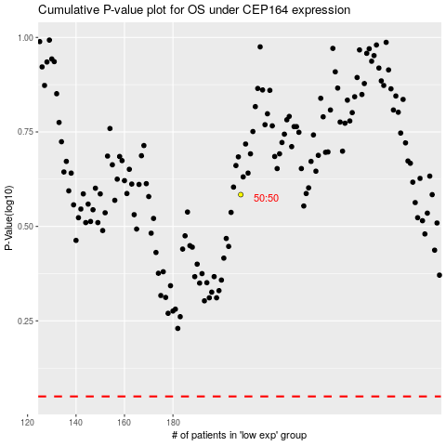

 |  |  |  |  |  | cases_OS | p_OS | rank | exp
 |  |  |  |  |  |  | cases_RFS | p_RFS | rank | exp

