CEP170 _multivariate
Reported by Tex Li-Hsing Chi. tex@gate.sinica.edu.tw 2019-08-21

Table 2. The clinicopathological features of HNSCC cohort and CEP170 expression. (Chi square test)
Cutoff at -0.022 (49.8%)
 |  | CEP170 expression |  | CEP170 expression |  | (Optimised)
 | Features | Low | (%) | High | (%) | Case no | P-value | Remark | Matthews
Gender | Female | 145 | 34.9 | 161 | 38.8 | 415 | 0.1116 | 0 | 0
2 | Male | 62 | 14.9 | 47 | 11.3
Age at diagnosis | <=65y | 133 | 32 | 141 | 34 | 415 | 0.5111 | 0 | 0
4 | >65y | 74 | 17.8 | 67 | 16.1
Clinical T Status | T1+T2 | 76 | 18.3 | 73 | 17.6 | 415 | 0.8092 | 0 | 0
6 | T3+T4 | 131 | 31.6 | 135 | 32.5
Clinical N Status | N0 | 115 | 27.7 | 101 | 24.3 | 415 | 0.184 | 1 | 0
8 | N1-3 | 92 | 22.2 | 107 | 25.8
Clinical M Status | M0 | 204 | 49.2 | 208 | 50.1 | 415 | 0.1232 | 0 | 0
10 | M1 | 3 | 0.7 | 0 | 0
Clinical Stage | Stage I+II | 51 | 12.3 | 51 | 12.3 | 415 | 1 | 0 | 0
12 | Stage III+IV | 156 | 37.6 | 157 | 37.8
Surgical Margin status | Negative | 159 | 38.3 | 159 | 38.3 | 415 | 1 | 0 | 0
14 | Positive | 48 | 11.6 | 49 | 11.8
Tobacco Exposure | Low | 84 | 20.2 | 77 | 18.6 | 415 | 0.4816 | 0 | 0
16 | High | 123 | 29.6 | 131 | 31.6

Table 3. Univariate/Multivariate Cox's proportional hazards regression analyses on OS time of CEP170 gene expression in HNSCC

 |  | Univariate |  |  |  | Multivariate
 | Features | HR | CI95%(L) | CI95%(H) | P-value | HR | CI95%(L) | CI95%(H) | P-value
1 | Female | 1 |  |  |  | 1
Gender | Male | 1.157 | 0.843 | 1.587 | 0.367 | 1.226 | 0.876 | 1.715 | 0.235
11 | <=65y | 1 |  |  |  | 1
Age at diagnosis | >65y | 1.329 | 0.99 | 1.784 | 0.058 | 1.405 | 1.033 | 1.911 | 0.03
12 | T1+T2 | 1 |  |  |  | 1
Clinical T Status | T3+T4 | 1.409 | 1.028 | 1.931 | 0.033 | 2.198 | 1.162 | 4.158 | 0.015
13 | N0 | 1 |  |  |  | 1
Clinical N Status | N1-3 | 1.185 | 0.89 | 1.577 | 0.246 | 1.222 | 0.855 | 1.746 | 0.271
14 | M0 | 1 |  |  |  | 1
Clinical M Status | M1 | 4.097 | 1.009 | 16.644 | 0.049 | 10.331 | 2.228 | 47.91 | 0.003
15 | Stage I+II | 1 |  |  |  | 1
Clinical Stage | Stage III+IV | 1.245 | 0.882 | 1.759 | 0.213 | 0.507 | 0.236 | 1.088 | 0.081
16 | Negative | 1 |  |  |  | 1
Surgical Margin status | Positive | 1.591 | 1.155 | 2.191 | 0.004 | 1.685 | 1.218 | 2.329 | 0.002
17 | Low | 1 |  |  |  | 1
Tobacco Exposure | High | 1.364 | 1.008 | 1.844 | 0.044 | 1.46 | 1.061 | 2.01 | 0.02
18 | Low | 1 |  |  |  | 1
RNAseq(z-score) | High | 1.086 | 0.815 | 1.448 | 0.572 | 1.165 | 0.868 | 1.565 | 0.308

Table 4. Univariate/Multivariate Cox's proportional hazards regression analyses on RFS time of CEP170 gene expression in HNSCC

 |  | Univariate |  |  |  | Multivariate
 | Features | HR | CI95%(L) | CI95%(H) | P-value | HR | CI95%(L) | CI95%(H) | P-value
1 | Female | 1 |  |  |  | 1
Gender | Male | 1.157 | 0.843 | 1.587 | 0.367 | 1.226 | 0.876 | 1.715 | 0.235
11 | <=65y | 1 |  |  |  | 1
Age at diagnosis | >65y | 1.329 | 0.99 | 1.784 | 0.058 | 1.405 | 1.033 | 1.911 | 0.03
12 | T1+T2 | 1 |  |  |  | 1
Clinical T Status | T3+T4 | 1.409 | 1.028 | 1.931 | 0.033 | 2.198 | 1.162 | 4.158 | 0.015
13 | N0 | 1 |  |  |  | 1
Clinical N Status | N1-3 | 1.185 | 0.89 | 1.577 | 0.246 | 1.222 | 0.855 | 1.746 | 0.271
14 | M0 | 1 |  |  |  | 1
Clinical M Status | M1 | 4.097 | 1.009 | 16.644 | 0.049 | 10.331 | 2.228 | 47.91 | 0.003
15 | Stage I+II | 1 |  |  |  | 1
Clinical Stage | Stage III+IV | 1.245 | 0.882 | 1.759 | 0.213 | 0.507 | 0.236 | 1.088 | 0.081
16 | Negative | 1 |  |  |  | 1
Surgical Margin status | Positive | 1.591 | 1.155 | 2.191 | 0.004 | 1.685 | 1.218 | 2.329 | 0.002
17 | Low | 1 |  |  |  | 1
Tobacco Exposure | High | 1.364 | 1.008 | 1.844 | 0.044 | 1.46 | 1.061 | 2.01 | 0.02
18 | Low | 1 |  |  |  | 1
RNAseq(z-score) | High | 1.086 | 0.815 | 1.448 | 0.572 | 1.165 | 0.868 | 1.565 | 0.308

Kaplan-Meier survival estimate: Cutoff at -0.022 (49.8%)



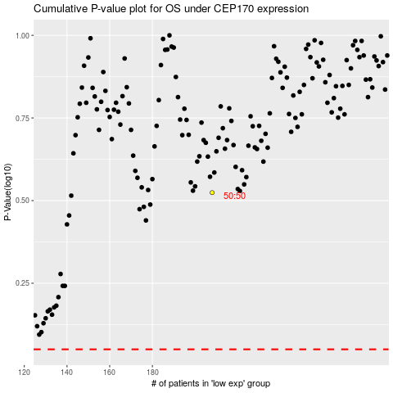

 |  |  |  |  |  | cases_OS | p_OS | rank | exp
 |  |  |  |  |  |  | cases_RFS | p_RFS | rank | exp

