CEP170L _multivariate
Reported by Tex Li-Hsing Chi. tex@gate.sinica.edu.tw 2019-08-21

Table 2. The clinicopathological features of HNSCC cohort and CEP170L expression. (Chi square test)
Cutoff at -0.146 (50.0%)
 |  | CEP170L expression |  | CEP170L expression |  | (Optimised)
 | Features | Low | (%) | High | (%) | Case no | P-value | Remark | Matthews
Gender | Female | 156 | 37.6 | 150 | 36.1 | 415 | 0.5222 | 0 | 0
2 | Male | 51 | 12.3 | 58 | 14
Age at diagnosis | <=65y | 143 | 34.5 | 131 | 31.6 | 415 | 0.2269 | 0 | 0
4 | >65y | 64 | 15.4 | 77 | 18.6
Clinical T Status | T1+T2 | 70 | 16.9 | 79 | 19 | 415 | 0.4343 | 0 | 0
6 | T3+T4 | 137 | 33 | 129 | 31.1
Clinical N Status | N0 | 113 | 27.2 | 103 | 24.8 | 415 | 0.3495 | 1 | 0
8 | N1-3 | 94 | 22.7 | 105 | 25.3
Clinical M Status | M0 | 205 | 49.4 | 207 | 49.9 | 415 | 0.6232 | 0 | 0
10 | M1 | 2 | 0.5 | 1 | 0.2
Clinical Stage | Stage I+II | 46 | 11.1 | 56 | 13.5 | 415 | 0.3182 | 0 | 0
12 | Stage III+IV | 161 | 38.8 | 152 | 36.6
Surgical Margin status | Negative | 163 | 39.3 | 155 | 37.3 | 415 | 0.3537 | 0 | 0
14 | Positive | 44 | 10.6 | 53 | 12.8
Tobacco Exposure | Low | 75 | 18.1 | 86 | 20.7 | 415 | 0.3141 | 0 | 0
16 | High | 132 | 31.8 | 122 | 29.4

Table 3. Univariate/Multivariate Cox's proportional hazards regression analyses on OS time of CEP170L gene expression in HNSCC

 |  | Univariate |  |  |  | Multivariate
 | Features | HR | CI95%(L) | CI95%(H) | P-value | HR | CI95%(L) | CI95%(H) | P-value
1 | Female | 1 |  |  |  | 1
Gender | Male | 1.157 | 0.843 | 1.587 | 0.367 | 1.209 | 0.864 | 1.692 | 0.267
11 | <=65y | 1 |  |  |  | 1
Age at diagnosis | >65y | 1.329 | 0.99 | 1.784 | 0.058 | 1.384 | 1.017 | 1.885 | 0.039
12 | T1+T2 | 1 |  |  |  | 1
Clinical T Status | T3+T4 | 1.409 | 1.028 | 1.931 | 0.033 | 2.196 | 1.161 | 4.153 | 0.016
13 | N0 | 1 |  |  |  | 1
Clinical N Status | N1-3 | 1.185 | 0.89 | 1.577 | 0.246 | 1.231 | 0.86 | 1.761 | 0.256
14 | M0 | 1 |  |  |  | 1
Clinical M Status | M1 | 4.097 | 1.009 | 16.644 | 0.049 | 9.485 | 2.068 | 43.504 | 0.004
15 | Stage I+II | 1 |  |  |  | 1
Clinical Stage | Stage III+IV | 1.245 | 0.882 | 1.759 | 0.213 | 0.511 | 0.237 | 1.1 | 0.086
16 | Negative | 1 |  |  |  | 1
Surgical Margin status | Positive | 1.591 | 1.155 | 2.191 | 0.004 | 1.669 | 1.207 | 2.306 | 0.002
17 | Low | 1 |  |  |  | 1
Tobacco Exposure | High | 1.364 | 1.008 | 1.844 | 0.044 | 1.466 | 1.06 | 2.026 | 0.021
18 | Low | 1 |  |  |  | 1
RNAseq(z-score) | High | 1.035 | 0.778 | 1.379 | 0.812 | 1.058 | 0.788 | 1.42 | 0.708

Table 4. Univariate/Multivariate Cox's proportional hazards regression analyses on RFS time of CEP170L gene expression in HNSCC

 |  | Univariate |  |  |  | Multivariate
 | Features | HR | CI95%(L) | CI95%(H) | P-value | HR | CI95%(L) | CI95%(H) | P-value
1 | Female | 1 |  |  |  | 1
Gender | Male | 1.157 | 0.843 | 1.587 | 0.367 | 1.209 | 0.864 | 1.692 | 0.267
11 | <=65y | 1 |  |  |  | 1
Age at diagnosis | >65y | 1.329 | 0.99 | 1.784 | 0.058 | 1.384 | 1.017 | 1.885 | 0.039
12 | T1+T2 | 1 |  |  |  | 1
Clinical T Status | T3+T4 | 1.409 | 1.028 | 1.931 | 0.033 | 2.196 | 1.161 | 4.153 | 0.016
13 | N0 | 1 |  |  |  | 1
Clinical N Status | N1-3 | 1.185 | 0.89 | 1.577 | 0.246 | 1.231 | 0.86 | 1.761 | 0.256
14 | M0 | 1 |  |  |  | 1
Clinical M Status | M1 | 4.097 | 1.009 | 16.644 | 0.049 | 9.485 | 2.068 | 43.504 | 0.004
15 | Stage I+II | 1 |  |  |  | 1
Clinical Stage | Stage III+IV | 1.245 | 0.882 | 1.759 | 0.213 | 0.511 | 0.237 | 1.1 | 0.086
16 | Negative | 1 |  |  |  | 1
Surgical Margin status | Positive | 1.591 | 1.155 | 2.191 | 0.004 | 1.669 | 1.207 | 2.306 | 0.002
17 | Low | 1 |  |  |  | 1
Tobacco Exposure | High | 1.364 | 1.008 | 1.844 | 0.044 | 1.466 | 1.06 | 2.026 | 0.021
18 | Low | 1 |  |  |  | 1
RNAseq(z-score) | High | 1.035 | 0.778 | 1.379 | 0.812 | 1.058 | 0.788 | 1.42 | 0.708

Kaplan-Meier survival estimate: Cutoff at -0.146 (50.0%)



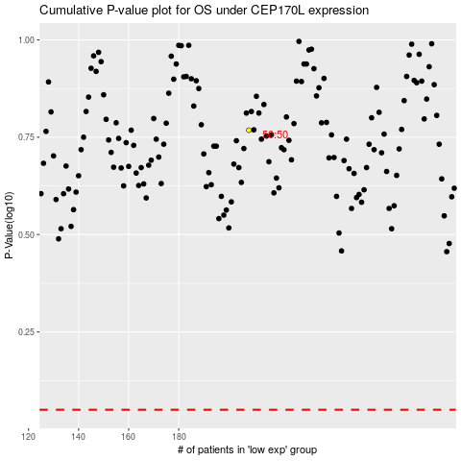

 |  |  |  |  |  | cases_OS | p_OS | rank | exp
 |  |  |  |  |  |  | cases_RFS | p_RFS | rank | exp

