CEP250 _multivariate
Reported by Tex Li-Hsing Chi. tex@gate.sinica.edu.tw 2019-08-21

Table 2. The clinicopathological features of HNSCC cohort and CEP250 expression. (Chi square test)
Cutoff at -0.213 (49.8%)
 |  | CEP250 expression |  | CEP250 expression |  | (Optimised)
 | Features | Low | (%) | High | (%) | Case no | P-value | Remark | Matthews
Gender | Female | 144 | 34.7 | 162 | 39 | 415 | 0.0697 | 0 | 0
2 | Male | 63 | 15.2 | 46 | 11.1
Age at diagnosis | <=65y | 130 | 31.3 | 144 | 34.7 | 415 | 0.2009 | 0 | 0
4 | >65y | 77 | 18.6 | 64 | 15.4
Clinical T Status | T1+T2 | 75 | 18.1 | 74 | 17.8 | 415 | 0.9707 | 0 | 0
6 | T3+T4 | 132 | 31.8 | 134 | 32.3
Clinical N Status | N0 | 113 | 27.2 | 103 | 24.8 | 415 | 0.3495 | 1 | 0
8 | N1-3 | 94 | 22.7 | 105 | 25.3
Clinical M Status | M0 | 206 | 49.6 | 206 | 49.6 | 415 | 1 | 0 | 0
10 | M1 | 1 | 0.2 | 2 | 0.5
Clinical Stage | Stage I+II | 58 | 14 | 44 | 10.6 | 415 | 0.131 | 0 | 0
12 | Stage III+IV | 149 | 35.9 | 164 | 39.5
Surgical Margin status | Negative | 159 | 38.3 | 159 | 38.3 | 415 | 1 | 0 | 0
14 | Positive | 48 | 11.6 | 49 | 11.8
Tobacco Exposure | Low | 87 | 21 | 74 | 17.8 | 415 | 0.1911 | 0 | 0
16 | High | 120 | 28.9 | 134 | 32.3

Table 3. Univariate/Multivariate Cox's proportional hazards regression analyses on OS time of CEP250 gene expression in HNSCC

 |  | Univariate |  |  |  | Multivariate
 | Features | HR | CI95%(L) | CI95%(H) | P-value | HR | CI95%(L) | CI95%(H) | P-value
1 | Female | 1 |  |  |  | 1
Gender | Male | 1.157 | 0.843 | 1.587 | 0.367 | 1.213 | 0.865 | 1.702 | 0.263
11 | <=65y | 1 |  |  |  | 1
Age at diagnosis | >65y | 1.329 | 0.99 | 1.784 | 0.058 | 1.394 | 1.025 | 1.895 | 0.034
12 | T1+T2 | 1 |  |  |  | 1
Clinical T Status | T3+T4 | 1.409 | 1.028 | 1.931 | 0.033 | 2.22 | 1.172 | 4.204 | 0.014
13 | N0 | 1 |  |  |  | 1
Clinical N Status | N1-3 | 1.185 | 0.89 | 1.577 | 0.246 | 1.239 | 0.868 | 1.769 | 0.237
14 | M0 | 1 |  |  |  | 1
Clinical M Status | M1 | 4.097 | 1.009 | 16.644 | 0.049 | 9.472 | 2.065 | 43.443 | 0.004
15 | Stage I+II | 1 |  |  |  | 1
Clinical Stage | Stage III+IV | 1.245 | 0.882 | 1.759 | 0.213 | 0.499 | 0.232 | 1.074 | 0.075
16 | Negative | 1 |  |  |  | 1
Surgical Margin status | Positive | 1.591 | 1.155 | 2.191 | 0.004 | 1.672 | 1.21 | 2.311 | 0.002
17 | Low | 1 |  |  |  | 1
Tobacco Exposure | High | 1.364 | 1.008 | 1.844 | 0.044 | 1.448 | 1.05 | 1.996 | 0.024
18 | Low | 1 |  |  |  | 1
RNAseq(z-score) | High | 1.011 | 0.759 | 1.346 | 0.941 | 1.053 | 0.784 | 1.415 | 0.733

Table 4. Univariate/Multivariate Cox's proportional hazards regression analyses on RFS time of CEP250 gene expression in HNSCC

 |  | Univariate |  |  |  | Multivariate
 | Features | HR | CI95%(L) | CI95%(H) | P-value | HR | CI95%(L) | CI95%(H) | P-value
1 | Female | 1 |  |  |  | 1
Gender | Male | 1.157 | 0.843 | 1.587 | 0.367 | 1.213 | 0.865 | 1.702 | 0.263
11 | <=65y | 1 |  |  |  | 1
Age at diagnosis | >65y | 1.329 | 0.99 | 1.784 | 0.058 | 1.394 | 1.025 | 1.895 | 0.034
12 | T1+T2 | 1 |  |  |  | 1
Clinical T Status | T3+T4 | 1.409 | 1.028 | 1.931 | 0.033 | 2.22 | 1.172 | 4.204 | 0.014
13 | N0 | 1 |  |  |  | 1
Clinical N Status | N1-3 | 1.185 | 0.89 | 1.577 | 0.246 | 1.239 | 0.868 | 1.769 | 0.237
14 | M0 | 1 |  |  |  | 1
Clinical M Status | M1 | 4.097 | 1.009 | 16.644 | 0.049 | 9.472 | 2.065 | 43.443 | 0.004
15 | Stage I+II | 1 |  |  |  | 1
Clinical Stage | Stage III+IV | 1.245 | 0.882 | 1.759 | 0.213 | 0.499 | 0.232 | 1.074 | 0.075
16 | Negative | 1 |  |  |  | 1
Surgical Margin status | Positive | 1.591 | 1.155 | 2.191 | 0.004 | 1.672 | 1.21 | 2.311 | 0.002
17 | Low | 1 |  |  |  | 1
Tobacco Exposure | High | 1.364 | 1.008 | 1.844 | 0.044 | 1.448 | 1.05 | 1.996 | 0.024
18 | Low | 1 |  |  |  | 1
RNAseq(z-score) | High | 1.011 | 0.759 | 1.346 | 0.941 | 1.053 | 0.784 | 1.415 | 0.733

Kaplan-Meier survival estimate: Cutoff at -0.213 (49.8%)



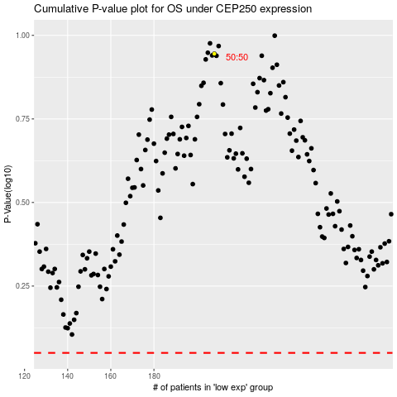

 |  |  |  |  |  | cases_OS | p_OS | rank | exp
 |  |  |  |  |  |  | cases_RFS | p_RFS | rank | exp

