CEP290 _multivariate
Reported by Tex Li-Hsing Chi. tex@gate.sinica.edu.tw 2019-08-21

Table 2. The clinicopathological features of HNSCC cohort and CEP290 expression. (Chi square test)
Cutoff at -0.145 (49.8%)
 |  | CEP290 expression |  | CEP290 expression |  | (Optimised)
 | Features | Low | (%) | High | (%) | Case no | P-value | Remark | Matthews
Gender | Female | 149 | 35.9 | 157 | 37.8 | 415 | 0.4848 | 0 | 0
2 | Male | 58 | 14 | 51 | 12.3
Age at diagnosis | <=65y | 138 | 33.3 | 136 | 32.8 | 415 | 0.8634 | 0 | 0
4 | >65y | 69 | 16.6 | 72 | 17.3
Clinical T Status | T1+T2 | 70 | 16.9 | 79 | 19 | 415 | 0.4343 | 0 | 0
6 | T3+T4 | 137 | 33 | 129 | 31.1
Clinical N Status | N0 | 105 | 25.3 | 111 | 26.7 | 415 | 0.6598 | 0 | 0
8 | N1-3 | 102 | 24.6 | 97 | 23.4
Clinical M Status | M0 | 205 | 49.4 | 207 | 49.9 | 415 | 0.6232 | 0 | 0
10 | M1 | 2 | 0.5 | 1 | 0.2
Clinical Stage | Stage I+II | 48 | 11.6 | 54 | 13 | 415 | 0.5878 | 0 | 0
12 | Stage III+IV | 159 | 38.3 | 154 | 37.1
Surgical Margin status | Negative | 163 | 39.3 | 155 | 37.3 | 415 | 0.3537 | 0 | 0
14 | Positive | 44 | 10.6 | 53 | 12.8
Tobacco Exposure | Low | 89 | 21.4 | 72 | 17.3 | 415 | 0.0872 | 0 | 0
16 | High | 118 | 28.4 | 136 | 32.8

Table 3. Univariate/Multivariate Cox's proportional hazards regression analyses on OS time of CEP290 gene expression in HNSCC

 |  | Univariate |  |  |  | Multivariate
 | Features | HR | CI95%(L) | CI95%(H) | P-value | HR | CI95%(L) | CI95%(H) | P-value
1 | Female | 1 |  |  |  | 1
Gender | Male | 1.157 | 0.843 | 1.587 | 0.367 | 1.186 | 0.847 | 1.659 | 0.321
11 | <=65y | 1 |  |  |  | 1
Age at diagnosis | >65y | 1.329 | 0.99 | 1.784 | 0.058 | 1.395 | 1.027 | 1.896 | 0.033
12 | T1+T2 | 1 |  |  |  | 1
Clinical T Status | T3+T4 | 1.409 | 1.028 | 1.931 | 0.033 | 2.196 | 1.162 | 4.151 | 0.015
13 | N0 | 1 |  |  |  | 1
Clinical N Status | N1-3 | 1.185 | 0.89 | 1.577 | 0.246 | 1.239 | 0.869 | 1.767 | 0.237
14 | M0 | 1 |  |  |  | 1
Clinical M Status | M1 | 4.097 | 1.009 | 16.644 | 0.049 | 9.061 | 1.971 | 41.661 | 0.005
15 | Stage I+II | 1 |  |  |  | 1
Clinical Stage | Stage III+IV | 1.245 | 0.882 | 1.759 | 0.213 | 0.506 | 0.236 | 1.085 | 0.08
16 | Negative | 1 |  |  |  | 1
Surgical Margin status | Positive | 1.591 | 1.155 | 2.191 | 0.004 | 1.674 | 1.212 | 2.313 | 0.002
17 | Low | 1 |  |  |  | 1
Tobacco Exposure | High | 1.364 | 1.008 | 1.844 | 0.044 | 1.468 | 1.064 | 2.024 | 0.019
18 | Low | 1 |  |  |  | 1
RNAseq(z-score) | High | 0.907 | 0.681 | 1.208 | 0.503 | 0.894 | 0.669 | 1.197 | 0.453

Table 4. Univariate/Multivariate Cox's proportional hazards regression analyses on RFS time of CEP290 gene expression in HNSCC

 |  | Univariate |  |  |  | Multivariate
 | Features | HR | CI95%(L) | CI95%(H) | P-value | HR | CI95%(L) | CI95%(H) | P-value
1 | Female | 1 |  |  |  | 1
Gender | Male | 1.157 | 0.843 | 1.587 | 0.367 | 1.186 | 0.847 | 1.659 | 0.321
11 | <=65y | 1 |  |  |  | 1
Age at diagnosis | >65y | 1.329 | 0.99 | 1.784 | 0.058 | 1.395 | 1.027 | 1.896 | 0.033
12 | T1+T2 | 1 |  |  |  | 1
Clinical T Status | T3+T4 | 1.409 | 1.028 | 1.931 | 0.033 | 2.196 | 1.162 | 4.151 | 0.015
13 | N0 | 1 |  |  |  | 1
Clinical N Status | N1-3 | 1.185 | 0.89 | 1.577 | 0.246 | 1.239 | 0.869 | 1.767 | 0.237
14 | M0 | 1 |  |  |  | 1
Clinical M Status | M1 | 4.097 | 1.009 | 16.644 | 0.049 | 9.061 | 1.971 | 41.661 | 0.005
15 | Stage I+II | 1 |  |  |  | 1
Clinical Stage | Stage III+IV | 1.245 | 0.882 | 1.759 | 0.213 | 0.506 | 0.236 | 1.085 | 0.08
16 | Negative | 1 |  |  |  | 1
Surgical Margin status | Positive | 1.591 | 1.155 | 2.191 | 0.004 | 1.674 | 1.212 | 2.313 | 0.002
17 | Low | 1 |  |  |  | 1
Tobacco Exposure | High | 1.364 | 1.008 | 1.844 | 0.044 | 1.468 | 1.064 | 2.024 | 0.019
18 | Low | 1 |  |  |  | 1
RNAseq(z-score) | High | 0.907 | 0.681 | 1.208 | 0.503 | 0.894 | 0.669 | 1.197 | 0.453

Kaplan-Meier survival estimate: Cutoff at -0.145 (49.8%)



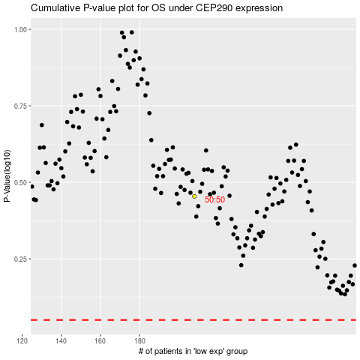

 |  |  |  |  |  | cases_OS | p_OS | rank | exp
 |  |  |  |  |  |  | cases_RFS | p_RFS | rank | exp

