CEP350 _multivariate
Reported by Tex Li-Hsing Chi. tex@gate.sinica.edu.tw 2019-08-21

Table 2. The clinicopathological features of HNSCC cohort and CEP350 expression. (Chi square test)
Cutoff at 0.333 (69.6%)
 |  | CEP350 expression |  | CEP350 expression |  | (Optimised)
 | Features | Low | (%) | High | (%) | Case no | P-value | Remark | Matthews
Gender | Female | 212 | 51.1 | 94 | 22.7 | 415 | 0.8854 | 0 | 0
2 | Male | 77 | 18.6 | 32 | 7.7
Age at diagnosis | <=65y | 186 | 44.8 | 88 | 21.2 | 415 | 0.3314 | 0 | 0
4 | >65y | 103 | 24.8 | 38 | 9.2
Clinical T Status | T1+T2 | 104 | 25.1 | 45 | 10.8 | 415 | 1 | 0 | 0
6 | T3+T4 | 185 | 44.6 | 81 | 19.5
Clinical N Status | N0 | 155 | 37.3 | 61 | 14.7 | 415 | 0.3832 | 0 | 0
8 | N1-3 | 134 | 32.3 | 65 | 15.7
Clinical M Status | M0 | 286 | 68.9 | 126 | 30.4 | 415 | 0.5566 | 0 | 0
10 | M1 | 3 | 0.7 | 0 | 0
Clinical Stage | Stage I+II | 76 | 18.3 | 26 | 6.3 | 415 | 0.2679 | 0 | 0
12 | Stage III+IV | 213 | 51.3 | 100 | 24.1
Surgical Margin status | Negative | 220 | 53 | 98 | 23.6 | 415 | 0.8011 | 0 | 0
14 | Positive | 69 | 16.6 | 28 | 6.7
Tobacco Exposure | Low | 119 | 28.7 | 42 | 10.1 | 415 | 0.1544 | 0 | 0
16 | High | 170 | 41 | 84 | 20.2

Table 3. Univariate/Multivariate Cox's proportional hazards regression analyses on OS time of CEP350 gene expression in HNSCC

 |  | Univariate |  |  |  | Multivariate
 | Features | HR | CI95%(L) | CI95%(H) | P-value | HR | CI95%(L) | CI95%(H) | P-value
1 | Female | 1 |  |  |  | 1
Gender | Male | 1.157 | 0.843 | 1.587 | 0.367 | 1.169 | 0.835 | 1.638 | 0.364
11 | <=65y | 1 |  |  |  | 1
Age at diagnosis | >65y | 1.329 | 0.99 | 1.784 | 0.058 | 1.366 | 1.004 | 1.857 | 0.047
12 | T1+T2 | 1 |  |  |  | 1
Clinical T Status | T3+T4 | 1.409 | 1.028 | 1.931 | 0.033 | 2.137 | 1.129 | 4.045 | 0.02
13 | N0 | 1 |  |  |  | 1
Clinical N Status | N1-3 | 1.185 | 0.89 | 1.577 | 0.246 | 1.247 | 0.874 | 1.777 | 0.223
14 | M0 | 1 |  |  |  | 1
Clinical M Status | M1 | 4.097 | 1.009 | 16.644 | 0.049 | 8.3 | 1.802 | 38.231 | 0.007
15 | Stage I+II | 1 |  |  |  | 1
Clinical Stage | Stage III+IV | 1.245 | 0.882 | 1.759 | 0.213 | 0.526 | 0.245 | 1.13 | 0.1
16 | Negative | 1 |  |  |  | 1
Surgical Margin status | Positive | 1.591 | 1.155 | 2.191 | 0.004 | 1.684 | 1.219 | 2.327 | 0.002
17 | Low | 1 |  |  |  | 1
Tobacco Exposure | High | 1.364 | 1.008 | 1.844 | 0.044 | 1.447 | 1.05 | 1.995 | 0.024
18 | Low | 1 |  |  |  | 1
RNAseq(z-score) | High | 0.72 | 0.52 | 0.996 | 0.047 | 0.742 | 0.534 | 1.03 | 0.075

Table 4. Univariate/Multivariate Cox's proportional hazards regression analyses on RFS time of CEP350 gene expression in HNSCC

 |  | Univariate |  |  |  | Multivariate
 | Features | HR | CI95%(L) | CI95%(H) | P-value | HR | CI95%(L) | CI95%(H) | P-value
1 | Female | 1 |  |  |  | 1
Gender | Male | 1.157 | 0.843 | 1.587 | 0.367 | 1.169 | 0.835 | 1.638 | 0.364
11 | <=65y | 1 |  |  |  | 1
Age at diagnosis | >65y | 1.329 | 0.99 | 1.784 | 0.058 | 1.366 | 1.004 | 1.857 | 0.047
12 | T1+T2 | 1 |  |  |  | 1
Clinical T Status | T3+T4 | 1.409 | 1.028 | 1.931 | 0.033 | 2.137 | 1.129 | 4.045 | 0.02
13 | N0 | 1 |  |  |  | 1
Clinical N Status | N1-3 | 1.185 | 0.89 | 1.577 | 0.246 | 1.247 | 0.874 | 1.777 | 0.223
14 | M0 | 1 |  |  |  | 1
Clinical M Status | M1 | 4.097 | 1.009 | 16.644 | 0.049 | 8.3 | 1.802 | 38.231 | 0.007
15 | Stage I+II | 1 |  |  |  | 1
Clinical Stage | Stage III+IV | 1.245 | 0.882 | 1.759 | 0.213 | 0.526 | 0.245 | 1.13 | 0.1
16 | Negative | 1 |  |  |  | 1
Surgical Margin status | Positive | 1.591 | 1.155 | 2.191 | 0.004 | 1.684 | 1.219 | 2.327 | 0.002
17 | Low | 1 |  |  |  | 1
Tobacco Exposure | High | 1.364 | 1.008 | 1.844 | 0.044 | 1.447 | 1.05 | 1.995 | 0.024
18 | Low | 1 |  |  |  | 1
RNAseq(z-score) | High | 0.72 | 0.52 | 0.996 | 0.047 | 0.742 | 0.534 | 1.03 | 0.075

Kaplan-Meier survival estimate: Cutoff at 0.333 (69.6%)



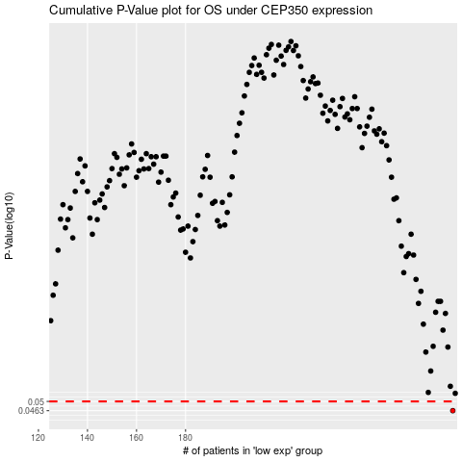

 |  |  |  |  |  | cases_OS | p_OS | rank | exp
 |  |  |  |  |  | 289 | 0.0463 | 171 | 0.33276218168
 |  |  |  |  |  |  | cases_RFS | p_RFS | rank | exp
 |  |  |  |  |  |  | 288 | 0.0463 | 56 | 0.3281503488

