CEP63 _multivariate
Reported by Tex Li-Hsing Chi. tex@gate.sinica.edu.tw 2019-08-21

Table 2. The clinicopathological features of HNSCC cohort and CEP63 expression. (Chi square test)
Cutoff at -0.325 (49.8%)
 |  | CEP63 expression |  | CEP63 expression |  | (Optimised)
 | Features | Low | (%) | High | (%) | Case no | P-value | Remark | Matthews
Gender | Female | 145 | 34.9 | 161 | 38.8 | 415 | 0.1116 | 0 | 0
2 | Male | 62 | 14.9 | 47 | 11.3
Age at diagnosis | <=65y | 128 | 30.8 | 146 | 35.2 | 415 | 0.0904 | 0 | 0
4 | >65y | 79 | 19 | 62 | 14.9
Clinical T Status | T1+T2 | 67 | 16.1 | 82 | 19.8 | 415 | 0.1628 | 0 | 0
6 | T3+T4 | 140 | 33.7 | 126 | 30.4
Clinical N Status | N0 | 109 | 26.3 | 107 | 25.8 | 415 | 0.8812 | 0 | 0
8 | N1-3 | 98 | 23.6 | 101 | 24.3
Clinical M Status | M0 | 205 | 49.4 | 207 | 49.9 | 415 | 0.6232 | 0 | 0
10 | M1 | 2 | 0.5 | 1 | 0.2
Clinical Stage | Stage I+II | 53 | 12.8 | 49 | 11.8 | 415 | 0.7113 | 0 | 0
12 | Stage III+IV | 154 | 37.1 | 159 | 38.3
Surgical Margin status | Negative | 169 | 40.7 | 149 | 35.9 | 415 | 0.0201 | 1 | 0
14 | Positive | 38 | 9.2 | 59 | 14.2
Tobacco Exposure | Low | 84 | 20.2 | 77 | 18.6 | 415 | 0.4816 | 0 | 0
16 | High | 123 | 29.6 | 131 | 31.6

Table 3. Univariate/Multivariate Cox's proportional hazards regression analyses on OS time of CEP63 gene expression in HNSCC

 |  | Univariate |  |  |  | Multivariate
 | Features | HR | CI95%(L) | CI95%(H) | P-value | HR | CI95%(L) | CI95%(H) | P-value
1 | Female | 1 |  |  |  | 1
Gender | Male | 1.157 | 0.843 | 1.587 | 0.367 | 1.212 | 0.865 | 1.7 | 0.264
11 | <=65y | 1 |  |  |  | 1
Age at diagnosis | >65y | 1.329 | 0.99 | 1.784 | 0.058 | 1.391 | 1.023 | 1.89 | 0.035
12 | T1+T2 | 1 |  |  |  | 1
Clinical T Status | T3+T4 | 1.409 | 1.028 | 1.931 | 0.033 | 2.224 | 1.173 | 4.214 | 0.014
13 | N0 | 1 |  |  |  | 1
Clinical N Status | N1-3 | 1.185 | 0.89 | 1.577 | 0.246 | 1.242 | 0.871 | 1.773 | 0.231
14 | M0 | 1 |  |  |  | 1
Clinical M Status | M1 | 4.097 | 1.009 | 16.644 | 0.049 | 9.644 | 2.09 | 44.504 | 0.004
15 | Stage I+II | 1 |  |  |  | 1
Clinical Stage | Stage III+IV | 1.245 | 0.882 | 1.759 | 0.213 | 0.5 | 0.233 | 1.076 | 0.076
16 | Negative | 1 |  |  |  | 1
Surgical Margin status | Positive | 1.591 | 1.155 | 2.191 | 0.004 | 1.659 | 1.197 | 2.299 | 0.002
17 | Low | 1 |  |  |  | 1
Tobacco Exposure | High | 1.364 | 1.008 | 1.844 | 0.044 | 1.45 | 1.052 | 1.998 | 0.023
18 | Low | 1 |  |  |  | 1
RNAseq(z-score) | High | 1.024 | 0.768 | 1.364 | 0.873 | 1.053 | 0.782 | 1.418 | 0.733

Table 4. Univariate/Multivariate Cox's proportional hazards regression analyses on RFS time of CEP63 gene expression in HNSCC

 |  | Univariate |  |  |  | Multivariate
 | Features | HR | CI95%(L) | CI95%(H) | P-value | HR | CI95%(L) | CI95%(H) | P-value
1 | Female | 1 |  |  |  | 1
Gender | Male | 1.157 | 0.843 | 1.587 | 0.367 | 1.212 | 0.865 | 1.7 | 0.264
11 | <=65y | 1 |  |  |  | 1
Age at diagnosis | >65y | 1.329 | 0.99 | 1.784 | 0.058 | 1.391 | 1.023 | 1.89 | 0.035
12 | T1+T2 | 1 |  |  |  | 1
Clinical T Status | T3+T4 | 1.409 | 1.028 | 1.931 | 0.033 | 2.224 | 1.173 | 4.214 | 0.014
13 | N0 | 1 |  |  |  | 1
Clinical N Status | N1-3 | 1.185 | 0.89 | 1.577 | 0.246 | 1.242 | 0.871 | 1.773 | 0.231
14 | M0 | 1 |  |  |  | 1
Clinical M Status | M1 | 4.097 | 1.009 | 16.644 | 0.049 | 9.644 | 2.09 | 44.504 | 0.004
15 | Stage I+II | 1 |  |  |  | 1
Clinical Stage | Stage III+IV | 1.245 | 0.882 | 1.759 | 0.213 | 0.5 | 0.233 | 1.076 | 0.076
16 | Negative | 1 |  |  |  | 1
Surgical Margin status | Positive | 1.591 | 1.155 | 2.191 | 0.004 | 1.659 | 1.197 | 2.299 | 0.002
17 | Low | 1 |  |  |  | 1
Tobacco Exposure | High | 1.364 | 1.008 | 1.844 | 0.044 | 1.45 | 1.052 | 1.998 | 0.023
18 | Low | 1 |  |  |  | 1
RNAseq(z-score) | High | 1.024 | 0.768 | 1.364 | 0.873 | 1.053 | 0.782 | 1.418 | 0.733

Kaplan-Meier survival estimate: Cutoff at -0.325 (49.8%)



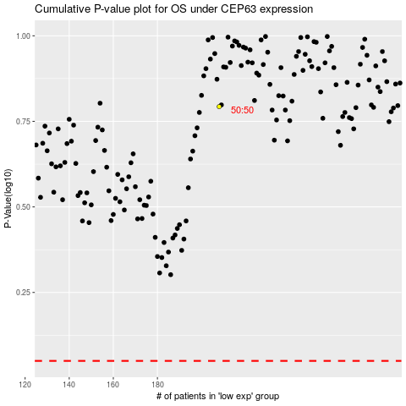

 |  |  |  |  |  | cases_OS | p_OS | rank | exp
 |  |  |  |  |  |  | cases_RFS | p_RFS | rank | exp

