CEP68 _multivariate
Reported by Tex Li-Hsing Chi. tex@gate.sinica.edu.tw 2019-08-21

Table 2. The clinicopathological features of HNSCC cohort and CEP68 expression. (Chi square test)
Cutoff at -0.529 (37.0%)
 |  | CEP68 expression |  | CEP68 expression |  | (Optimised)
 | Features | Low | (%) | High | (%) | Case no | P-value | Remark | Matthews
Gender | Female | 107 | 25.8 | 199 | 48 | 415 | 0.1623 | 0 | 0
2 | Male | 47 | 11.3 | 62 | 14.9
Age at diagnosis | <=65y | 93 | 22.4 | 181 | 43.6 | 415 | 0.0794 | 0 | 0
4 | >65y | 61 | 14.7 | 80 | 19.3
Clinical T Status | T1+T2 | 55 | 13.3 | 94 | 22.7 | 415 | 1 | 0 | 0
6 | T3+T4 | 99 | 23.9 | 167 | 40.2
Clinical N Status | N0 | 79 | 19 | 137 | 33 | 415 | 0.8941 | 0 | 0
8 | N1-3 | 75 | 18.1 | 124 | 29.9
Clinical M Status | M0 | 152 | 36.6 | 260 | 62.7 | 415 | 0.5582 | 0 | 0
10 | M1 | 2 | 0.5 | 1 | 0.2
Clinical Stage | Stage I+II | 40 | 9.6 | 62 | 14.9 | 415 | 0.6971 | 0 | 0
12 | Stage III+IV | 114 | 27.5 | 199 | 48
Surgical Margin status | Negative | 111 | 26.7 | 207 | 49.9 | 415 | 0.0947 | 0 | 0
14 | Positive | 43 | 10.4 | 54 | 13
Tobacco Exposure | Low | 75 | 18.1 | 86 | 20.7 | 415 | 0.0017 | 1 | 0
16 | High | 79 | 19 | 175 | 42.2

Table 3. Univariate/Multivariate Cox's proportional hazards regression analyses on OS time of CEP68 gene expression in HNSCC

 |  | Univariate |  |  |  | Multivariate
 | Features | HR | CI95%(L) | CI95%(H) | P-value | HR | CI95%(L) | CI95%(H) | P-value
1 | Female | 1 |  |  |  | 1
Gender | Male | 1.157 | 0.843 | 1.587 | 0.367 | 1.171 | 0.836 | 1.64 | 0.359
11 | <=65y | 1 |  |  |  | 1
Age at diagnosis | >65y | 1.329 | 0.99 | 1.784 | 0.058 | 1.354 | 0.995 | 1.842 | 0.054
12 | T1+T2 | 1 |  |  |  | 1
Clinical T Status | T3+T4 | 1.409 | 1.028 | 1.931 | 0.033 | 2.162 | 1.143 | 4.09 | 0.018
13 | N0 | 1 |  |  |  | 1
Clinical N Status | N1-3 | 1.185 | 0.89 | 1.577 | 0.246 | 1.223 | 0.858 | 1.745 | 0.265
14 | M0 | 1 |  |  |  | 1
Clinical M Status | M1 | 4.097 | 1.009 | 16.644 | 0.049 | 8.618 | 1.874 | 39.638 | 0.006
15 | Stage I+II | 1 |  |  |  | 1
Clinical Stage | Stage III+IV | 1.245 | 0.882 | 1.759 | 0.213 | 0.529 | 0.246 | 1.138 | 0.103
16 | Negative | 1 |  |  |  | 1
Surgical Margin status | Positive | 1.591 | 1.155 | 2.191 | 0.004 | 1.634 | 1.181 | 2.259 | 0.003
17 | Low | 1 |  |  |  | 1
Tobacco Exposure | High | 1.364 | 1.008 | 1.844 | 0.044 | 1.509 | 1.091 | 2.088 | 0.013
18 | Low | 1 |  |  |  | 1
RNAseq(z-score) | High | 0.745 | 0.556 | 0.998 | 0.048 | 0.765 | 0.564 | 1.039 | 0.086

Table 4. Univariate/Multivariate Cox's proportional hazards regression analyses on RFS time of CEP68 gene expression in HNSCC

 |  | Univariate |  |  |  | Multivariate
 | Features | HR | CI95%(L) | CI95%(H) | P-value | HR | CI95%(L) | CI95%(H) | P-value
1 | Female | 1 |  |  |  | 1
Gender | Male | 1.157 | 0.843 | 1.587 | 0.367 | 1.171 | 0.836 | 1.64 | 0.359
11 | <=65y | 1 |  |  |  | 1
Age at diagnosis | >65y | 1.329 | 0.99 | 1.784 | 0.058 | 1.354 | 0.995 | 1.842 | 0.054
12 | T1+T2 | 1 |  |  |  | 1
Clinical T Status | T3+T4 | 1.409 | 1.028 | 1.931 | 0.033 | 2.162 | 1.143 | 4.09 | 0.018
13 | N0 | 1 |  |  |  | 1
Clinical N Status | N1-3 | 1.185 | 0.89 | 1.577 | 0.246 | 1.223 | 0.858 | 1.745 | 0.265
14 | M0 | 1 |  |  |  | 1
Clinical M Status | M1 | 4.097 | 1.009 | 16.644 | 0.049 | 8.618 | 1.874 | 39.638 | 0.006
15 | Stage I+II | 1 |  |  |  | 1
Clinical Stage | Stage III+IV | 1.245 | 0.882 | 1.759 | 0.213 | 0.529 | 0.246 | 1.138 | 0.103
16 | Negative | 1 |  |  |  | 1
Surgical Margin status | Positive | 1.591 | 1.155 | 2.191 | 0.004 | 1.634 | 1.181 | 2.259 | 0.003
17 | Low | 1 |  |  |  | 1
Tobacco Exposure | High | 1.364 | 1.008 | 1.844 | 0.044 | 1.509 | 1.091 | 2.088 | 0.013
18 | Low | 1 |  |  |  | 1
RNAseq(z-score) | High | 0.745 | 0.556 | 0.998 | 0.048 | 0.765 | 0.564 | 1.039 | 0.086

Kaplan-Meier survival estimate: Cutoff at -0.529 (37.0%)



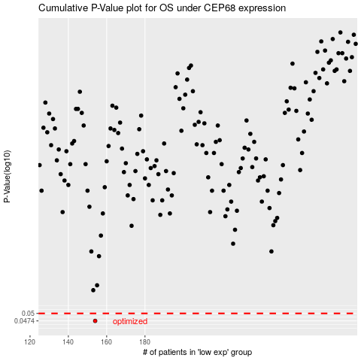

 |  |  |  |  |  | cases_OS | p_OS | rank | exp
 |  |  |  |  |  | 154 | 0.0474 | 44 | -0.52911497008
 |  |  |  |  |  |  | cases_RFS | p_RFS | rank | exp
 |  |  |  |  |  |  | 153 | 0.0474 | 161 | -0.53278608965

