CEP70 _multivariate
Reported by Tex Li-Hsing Chi. tex@gate.sinica.edu.tw 2019-08-21

Table 2. The clinicopathological features of HNSCC cohort and CEP70 expression. (Chi square test)
Cutoff at -0.256 (49.8%)
 |  | CEP70 expression |  | CEP70 expression |  | (Optimised)
 | Features | Low | (%) | High | (%) | Case no | P-value | Remark | Matthews
Gender | Female | 138 | 33.3 | 168 | 40.5 | 415 | 0.0016 | 1 | 0
2 | Male | 69 | 16.6 | 40 | 9.6
Age at diagnosis | <=65y | 133 | 32 | 141 | 34 | 415 | 0.5111 | 0 | 0
4 | >65y | 74 | 17.8 | 67 | 16.1
Clinical T Status | T1+T2 | 83 | 20 | 66 | 15.9 | 415 | 0.0941 | 0 | 0
6 | T3+T4 | 124 | 29.9 | 142 | 34.2
Clinical N Status | N0 | 111 | 26.7 | 105 | 25.3 | 415 | 0.5875 | 0 | 0
8 | N1-3 | 96 | 23.1 | 103 | 24.8
Clinical M Status | M0 | 204 | 49.2 | 208 | 50.1 | 415 | 0.1232 | 0 | 0
10 | M1 | 3 | 0.7 | 0 | 0
Clinical Stage | Stage I+II | 62 | 14.9 | 40 | 9.6 | 415 | 0.0154 | 1 | 0
12 | Stage III+IV | 145 | 34.9 | 168 | 40.5
Surgical Margin status | Negative | 163 | 39.3 | 155 | 37.3 | 415 | 0.3537 | 0 | 0
14 | Positive | 44 | 10.6 | 53 | 12.8
Tobacco Exposure | Low | 99 | 23.9 | 62 | 14.9 | 415 | 2e-04 | 1 | 0
16 | High | 108 | 26 | 146 | 35.2

Table 3. Univariate/Multivariate Cox's proportional hazards regression analyses on OS time of CEP70 gene expression in HNSCC

 |  | Univariate |  |  |  | Multivariate
 | Features | HR | CI95%(L) | CI95%(H) | P-value | HR | CI95%(L) | CI95%(H) | P-value
1 | Female | 1 |  |  |  | 1
Gender | Male | 1.157 | 0.843 | 1.587 | 0.367 | 1.215 | 0.868 | 1.699 | 0.256
11 | <=65y | 1 |  |  |  | 1
Age at diagnosis | >65y | 1.329 | 0.99 | 1.784 | 0.058 | 1.384 | 1.018 | 1.882 | 0.038
12 | T1+T2 | 1 |  |  |  | 1
Clinical T Status | T3+T4 | 1.409 | 1.028 | 1.931 | 0.033 | 2.235 | 1.18 | 4.236 | 0.014
13 | N0 | 1 |  |  |  | 1
Clinical N Status | N1-3 | 1.185 | 0.89 | 1.577 | 0.246 | 1.246 | 0.873 | 1.778 | 0.226
14 | M0 | 1 |  |  |  | 1
Clinical M Status | M1 | 4.097 | 1.009 | 16.644 | 0.049 | 10.046 | 2.159 | 46.751 | 0.003
15 | Stage I+II | 1 |  |  |  | 1
Clinical Stage | Stage III+IV | 1.245 | 0.882 | 1.759 | 0.213 | 0.49 | 0.227 | 1.058 | 0.069
16 | Negative | 1 |  |  |  | 1
Surgical Margin status | Positive | 1.591 | 1.155 | 2.191 | 0.004 | 1.671 | 1.209 | 2.31 | 0.002
17 | Low | 1 |  |  |  | 1
Tobacco Exposure | High | 1.364 | 1.008 | 1.844 | 0.044 | 1.424 | 1.028 | 1.973 | 0.034
18 | Low | 1 |  |  |  | 1
RNAseq(z-score) | High | 1.117 | 0.838 | 1.488 | 0.45 | 1.1 | 0.812 | 1.49 | 0.539

Table 4. Univariate/Multivariate Cox's proportional hazards regression analyses on RFS time of CEP70 gene expression in HNSCC

 |  | Univariate |  |  |  | Multivariate
 | Features | HR | CI95%(L) | CI95%(H) | P-value | HR | CI95%(L) | CI95%(H) | P-value
1 | Female | 1 |  |  |  | 1
Gender | Male | 1.157 | 0.843 | 1.587 | 0.367 | 1.215 | 0.868 | 1.699 | 0.256
11 | <=65y | 1 |  |  |  | 1
Age at diagnosis | >65y | 1.329 | 0.99 | 1.784 | 0.058 | 1.384 | 1.018 | 1.882 | 0.038
12 | T1+T2 | 1 |  |  |  | 1
Clinical T Status | T3+T4 | 1.409 | 1.028 | 1.931 | 0.033 | 2.235 | 1.18 | 4.236 | 0.014
13 | N0 | 1 |  |  |  | 1
Clinical N Status | N1-3 | 1.185 | 0.89 | 1.577 | 0.246 | 1.246 | 0.873 | 1.778 | 0.226
14 | M0 | 1 |  |  |  | 1
Clinical M Status | M1 | 4.097 | 1.009 | 16.644 | 0.049 | 10.046 | 2.159 | 46.751 | 0.003
15 | Stage I+II | 1 |  |  |  | 1
Clinical Stage | Stage III+IV | 1.245 | 0.882 | 1.759 | 0.213 | 0.49 | 0.227 | 1.058 | 0.069
16 | Negative | 1 |  |  |  | 1
Surgical Margin status | Positive | 1.591 | 1.155 | 2.191 | 0.004 | 1.671 | 1.209 | 2.31 | 0.002
17 | Low | 1 |  |  |  | 1
Tobacco Exposure | High | 1.364 | 1.008 | 1.844 | 0.044 | 1.424 | 1.028 | 1.973 | 0.034
18 | Low | 1 |  |  |  | 1
RNAseq(z-score) | High | 1.117 | 0.838 | 1.488 | 0.45 | 1.1 | 0.812 | 1.49 | 0.539

Kaplan-Meier survival estimate: Cutoff at -0.256 (49.8%)



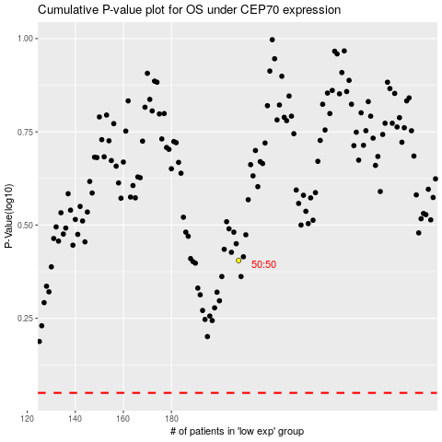

 |  |  |  |  |  | cases_OS | p_OS | rank | exp
 |  |  |  |  |  |  | cases_RFS | p_RFS | rank | exp

