CEP76 _multivariate
Reported by Tex Li-Hsing Chi. tex@gate.sinica.edu.tw 2019-08-21

Table 2. The clinicopathological features of HNSCC cohort and CEP76 expression. (Chi square test)
Cutoff at -0.226 (49.8%)
 |  | CEP76 expression |  | CEP76 expression |  | (Optimised)
 | Features | Low | (%) | High | (%) | Case no | P-value | Remark | Matthews
Gender | Female | 141 | 34 | 165 | 39.8 | 415 | 0.013 | 1 | 0
2 | Male | 66 | 15.9 | 43 | 10.4
Age at diagnosis | <=65y | 132 | 31.8 | 142 | 34.2 | 415 | 0.3874 | 0 | 0
4 | >65y | 75 | 18.1 | 66 | 15.9
Clinical T Status | T1+T2 | 79 | 19 | 70 | 16.9 | 415 | 0.3924 | 0 | 0
6 | T3+T4 | 128 | 30.8 | 138 | 33.3
Clinical N Status | N0 | 113 | 27.2 | 103 | 24.8 | 415 | 0.3495 | 1 | 0
8 | N1-3 | 94 | 22.7 | 105 | 25.3
Clinical M Status | M0 | 205 | 49.4 | 207 | 49.9 | 415 | 0.6232 | 0 | 0
10 | M1 | 2 | 0.5 | 1 | 0.2
Clinical Stage | Stage I+II | 57 | 13.7 | 45 | 10.8 | 415 | 0.1998 | 0 | 0
12 | Stage III+IV | 150 | 36.1 | 163 | 39.3
Surgical Margin status | Negative | 161 | 38.8 | 157 | 37.8 | 415 | 0.6429 | 0 | 0
14 | Positive | 46 | 11.1 | 51 | 12.3
Tobacco Exposure | Low | 93 | 22.4 | 68 | 16.4 | 415 | 0.0118 | 1 | 0
16 | High | 114 | 27.5 | 140 | 33.7

Table 3. Univariate/Multivariate Cox's proportional hazards regression analyses on OS time of CEP76 gene expression in HNSCC

 |  | Univariate |  |  |  | Multivariate
 | Features | HR | CI95%(L) | CI95%(H) | P-value | HR | CI95%(L) | CI95%(H) | P-value
1 | Female | 1 |  |  |  | 1
Gender | Male | 1.157 | 0.843 | 1.587 | 0.367 | 1.181 | 0.843 | 1.655 | 0.332
11 | <=65y | 1 |  |  |  | 1
Age at diagnosis | >65y | 1.329 | 0.99 | 1.784 | 0.058 | 1.396 | 1.027 | 1.897 | 0.033
12 | T1+T2 | 1 |  |  |  | 1
Clinical T Status | T3+T4 | 1.409 | 1.028 | 1.931 | 0.033 | 2.165 | 1.145 | 4.096 | 0.018
13 | N0 | 1 |  |  |  | 1
Clinical N Status | N1-3 | 1.185 | 0.89 | 1.577 | 0.246 | 1.232 | 0.864 | 1.757 | 0.249
14 | M0 | 1 |  |  |  | 1
Clinical M Status | M1 | 4.097 | 1.009 | 16.644 | 0.049 | 9.052 | 1.971 | 41.566 | 0.005
15 | Stage I+II | 1 |  |  |  | 1
Clinical Stage | Stage III+IV | 1.245 | 0.882 | 1.759 | 0.213 | 0.523 | 0.243 | 1.125 | 0.097
16 | Negative | 1 |  |  |  | 1
Surgical Margin status | Positive | 1.591 | 1.155 | 2.191 | 0.004 | 1.659 | 1.201 | 2.292 | 0.002
17 | Low | 1 |  |  |  | 1
Tobacco Exposure | High | 1.364 | 1.008 | 1.844 | 0.044 | 1.478 | 1.07 | 2.041 | 0.018
18 | Low | 1 |  |  |  | 1
RNAseq(z-score) | High | 0.864 | 0.648 | 1.151 | 0.318 | 0.868 | 0.647 | 1.164 | 0.344

Table 4. Univariate/Multivariate Cox's proportional hazards regression analyses on RFS time of CEP76 gene expression in HNSCC

 |  | Univariate |  |  |  | Multivariate
 | Features | HR | CI95%(L) | CI95%(H) | P-value | HR | CI95%(L) | CI95%(H) | P-value
1 | Female | 1 |  |  |  | 1
Gender | Male | 1.157 | 0.843 | 1.587 | 0.367 | 1.181 | 0.843 | 1.655 | 0.332
11 | <=65y | 1 |  |  |  | 1
Age at diagnosis | >65y | 1.329 | 0.99 | 1.784 | 0.058 | 1.396 | 1.027 | 1.897 | 0.033
12 | T1+T2 | 1 |  |  |  | 1
Clinical T Status | T3+T4 | 1.409 | 1.028 | 1.931 | 0.033 | 2.165 | 1.145 | 4.096 | 0.018
13 | N0 | 1 |  |  |  | 1
Clinical N Status | N1-3 | 1.185 | 0.89 | 1.577 | 0.246 | 1.232 | 0.864 | 1.757 | 0.249
14 | M0 | 1 |  |  |  | 1
Clinical M Status | M1 | 4.097 | 1.009 | 16.644 | 0.049 | 9.052 | 1.971 | 41.566 | 0.005
15 | Stage I+II | 1 |  |  |  | 1
Clinical Stage | Stage III+IV | 1.245 | 0.882 | 1.759 | 0.213 | 0.523 | 0.243 | 1.125 | 0.097
16 | Negative | 1 |  |  |  | 1
Surgical Margin status | Positive | 1.591 | 1.155 | 2.191 | 0.004 | 1.659 | 1.201 | 2.292 | 0.002
17 | Low | 1 |  |  |  | 1
Tobacco Exposure | High | 1.364 | 1.008 | 1.844 | 0.044 | 1.478 | 1.07 | 2.041 | 0.018
18 | Low | 1 |  |  |  | 1
RNAseq(z-score) | High | 0.864 | 0.648 | 1.151 | 0.318 | 0.868 | 0.647 | 1.164 | 0.344

Kaplan-Meier survival estimate: Cutoff at -0.226 (49.8%)



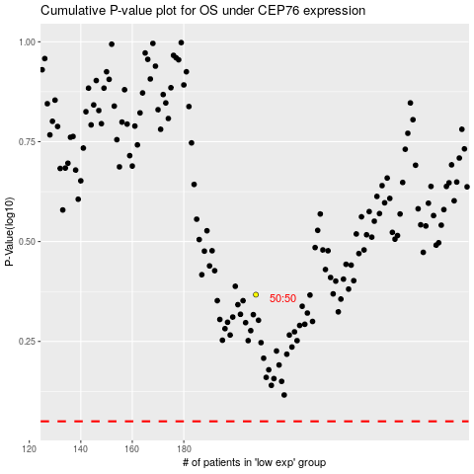

 |  |  |  |  |  | cases_OS | p_OS | rank | exp
 |  |  |  |  |  |  | cases_RFS | p_RFS | rank | exp

