CERCAM _multivariate
Reported by Tex Li-Hsing Chi. tex@gate.sinica.edu.tw 2019-08-21

Table 2. The clinicopathological features of HNSCC cohort and CERCAM expression. (Chi square test)
Cutoff at -0.357 (33.8%)
 |  | CERCAM expression |  | CERCAM expression |  | (Optimised)
 | Features | Low | (%) | High | (%) | Case no | P-value | Remark | Matthews
Gender | Female | 105 | 25.3 | 201 | 48.4 | 415 | 0.7643 | 0 | 0
2 | Male | 35 | 8.4 | 74 | 17.8
Age at diagnosis | <=65y | 97 | 23.4 | 177 | 42.7 | 415 | 0.3727 | 0 | 0
4 | >65y | 43 | 10.4 | 98 | 23.6
Clinical T Status | T1+T2 | 56 | 13.5 | 93 | 22.4 | 415 | 0.2572 | 0 | 0
6 | T3+T4 | 84 | 20.2 | 182 | 43.9
Clinical N Status | N0 | 71 | 17.1 | 145 | 34.9 | 415 | 0.7763 | 0 | 0
8 | N1-3 | 69 | 16.6 | 130 | 31.3
Clinical M Status | M0 | 139 | 33.5 | 273 | 65.8 | 415 | 1 | 0 | 0
10 | M1 | 1 | 0.2 | 2 | 0.5
Clinical Stage | Stage I+II | 31 | 7.5 | 71 | 17.1 | 415 | 0.4829 | 0 | 0
12 | Stage III+IV | 109 | 26.3 | 204 | 49.2
Surgical Margin status | Negative | 108 | 26 | 210 | 50.6 | 415 | 0.9028 | 0 | 0
14 | Positive | 32 | 7.7 | 65 | 15.7
Tobacco Exposure | Low | 65 | 15.7 | 96 | 23.1 | 415 | 0.0254 | 1 | 0
16 | High | 75 | 18.1 | 179 | 43.1

Table 3. Univariate/Multivariate Cox's proportional hazards regression analyses on OS time of CERCAM gene expression in HNSCC

 |  | Univariate |  |  |  | Multivariate
 | Features | HR | CI95%(L) | CI95%(H) | P-value | HR | CI95%(L) | CI95%(H) | P-value
1 | Female | 1 |  |  |  | 1
Gender | Male | 1.157 | 0.843 | 1.587 | 0.367 | 1.173 | 0.839 | 1.639 | 0.351
11 | <=65y | 1 |  |  |  | 1
Age at diagnosis | >65y | 1.329 | 0.99 | 1.784 | 0.058 | 1.397 | 1.027 | 1.899 | 0.033
12 | T1+T2 | 1 |  |  |  | 1
Clinical T Status | T3+T4 | 1.409 | 1.028 | 1.931 | 0.033 | 2.069 | 1.092 | 3.917 | 0.026
13 | N0 | 1 |  |  |  | 1
Clinical N Status | N1-3 | 1.185 | 0.89 | 1.577 | 0.246 | 1.25 | 0.876 | 1.784 | 0.218
14 | M0 | 1 |  |  |  | 1
Clinical M Status | M1 | 4.097 | 1.009 | 16.644 | 0.049 | 8.32 | 1.808 | 38.278 | 0.007
15 | Stage I+II | 1 |  |  |  | 1
Clinical Stage | Stage III+IV | 1.245 | 0.882 | 1.759 | 0.213 | 0.555 | 0.257 | 1.199 | 0.134
16 | Negative | 1 |  |  |  | 1
Surgical Margin status | Positive | 1.591 | 1.155 | 2.191 | 0.004 | 1.656 | 1.199 | 2.286 | 0.002
17 | Low | 1 |  |  |  | 1
Tobacco Exposure | High | 1.364 | 1.008 | 1.844 | 0.044 | 1.375 | 0.995 | 1.9 | 0.054
18 | Low | 1 |  |  |  | 1
RNAseq(z-score) | High | 1.521 | 1.104 | 2.096 | 0.01 | 1.42 | 1.024 | 1.971 | 0.036

Table 4. Univariate/Multivariate Cox's proportional hazards regression analyses on RFS time of CERCAM gene expression in HNSCC

 |  | Univariate |  |  |  | Multivariate
 | Features | HR | CI95%(L) | CI95%(H) | P-value | HR | CI95%(L) | CI95%(H) | P-value
1 | Female | 1 |  |  |  | 1
Gender | Male | 1.157 | 0.843 | 1.587 | 0.367 | 1.173 | 0.839 | 1.639 | 0.351
11 | <=65y | 1 |  |  |  | 1
Age at diagnosis | >65y | 1.329 | 0.99 | 1.784 | 0.058 | 1.397 | 1.027 | 1.899 | 0.033
12 | T1+T2 | 1 |  |  |  | 1
Clinical T Status | T3+T4 | 1.409 | 1.028 | 1.931 | 0.033 | 2.069 | 1.092 | 3.917 | 0.026
13 | N0 | 1 |  |  |  | 1
Clinical N Status | N1-3 | 1.185 | 0.89 | 1.577 | 0.246 | 1.25 | 0.876 | 1.784 | 0.218
14 | M0 | 1 |  |  |  | 1
Clinical M Status | M1 | 4.097 | 1.009 | 16.644 | 0.049 | 8.32 | 1.808 | 38.278 | 0.007
15 | Stage I+II | 1 |  |  |  | 1
Clinical Stage | Stage III+IV | 1.245 | 0.882 | 1.759 | 0.213 | 0.555 | 0.257 | 1.199 | 0.134
16 | Negative | 1 |  |  |  | 1
Surgical Margin status | Positive | 1.591 | 1.155 | 2.191 | 0.004 | 1.656 | 1.199 | 2.286 | 0.002
17 | Low | 1 |  |  |  | 1
Tobacco Exposure | High | 1.364 | 1.008 | 1.844 | 0.044 | 1.375 | 0.995 | 1.9 | 0.054
18 | Low | 1 |  |  |  | 1
RNAseq(z-score) | High | 1.521 | 1.104 | 2.096 | 0.01 | 1.42 | 1.024 | 1.971 | 0.036

Kaplan-Meier survival estimate: Cutoff at -0.357 (33.8%)

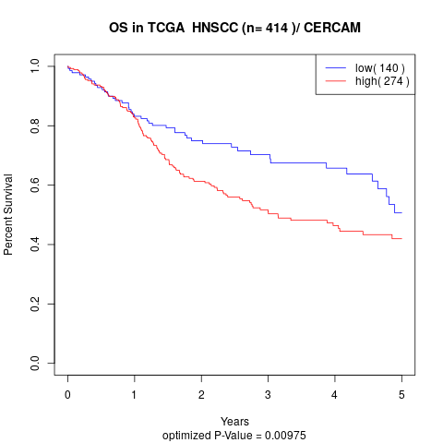

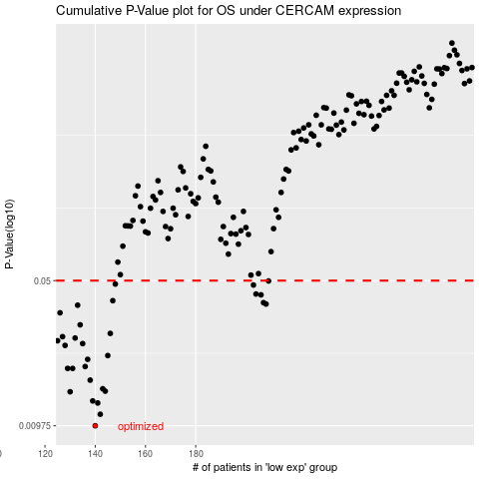

 |  |  |  |  |  | cases_OS | p_OS | rank | exp
 |  |  |  |  |  | 140 | 0.00975 | 249 | -0.35687770569
 |  |  |  |  |  | 142 | 0.0111 | 404 | -0.35425473285
 |  |  |  |  |  | 141 | 0.0126 | 388 | -0.3545980872
 |  |  |  |  |  | 139 | 0.0129 | 44 | -0.35699930911
 |  |  |  |  |  | 130 | 0.0143 | 375 | -0.37802665744
 |  |  |  |  |  | 144 | 0.0144 | 274 | -0.34730449673
 |  |  |  |  |  | 143 | 0.0148 | 25 | -0.35158391507
 |  |  |  |  |  | 138 | 0.0163 | 126 | -0.36128217466
 |  |  |  |  |  | 129 | 0.0186 | 40 | -0.38012927934
 |  |  |  |  |  | 131 | 0.0186 | 308 | -0.37782612471
 |  |  |  |  |  | 136 | 0.019 | 218 | -0.37005533292
 |  |  |  |  |  | 137 | 0.0206 | 116 | -0.36889320594
 |  |  |  |  |  | 145 | 0.0215 | 414 | -0.34228357089
 |  |  |  |  |  | 128 | 0.0241 | 242 | -0.38210928743
 |  |  |  |  |  | 135 | 0.0246 | 141 | -0.37147998303
 |  |  |  |  |  | 125 | 0.0254 | 372 | -0.3929539238
 |  |  |  |  |  | 132 | 0.0262 | 217 | -0.37720366494
 |  |  |  |  |  | 127 | 0.0266 | 331 | -0.38256651869
 |  |  |  |  |  | 146 | 0.0276 | 370 | -0.33921786887
 |  |  |  |  |  | 134 | 0.0304 | 365 | -0.37243396964
 |  |  |  |  |  | 126 | 0.0348 | 50 | -0.38397155535
 |  |  |  |  |  | 133 | 0.0379 | 169 | -0.37345690052
 |  |  |  |  |  | 208 | 0.0384 | 339 | -0.1382575677
 |  |  |  |  |  | 207 | 0.039 | 154 | -0.13906974308
 |  |  |  |  |  | 147 | 0.0399 | 323 | -0.33384871504
 |  |  |  |  |  | 206 | 0.0426 | 415 | -0.14257437048
 |  |  |  |  |  | 204 | 0.043 | 181 | -0.15318952941
 |  |  |  |  |  | 203 | 0.0476 | 307 | -0.15753212685
 |  |  |  |  |  | 148 | 0.0481 | 258 | -0.33120547496
 |  |  |  |  |  | 209 | 0.0498 | 247 | -0.13486776818
 |  |  |  |  |  |  | cases_RFS | p_RFS | rank | exp
 |  |  |  |  |  |  | 139 | 0.00975 | 44 | -0.35699930911
 |  |  |  |  |  |  | 141 | 0.0111 | 388 | -0.3545980872
 |  |  |  |  |  |  | 140 | 0.0126 | 249 | -0.35687770569
 |  |  |  |  |  |  | 138 | 0.0129 | 126 | -0.36128217466
 |  |  |  |  |  |  | 129 | 0.0143 | 40 | -0.38012927934
 |  |  |  |  |  |  | 143 | 0.0144 | 25 | -0.35158391507
 |  |  |  |  |  |  | 142 | 0.0148 | 404 | -0.35425473285
 |  |  |  |  |  |  | 137 | 0.0163 | 116 | -0.36889320594
 |  |  |  |  |  |  | 128 | 0.0186 | 242 | -0.38210928743
 |  |  |  |  |  |  | 130 | 0.0186 | 375 | -0.37802665744
 |  |  |  |  |  |  | 135 | 0.019 | 141 | -0.37147998303
 |  |  |  |  |  |  | 136 | 0.0206 | 218 | -0.37005533292
 |  |  |  |  |  |  | 144 | 0.0215 | 274 | -0.34730449673
 |  |  |  |  |  |  | 127 | 0.0241 | 331 | -0.38256651869
 |  |  |  |  |  |  | 134 | 0.0246 | 365 | -0.37243396964
 |  |  |  |  |  |  |  | 0.0254 | 210 | -0.39532554723
 |  |  |  |  |  |  | 131 | 0.0262 | 308 | -0.37782612471
 |  |  |  |  |  |  | 126 | 0.0266 | 50 | -0.38397155535
 |  |  |  |  |  |  | 145 | 0.0276 | 414 | -0.34228357089
 |  |  |  |  |  |  | 133 | 0.0304 | 169 | -0.37345690052
 |  |  |  |  |  |  | 125 | 0.0348 | 372 | -0.3929539238
 |  |  |  |  |  |  | 132 | 0.0379 | 217 | -0.37720366494
 |  |  |  |  |  |  | 207 | 0.0384 | 154 | -0.13906974308
 |  |  |  |  |  |  | 206 | 0.039 | 415 | -0.14257437048
 |  |  |  |  |  |  | 146 | 0.0399 | 370 | -0.33921786887
 |  |  |  |  |  |  | 205 | 0.0426 | 106 | -0.14765871316
 |  |  |  |  |  |  | 203 | 0.043 | 307 | -0.15753212685
 |  |  |  |  |  |  | 202 | 0.0476 | 312 | -0.15816278861
 |  |  |  |  |  |  | 147 | 0.0481 | 323 | -0.33384871504
 |  |  |  |  |  |  | 208 | 0.0498 | 339 | -0.1382575677

