CES2 _multivariate
Reported by Tex Li-Hsing Chi. tex@gate.sinica.edu.tw 2019-08-21

Table 2. The clinicopathological features of HNSCC cohort and CES2 expression. (Chi square test)
Cutoff at -0.35 (50.0%)
 |  | CES2 expression |  | CES2 expression |  | (Optimised)
 | Features | Low | (%) | High | (%) | Case no | P-value | Remark | Matthews
Gender | Female | 163 | 39.3 | 143 | 34.5 | 415 | 0.0277 | 1 | 0
2 | Male | 44 | 10.6 | 65 | 15.7
Age at diagnosis | <=65y | 139 | 33.5 | 135 | 32.5 | 415 | 0.7044 | 0 | 0
4 | >65y | 68 | 16.4 | 73 | 17.6
Clinical T Status | T1+T2 | 66 | 15.9 | 83 | 20 | 415 | 0.1095 | 0 | 0
6 | T3+T4 | 141 | 34 | 125 | 30.1
Clinical N Status | N0 | 100 | 24.1 | 116 | 28 | 415 | 0.1548 | 0 | 0
8 | N1-3 | 107 | 25.8 | 92 | 22.2
Clinical M Status | M0 | 207 | 49.9 | 205 | 49.4 | 415 | 0.2482 | 0 | 0
10 | M1 | 0 | 0 | 3 | 0.7
Clinical Stage | Stage I+II | 44 | 10.6 | 58 | 14 | 415 | 0.1459 | 0 | 0
12 | Stage III+IV | 163 | 39.3 | 150 | 36.1
Surgical Margin status | Negative | 158 | 38.1 | 160 | 38.6 | 415 | 0.9081 | 0 | 0
14 | Positive | 49 | 11.8 | 48 | 11.6
Tobacco Exposure | Low | 65 | 15.7 | 96 | 23.1 | 415 | 0.0025 | 1 | 0
16 | High | 142 | 34.2 | 112 | 27

Table 3. Univariate/Multivariate Cox's proportional hazards regression analyses on OS time of CES2 gene expression in HNSCC

 |  | Univariate |  |  |  | Multivariate
 | Features | HR | CI95%(L) | CI95%(H) | P-value | HR | CI95%(L) | CI95%(H) | P-value
1 | Female | 1 |  |  |  | 1
Gender | Male | 1.157 | 0.843 | 1.587 | 0.367 | 1.173 | 0.837 | 1.643 | 0.354
11 | <=65y | 1 |  |  |  | 1
Age at diagnosis | >65y | 1.329 | 0.99 | 1.784 | 0.058 | 1.402 | 1.032 | 1.906 | 0.031
12 | T1+T2 | 1 |  |  |  | 1
Clinical T Status | T3+T4 | 1.409 | 1.028 | 1.931 | 0.033 | 2.22 | 1.174 | 4.198 | 0.014
13 | N0 | 1 |  |  |  | 1
Clinical N Status | N1-3 | 1.185 | 0.89 | 1.577 | 0.246 | 1.25 | 0.876 | 1.784 | 0.218
14 | M0 | 1 |  |  |  | 1
Clinical M Status | M1 | 4.097 | 1.009 | 16.644 | 0.049 | 8.601 | 1.864 | 39.694 | 0.006
15 | Stage I+II | 1 |  |  |  | 1
Clinical Stage | Stage III+IV | 1.245 | 0.882 | 1.759 | 0.213 | 0.503 | 0.235 | 1.079 | 0.078
16 | Negative | 1 |  |  |  | 1
Surgical Margin status | Positive | 1.591 | 1.155 | 2.191 | 0.004 | 1.665 | 1.205 | 2.3 | 0.002
17 | Low | 1 |  |  |  | 1
Tobacco Exposure | High | 1.364 | 1.008 | 1.844 | 0.044 | 1.481 | 1.073 | 2.045 | 0.017
18 | Low | 1 |  |  |  | 1
RNAseq(z-score) | High | 1.154 | 0.866 | 1.538 | 0.329 | 1.193 | 0.889 | 1.602 | 0.24

Table 4. Univariate/Multivariate Cox's proportional hazards regression analyses on RFS time of CES2 gene expression in HNSCC

 |  | Univariate |  |  |  | Multivariate
 | Features | HR | CI95%(L) | CI95%(H) | P-value | HR | CI95%(L) | CI95%(H) | P-value
1 | Female | 1 |  |  |  | 1
Gender | Male | 1.157 | 0.843 | 1.587 | 0.367 | 1.173 | 0.837 | 1.643 | 0.354
11 | <=65y | 1 |  |  |  | 1
Age at diagnosis | >65y | 1.329 | 0.99 | 1.784 | 0.058 | 1.402 | 1.032 | 1.906 | 0.031
12 | T1+T2 | 1 |  |  |  | 1
Clinical T Status | T3+T4 | 1.409 | 1.028 | 1.931 | 0.033 | 2.22 | 1.174 | 4.198 | 0.014
13 | N0 | 1 |  |  |  | 1
Clinical N Status | N1-3 | 1.185 | 0.89 | 1.577 | 0.246 | 1.25 | 0.876 | 1.784 | 0.218
14 | M0 | 1 |  |  |  | 1
Clinical M Status | M1 | 4.097 | 1.009 | 16.644 | 0.049 | 8.601 | 1.864 | 39.694 | 0.006
15 | Stage I+II | 1 |  |  |  | 1
Clinical Stage | Stage III+IV | 1.245 | 0.882 | 1.759 | 0.213 | 0.503 | 0.235 | 1.079 | 0.078
16 | Negative | 1 |  |  |  | 1
Surgical Margin status | Positive | 1.591 | 1.155 | 2.191 | 0.004 | 1.665 | 1.205 | 2.3 | 0.002
17 | Low | 1 |  |  |  | 1
Tobacco Exposure | High | 1.364 | 1.008 | 1.844 | 0.044 | 1.481 | 1.073 | 2.045 | 0.017
18 | Low | 1 |  |  |  | 1
RNAseq(z-score) | High | 1.154 | 0.866 | 1.538 | 0.329 | 1.193 | 0.889 | 1.602 | 0.24

Kaplan-Meier survival estimate: Cutoff at -0.35 (50.0%)



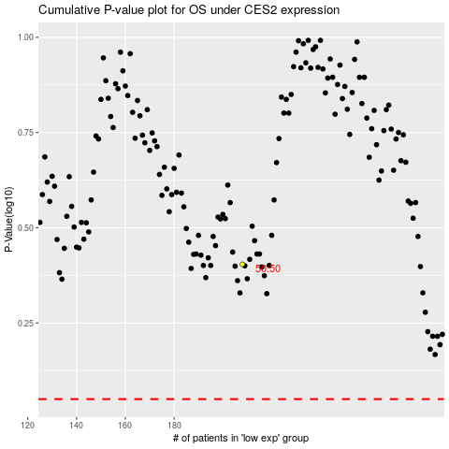

 |  |  |  |  |  | cases_OS | p_OS | rank | exp
 |  |  |  |  |  |  | cases_RFS | p_RFS | rank | exp

