CES4 _multivariate
Reported by Tex Li-Hsing Chi. tex@gate.sinica.edu.tw 2019-08-21

Table 2. The clinicopathological features of HNSCC cohort and CES4 expression. (Chi square test)
Cutoff at -0.212 (49.8%)
 |  | CES4 expression |  | CES4 expression |  | (Optimised)
 | Features | Low | (%) | High | (%) | Case no | P-value | Remark | Matthews
Gender | Female | 153 | 36.9 | 153 | 36.9 | 415 | 1 | 0 | 0
2 | Male | 54 | 13 | 55 | 13.3
Age at diagnosis | <=65y | 139 | 33.5 | 135 | 32.5 | 415 | 0.7044 | 0 | 0
4 | >65y | 68 | 16.4 | 73 | 17.6
Clinical T Status | T1+T2 | 84 | 20.2 | 65 | 15.7 | 415 | 0.0603 | 0 | 0
6 | T3+T4 | 123 | 29.6 | 143 | 34.5
Clinical N Status | N0 | 98 | 23.6 | 118 | 28.4 | 415 | 0.0694 | 0 | 0
8 | N1-3 | 109 | 26.3 | 90 | 21.7
Clinical M Status | M0 | 205 | 49.4 | 207 | 49.9 | 415 | 0.6232 | 0 | 0
10 | M1 | 2 | 0.5 | 1 | 0.2
Clinical Stage | Stage I+II | 53 | 12.8 | 49 | 11.8 | 415 | 0.7113 | 0 | 0
12 | Stage III+IV | 154 | 37.1 | 159 | 38.3
Surgical Margin status | Negative | 159 | 38.3 | 159 | 38.3 | 415 | 1 | 0 | 0
14 | Positive | 48 | 11.6 | 49 | 11.8
Tobacco Exposure | Low | 91 | 21.9 | 70 | 16.9 | 415 | 0.0346 | 1 | 0
16 | High | 116 | 28 | 138 | 33.3

Table 3. Univariate/Multivariate Cox's proportional hazards regression analyses on OS time of CES4 gene expression in HNSCC

 |  | Univariate |  |  |  | Multivariate
 | Features | HR | CI95%(L) | CI95%(H) | P-value | HR | CI95%(L) | CI95%(H) | P-value
1 | Female | 1 |  |  |  | 1
Gender | Male | 1.157 | 0.843 | 1.587 | 0.367 | 1.202 | 0.86 | 1.678 | 0.282
11 | <=65y | 1 |  |  |  | 1
Age at diagnosis | >65y | 1.329 | 0.99 | 1.784 | 0.058 | 1.393 | 1.025 | 1.894 | 0.034
12 | T1+T2 | 1 |  |  |  | 1
Clinical T Status | T3+T4 | 1.409 | 1.028 | 1.931 | 0.033 | 2.224 | 1.174 | 4.213 | 0.014
13 | N0 | 1 |  |  |  | 1
Clinical N Status | N1-3 | 1.185 | 0.89 | 1.577 | 0.246 | 1.23 | 0.86 | 1.76 | 0.256
14 | M0 | 1 |  |  |  | 1
Clinical M Status | M1 | 4.097 | 1.009 | 16.644 | 0.049 | 9.461 | 2.063 | 43.382 | 0.004
15 | Stage I+II | 1 |  |  |  | 1
Clinical Stage | Stage III+IV | 1.245 | 0.882 | 1.759 | 0.213 | 0.504 | 0.235 | 1.082 | 0.079
16 | Negative | 1 |  |  |  | 1
Surgical Margin status | Positive | 1.591 | 1.155 | 2.191 | 0.004 | 1.669 | 1.208 | 2.306 | 0.002
17 | Low | 1 |  |  |  | 1
Tobacco Exposure | High | 1.364 | 1.008 | 1.844 | 0.044 | 1.463 | 1.06 | 2.019 | 0.021
18 | Low | 1 |  |  |  | 1
RNAseq(z-score) | High | 1.008 | 0.755 | 1.344 | 0.958 | 0.943 | 0.702 | 1.266 | 0.697

Table 4. Univariate/Multivariate Cox's proportional hazards regression analyses on RFS time of CES4 gene expression in HNSCC

 |  | Univariate |  |  |  | Multivariate
 | Features | HR | CI95%(L) | CI95%(H) | P-value | HR | CI95%(L) | CI95%(H) | P-value
1 | Female | 1 |  |  |  | 1
Gender | Male | 1.157 | 0.843 | 1.587 | 0.367 | 1.202 | 0.86 | 1.678 | 0.282
11 | <=65y | 1 |  |  |  | 1
Age at diagnosis | >65y | 1.329 | 0.99 | 1.784 | 0.058 | 1.393 | 1.025 | 1.894 | 0.034
12 | T1+T2 | 1 |  |  |  | 1
Clinical T Status | T3+T4 | 1.409 | 1.028 | 1.931 | 0.033 | 2.224 | 1.174 | 4.213 | 0.014
13 | N0 | 1 |  |  |  | 1
Clinical N Status | N1-3 | 1.185 | 0.89 | 1.577 | 0.246 | 1.23 | 0.86 | 1.76 | 0.256
14 | M0 | 1 |  |  |  | 1
Clinical M Status | M1 | 4.097 | 1.009 | 16.644 | 0.049 | 9.461 | 2.063 | 43.382 | 0.004
15 | Stage I+II | 1 |  |  |  | 1
Clinical Stage | Stage III+IV | 1.245 | 0.882 | 1.759 | 0.213 | 0.504 | 0.235 | 1.082 | 0.079
16 | Negative | 1 |  |  |  | 1
Surgical Margin status | Positive | 1.591 | 1.155 | 2.191 | 0.004 | 1.669 | 1.208 | 2.306 | 0.002
17 | Low | 1 |  |  |  | 1
Tobacco Exposure | High | 1.364 | 1.008 | 1.844 | 0.044 | 1.463 | 1.06 | 2.019 | 0.021
18 | Low | 1 |  |  |  | 1
RNAseq(z-score) | High | 1.008 | 0.755 | 1.344 | 0.958 | 0.943 | 0.702 | 1.266 | 0.697

Kaplan-Meier survival estimate: Cutoff at -0.212 (49.8%)



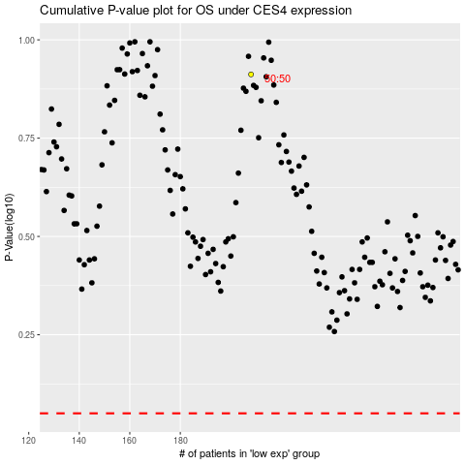

 |  |  |  |  |  | cases_OS | p_OS | rank | exp
 |  |  |  |  |  |  | cases_RFS | p_RFS | rank | exp

