CETN3 _multivariate
Reported by Tex Li-Hsing Chi. tex@gate.sinica.edu.tw 2019-08-21

Table 2. The clinicopathological features of HNSCC cohort and CETN3 expression. (Chi square test)
Cutoff at -0.223 (49.8%)
 |  | CETN3 expression |  | CETN3 expression |  | (Optimised)
 | Features | Low | (%) | High | (%) | Case no | P-value | Remark | Matthews
Gender | Female | 150 | 36.1 | 156 | 37.6 | 415 | 0.6344 | 0 | 0
2 | Male | 57 | 13.7 | 52 | 12.5
Age at diagnosis | <=65y | 134 | 32.3 | 140 | 33.7 | 415 | 0.6529 | 0 | 0
4 | >65y | 73 | 17.6 | 68 | 16.4
Clinical T Status | T1+T2 | 68 | 16.4 | 81 | 19.5 | 415 | 0.2336 | 0 | 0
6 | T3+T4 | 139 | 33.5 | 127 | 30.6
Clinical N Status | N0 | 106 | 25.5 | 110 | 26.5 | 415 | 0.8075 | 0 | 0
8 | N1-3 | 101 | 24.3 | 98 | 23.6
Clinical M Status | M0 | 206 | 49.6 | 206 | 49.6 | 415 | 1 | 0 | 0
10 | M1 | 1 | 0.2 | 2 | 0.5
Clinical Stage | Stage I+II | 51 | 12.3 | 51 | 12.3 | 415 | 1 | 0 | 0
12 | Stage III+IV | 156 | 37.6 | 157 | 37.8
Surgical Margin status | Negative | 169 | 40.7 | 149 | 35.9 | 415 | 0.0201 | 1 | 0
14 | Positive | 38 | 9.2 | 59 | 14.2
Tobacco Exposure | Low | 82 | 19.8 | 79 | 19 | 415 | 0.763 | 0 | 0
16 | High | 125 | 30.1 | 129 | 31.1

Table 3. Univariate/Multivariate Cox's proportional hazards regression analyses on OS time of CETN3 gene expression in HNSCC

 |  | Univariate |  |  |  | Multivariate
 | Features | HR | CI95%(L) | CI95%(H) | P-value | HR | CI95%(L) | CI95%(H) | P-value
1 | Female | 1 |  |  |  | 1
Gender | Male | 1.157 | 0.843 | 1.587 | 0.367 | 1.195 | 0.855 | 1.67 | 0.297
11 | <=65y | 1 |  |  |  | 1
Age at diagnosis | >65y | 1.329 | 0.99 | 1.784 | 0.058 | 1.397 | 1.027 | 1.899 | 0.033
12 | T1+T2 | 1 |  |  |  | 1
Clinical T Status | T3+T4 | 1.409 | 1.028 | 1.931 | 0.033 | 2.3 | 1.212 | 4.364 | 0.011
13 | N0 | 1 |  |  |  | 1
Clinical N Status | N1-3 | 1.185 | 0.89 | 1.577 | 0.246 | 1.27 | 0.889 | 1.815 | 0.189
14 | M0 | 1 |  |  |  | 1
Clinical M Status | M1 | 4.097 | 1.009 | 16.644 | 0.049 | 9.466 | 2.065 | 43.39 | 0.004
15 | Stage I+II | 1 |  |  |  | 1
Clinical Stage | Stage III+IV | 1.245 | 0.882 | 1.759 | 0.213 | 0.482 | 0.224 | 1.037 | 0.062
16 | Negative | 1 |  |  |  | 1
Surgical Margin status | Positive | 1.591 | 1.155 | 2.191 | 0.004 | 1.6 | 1.15 | 2.225 | 0.005
17 | Low | 1 |  |  |  | 1
Tobacco Exposure | High | 1.364 | 1.008 | 1.844 | 0.044 | 1.43 | 1.037 | 1.972 | 0.029
18 | Low | 1 |  |  |  | 1
RNAseq(z-score) | High | 1.254 | 0.939 | 1.675 | 0.125 | 1.219 | 0.905 | 1.643 | 0.192

Table 4. Univariate/Multivariate Cox's proportional hazards regression analyses on RFS time of CETN3 gene expression in HNSCC

 |  | Univariate |  |  |  | Multivariate
 | Features | HR | CI95%(L) | CI95%(H) | P-value | HR | CI95%(L) | CI95%(H) | P-value
1 | Female | 1 |  |  |  | 1
Gender | Male | 1.157 | 0.843 | 1.587 | 0.367 | 1.195 | 0.855 | 1.67 | 0.297
11 | <=65y | 1 |  |  |  | 1
Age at diagnosis | >65y | 1.329 | 0.99 | 1.784 | 0.058 | 1.397 | 1.027 | 1.899 | 0.033
12 | T1+T2 | 1 |  |  |  | 1
Clinical T Status | T3+T4 | 1.409 | 1.028 | 1.931 | 0.033 | 2.3 | 1.212 | 4.364 | 0.011
13 | N0 | 1 |  |  |  | 1
Clinical N Status | N1-3 | 1.185 | 0.89 | 1.577 | 0.246 | 1.27 | 0.889 | 1.815 | 0.189
14 | M0 | 1 |  |  |  | 1
Clinical M Status | M1 | 4.097 | 1.009 | 16.644 | 0.049 | 9.466 | 2.065 | 43.39 | 0.004
15 | Stage I+II | 1 |  |  |  | 1
Clinical Stage | Stage III+IV | 1.245 | 0.882 | 1.759 | 0.213 | 0.482 | 0.224 | 1.037 | 0.062
16 | Negative | 1 |  |  |  | 1
Surgical Margin status | Positive | 1.591 | 1.155 | 2.191 | 0.004 | 1.6 | 1.15 | 2.225 | 0.005
17 | Low | 1 |  |  |  | 1
Tobacco Exposure | High | 1.364 | 1.008 | 1.844 | 0.044 | 1.43 | 1.037 | 1.972 | 0.029
18 | Low | 1 |  |  |  | 1
RNAseq(z-score) | High | 1.254 | 0.939 | 1.675 | 0.125 | 1.219 | 0.905 | 1.643 | 0.192

Kaplan-Meier survival estimate: Cutoff at -0.223 (49.8%)



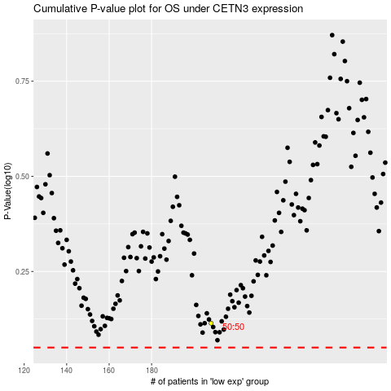

 |  |  |  |  |  | cases_OS | p_OS | rank | exp
 |  |  |  |  |  |  | cases_RFS | p_RFS | rank | exp

