CFB _multivariate
Reported by Tex Li-Hsing Chi. tex@gate.sinica.edu.tw 2019-08-21

Table 2. The clinicopathological features of HNSCC cohort and CFB expression. (Chi square test)
Cutoff at -0.315 (50.0%)
 |  | CFB expression |  | CFB expression |  | (Optimised)
 | Features | Low | (%) | High | (%) | Case no | P-value | Remark | Matthews
Gender | Female | 158 | 38.1 | 148 | 35.7 | 415 | 0.2774 | 0 | 0
2 | Male | 49 | 11.8 | 60 | 14.5
Age at diagnosis | <=65y | 143 | 34.5 | 131 | 31.6 | 415 | 0.2269 | 0 | 0
4 | >65y | 64 | 15.4 | 77 | 18.6
Clinical T Status | T1+T2 | 77 | 18.6 | 72 | 17.3 | 415 | 0.6556 | 0 | 0
6 | T3+T4 | 130 | 31.3 | 136 | 32.8
Clinical N Status | N0 | 108 | 26 | 108 | 26 | 415 | 1 | 0 | 0
8 | N1-3 | 99 | 23.9 | 100 | 24.1
Clinical M Status | M0 | 206 | 49.6 | 206 | 49.6 | 415 | 1 | 0 | 0
10 | M1 | 1 | 0.2 | 2 | 0.5
Clinical Stage | Stage I+II | 50 | 12 | 52 | 12.5 | 415 | 0.9315 | 0 | 0
12 | Stage III+IV | 157 | 37.8 | 156 | 37.6
Surgical Margin status | Negative | 154 | 37.1 | 164 | 39.5 | 415 | 0.2984 | 0 | 0
14 | Positive | 53 | 12.8 | 44 | 10.6
Tobacco Exposure | Low | 81 | 19.5 | 80 | 19.3 | 415 | 0.9199 | 0 | 0
16 | High | 126 | 30.4 | 128 | 30.8

Table 3. Univariate/Multivariate Cox's proportional hazards regression analyses on OS time of CFB gene expression in HNSCC

 |  | Univariate |  |  |  | Multivariate
 | Features | HR | CI95%(L) | CI95%(H) | P-value | HR | CI95%(L) | CI95%(H) | P-value
1 | Female | 1 |  |  |  | 1
Gender | Male | 1.157 | 0.843 | 1.587 | 0.367 | 1.215 | 0.869 | 1.7 | 0.255
11 | <=65y | 1 |  |  |  | 1
Age at diagnosis | >65y | 1.329 | 0.99 | 1.784 | 0.058 | 1.446 | 1.06 | 1.972 | 0.02
12 | T1+T2 | 1 |  |  |  | 1
Clinical T Status | T3+T4 | 1.409 | 1.028 | 1.931 | 0.033 | 2.296 | 1.213 | 4.345 | 0.011
13 | N0 | 1 |  |  |  | 1
Clinical N Status | N1-3 | 1.185 | 0.89 | 1.577 | 0.246 | 1.237 | 0.867 | 1.764 | 0.242
14 | M0 | 1 |  |  |  | 1
Clinical M Status | M1 | 4.097 | 1.009 | 16.644 | 0.049 | 10.684 | 2.313 | 49.343 | 0.002
15 | Stage I+II | 1 |  |  |  | 1
Clinical Stage | Stage III+IV | 1.245 | 0.882 | 1.759 | 0.213 | 0.482 | 0.225 | 1.036 | 0.062
16 | Negative | 1 |  |  |  | 1
Surgical Margin status | Positive | 1.591 | 1.155 | 2.191 | 0.004 | 1.691 | 1.223 | 2.338 | 0.001
17 | Low | 1 |  |  |  | 1
Tobacco Exposure | High | 1.364 | 1.008 | 1.844 | 0.044 | 1.467 | 1.063 | 2.024 | 0.02
18 | Low | 1 |  |  |  | 1
RNAseq(z-score) | High | 0.868 | 0.652 | 1.156 | 0.333 | 0.775 | 0.578 | 1.038 | 0.087

Table 4. Univariate/Multivariate Cox's proportional hazards regression analyses on RFS time of CFB gene expression in HNSCC

 |  | Univariate |  |  |  | Multivariate
 | Features | HR | CI95%(L) | CI95%(H) | P-value | HR | CI95%(L) | CI95%(H) | P-value
1 | Female | 1 |  |  |  | 1
Gender | Male | 1.157 | 0.843 | 1.587 | 0.367 | 1.215 | 0.869 | 1.7 | 0.255
11 | <=65y | 1 |  |  |  | 1
Age at diagnosis | >65y | 1.329 | 0.99 | 1.784 | 0.058 | 1.446 | 1.06 | 1.972 | 0.02
12 | T1+T2 | 1 |  |  |  | 1
Clinical T Status | T3+T4 | 1.409 | 1.028 | 1.931 | 0.033 | 2.296 | 1.213 | 4.345 | 0.011
13 | N0 | 1 |  |  |  | 1
Clinical N Status | N1-3 | 1.185 | 0.89 | 1.577 | 0.246 | 1.237 | 0.867 | 1.764 | 0.242
14 | M0 | 1 |  |  |  | 1
Clinical M Status | M1 | 4.097 | 1.009 | 16.644 | 0.049 | 10.684 | 2.313 | 49.343 | 0.002
15 | Stage I+II | 1 |  |  |  | 1
Clinical Stage | Stage III+IV | 1.245 | 0.882 | 1.759 | 0.213 | 0.482 | 0.225 | 1.036 | 0.062
16 | Negative | 1 |  |  |  | 1
Surgical Margin status | Positive | 1.591 | 1.155 | 2.191 | 0.004 | 1.691 | 1.223 | 2.338 | 0.001
17 | Low | 1 |  |  |  | 1
Tobacco Exposure | High | 1.364 | 1.008 | 1.844 | 0.044 | 1.467 | 1.063 | 2.024 | 0.02
18 | Low | 1 |  |  |  | 1
RNAseq(z-score) | High | 0.868 | 0.652 | 1.156 | 0.333 | 0.775 | 0.578 | 1.038 | 0.087

Kaplan-Meier survival estimate: Cutoff at -0.315 (50.0%)

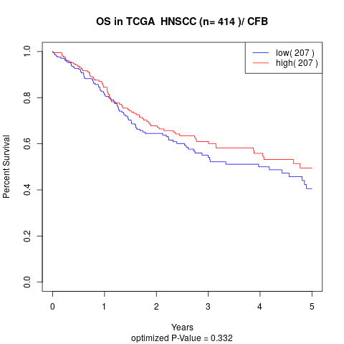

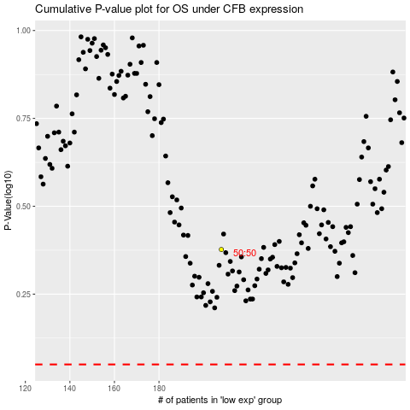

 |  |  |  |  |  | cases_OS | p_OS | rank | exp
 |  |  |  |  |  |  | cases_RFS | p_RFS | rank | exp

