CFD _multivariate
Reported by Tex Li-Hsing Chi. tex@gate.sinica.edu.tw 2019-08-21

Table 2. The clinicopathological features of HNSCC cohort and CFD expression. (Chi square test)
Cutoff at -0.26 (50.0%)
 |  | CFD expression |  | CFD expression |  | (Optimised)
 | Features | Low | (%) | High | (%) | Case no | P-value | Remark | Matthews
Gender | Female | 154 | 37.1 | 152 | 36.6 | 415 | 0.8463 | 0 | 0
2 | Male | 53 | 12.8 | 56 | 13.5
Age at diagnosis | <=65y | 137 | 33 | 137 | 33 | 415 | 1 | 0 | 0
4 | >65y | 70 | 16.9 | 71 | 17.1
Clinical T Status | T1+T2 | 77 | 18.6 | 72 | 17.3 | 415 | 0.6556 | 0 | 0
6 | T3+T4 | 130 | 31.3 | 136 | 32.8
Clinical N Status | N0 | 104 | 25.1 | 112 | 27 | 415 | 0.5243 | 0 | 0
8 | N1-3 | 103 | 24.8 | 96 | 23.1
Clinical M Status | M0 | 206 | 49.6 | 206 | 49.6 | 415 | 1 | 0 | 0
10 | M1 | 1 | 0.2 | 2 | 0.5
Clinical Stage | Stage I+II | 55 | 13.3 | 47 | 11.3 | 415 | 0.4087 | 0 | 0
12 | Stage III+IV | 152 | 36.6 | 161 | 38.8
Surgical Margin status | Negative | 162 | 39 | 156 | 37.6 | 415 | 0.4867 | 0 | 0
14 | Positive | 45 | 10.8 | 52 | 12.5
Tobacco Exposure | Low | 84 | 20.2 | 77 | 18.6 | 415 | 0.4816 | 0 | 0
16 | High | 123 | 29.6 | 131 | 31.6

Table 3. Univariate/Multivariate Cox's proportional hazards regression analyses on OS time of CFD gene expression in HNSCC

 |  | Univariate |  |  |  | Multivariate
 | Features | HR | CI95%(L) | CI95%(H) | P-value | HR | CI95%(L) | CI95%(H) | P-value
1 | Female | 1 |  |  |  | 1
Gender | Male | 1.157 | 0.843 | 1.587 | 0.367 | 1.203 | 0.861 | 1.68 | 0.279
11 | <=65y | 1 |  |  |  | 1
Age at diagnosis | >65y | 1.329 | 0.99 | 1.784 | 0.058 | 1.392 | 1.024 | 1.893 | 0.035
12 | T1+T2 | 1 |  |  |  | 1
Clinical T Status | T3+T4 | 1.409 | 1.028 | 1.931 | 0.033 | 2.207 | 1.167 | 4.175 | 0.015
13 | N0 | 1 |  |  |  | 1
Clinical N Status | N1-3 | 1.185 | 0.89 | 1.577 | 0.246 | 1.239 | 0.868 | 1.767 | 0.238
14 | M0 | 1 |  |  |  | 1
Clinical M Status | M1 | 4.097 | 1.009 | 16.644 | 0.049 | 9.49 | 2.068 | 43.547 | 0.004
15 | Stage I+II | 1 |  |  |  | 1
Clinical Stage | Stage III+IV | 1.245 | 0.882 | 1.759 | 0.213 | 0.505 | 0.235 | 1.084 | 0.08
16 | Negative | 1 |  |  |  | 1
Surgical Margin status | Positive | 1.591 | 1.155 | 2.191 | 0.004 | 1.686 | 1.215 | 2.339 | 0.002
17 | Low | 1 |  |  |  | 1
Tobacco Exposure | High | 1.364 | 1.008 | 1.844 | 0.044 | 1.456 | 1.057 | 2.007 | 0.022
18 | Low | 1 |  |  |  | 1
RNAseq(z-score) | High | 1.034 | 0.776 | 1.376 | 0.82 | 0.952 | 0.712 | 1.272 | 0.74

Table 4. Univariate/Multivariate Cox's proportional hazards regression analyses on RFS time of CFD gene expression in HNSCC

 |  | Univariate |  |  |  | Multivariate
 | Features | HR | CI95%(L) | CI95%(H) | P-value | HR | CI95%(L) | CI95%(H) | P-value
1 | Female | 1 |  |  |  | 1
Gender | Male | 1.157 | 0.843 | 1.587 | 0.367 | 1.203 | 0.861 | 1.68 | 0.279
11 | <=65y | 1 |  |  |  | 1
Age at diagnosis | >65y | 1.329 | 0.99 | 1.784 | 0.058 | 1.392 | 1.024 | 1.893 | 0.035
12 | T1+T2 | 1 |  |  |  | 1
Clinical T Status | T3+T4 | 1.409 | 1.028 | 1.931 | 0.033 | 2.207 | 1.167 | 4.175 | 0.015
13 | N0 | 1 |  |  |  | 1
Clinical N Status | N1-3 | 1.185 | 0.89 | 1.577 | 0.246 | 1.239 | 0.868 | 1.767 | 0.238
14 | M0 | 1 |  |  |  | 1
Clinical M Status | M1 | 4.097 | 1.009 | 16.644 | 0.049 | 9.49 | 2.068 | 43.547 | 0.004
15 | Stage I+II | 1 |  |  |  | 1
Clinical Stage | Stage III+IV | 1.245 | 0.882 | 1.759 | 0.213 | 0.505 | 0.235 | 1.084 | 0.08
16 | Negative | 1 |  |  |  | 1
Surgical Margin status | Positive | 1.591 | 1.155 | 2.191 | 0.004 | 1.686 | 1.215 | 2.339 | 0.002
17 | Low | 1 |  |  |  | 1
Tobacco Exposure | High | 1.364 | 1.008 | 1.844 | 0.044 | 1.456 | 1.057 | 2.007 | 0.022
18 | Low | 1 |  |  |  | 1
RNAseq(z-score) | High | 1.034 | 0.776 | 1.376 | 0.82 | 0.952 | 0.712 | 1.272 | 0.74

Kaplan-Meier survival estimate: Cutoff at -0.26 (50.0%)



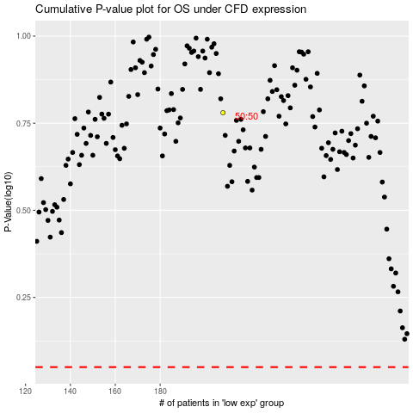

 |  |  |  |  |  | cases_OS | p_OS | rank | exp
 |  |  |  |  |  |  | cases_RFS | p_RFS | rank | exp

