CFH _multivariate
Reported by Tex Li-Hsing Chi. tex@gate.sinica.edu.tw 2019-08-21

Table 2. The clinicopathological features of HNSCC cohort and CFH expression. (Chi square test)
Cutoff at -0.25 (50.0%)
 |  | CFH expression |  | CFH expression |  | (Optimised)
 | Features | Low | (%) | High | (%) | Case no | P-value | Remark | Matthews
Gender | Female | 170 | 41 | 136 | 32.8 | 415 | 2e-04 | 1 | 0
2 | Male | 37 | 8.9 | 72 | 17.3
Age at diagnosis | <=65y | 144 | 34.7 | 130 | 31.3 | 415 | 0.1568 | 0 | 0
4 | >65y | 63 | 15.2 | 78 | 18.8
Clinical T Status | T1+T2 | 64 | 15.4 | 85 | 20.5 | 415 | 0.0445 | 1 | 0
6 | T3+T4 | 143 | 34.5 | 123 | 29.6
Clinical N Status | N0 | 107 | 25.8 | 109 | 26.3 | 415 | 0.9624 | 0 | 0
8 | N1-3 | 100 | 24.1 | 99 | 23.9
Clinical M Status | M0 | 206 | 49.6 | 206 | 49.6 | 415 | 1 | 0 | 0
10 | M1 | 1 | 0.2 | 2 | 0.5
Clinical Stage | Stage I+II | 43 | 10.4 | 59 | 14.2 | 415 | 0.0925 | 0 | 0
12 | Stage III+IV | 164 | 39.5 | 149 | 35.9
Surgical Margin status | Negative | 163 | 39.3 | 155 | 37.3 | 415 | 0.3537 | 0 | 0
14 | Positive | 44 | 10.6 | 53 | 12.8
Tobacco Exposure | Low | 64 | 15.4 | 97 | 23.4 | 415 | 0.0012 | 1 | 0
16 | High | 143 | 34.5 | 111 | 26.7

Table 3. Univariate/Multivariate Cox's proportional hazards regression analyses on OS time of CFH gene expression in HNSCC

 |  | Univariate |  |  |  | Multivariate
 | Features | HR | CI95%(L) | CI95%(H) | P-value | HR | CI95%(L) | CI95%(H) | P-value
1 | Female | 1 |  |  |  | 1
Gender | Male | 1.157 | 0.843 | 1.587 | 0.367 | 1.179 | 0.841 | 1.652 | 0.34
11 | <=65y | 1 |  |  |  | 1
Age at diagnosis | >65y | 1.329 | 0.99 | 1.784 | 0.058 | 1.393 | 1.024 | 1.895 | 0.035
12 | T1+T2 | 1 |  |  |  | 1
Clinical T Status | T3+T4 | 1.409 | 1.028 | 1.931 | 0.033 | 2.211 | 1.169 | 4.181 | 0.015
13 | N0 | 1 |  |  |  | 1
Clinical N Status | N1-3 | 1.185 | 0.89 | 1.577 | 0.246 | 1.234 | 0.865 | 1.761 | 0.247
14 | M0 | 1 |  |  |  | 1
Clinical M Status | M1 | 4.097 | 1.009 | 16.644 | 0.049 | 9.234 | 2.013 | 42.358 | 0.004
15 | Stage I+II | 1 |  |  |  | 1
Clinical Stage | Stage III+IV | 1.245 | 0.882 | 1.759 | 0.213 | 0.513 | 0.239 | 1.103 | 0.087
16 | Negative | 1 |  |  |  | 1
Surgical Margin status | Positive | 1.591 | 1.155 | 2.191 | 0.004 | 1.647 | 1.19 | 2.281 | 0.003
17 | Low | 1 |  |  |  | 1
Tobacco Exposure | High | 1.364 | 1.008 | 1.844 | 0.044 | 1.467 | 1.063 | 2.023 | 0.02
18 | Low | 1 |  |  |  | 1
RNAseq(z-score) | High | 1.14 | 0.855 | 1.521 | 0.371 | 1.12 | 0.831 | 1.51 | 0.457

Table 4. Univariate/Multivariate Cox's proportional hazards regression analyses on RFS time of CFH gene expression in HNSCC

 |  | Univariate |  |  |  | Multivariate
 | Features | HR | CI95%(L) | CI95%(H) | P-value | HR | CI95%(L) | CI95%(H) | P-value
1 | Female | 1 |  |  |  | 1
Gender | Male | 1.157 | 0.843 | 1.587 | 0.367 | 1.179 | 0.841 | 1.652 | 0.34
11 | <=65y | 1 |  |  |  | 1
Age at diagnosis | >65y | 1.329 | 0.99 | 1.784 | 0.058 | 1.393 | 1.024 | 1.895 | 0.035
12 | T1+T2 | 1 |  |  |  | 1
Clinical T Status | T3+T4 | 1.409 | 1.028 | 1.931 | 0.033 | 2.211 | 1.169 | 4.181 | 0.015
13 | N0 | 1 |  |  |  | 1
Clinical N Status | N1-3 | 1.185 | 0.89 | 1.577 | 0.246 | 1.234 | 0.865 | 1.761 | 0.247
14 | M0 | 1 |  |  |  | 1
Clinical M Status | M1 | 4.097 | 1.009 | 16.644 | 0.049 | 9.234 | 2.013 | 42.358 | 0.004
15 | Stage I+II | 1 |  |  |  | 1
Clinical Stage | Stage III+IV | 1.245 | 0.882 | 1.759 | 0.213 | 0.513 | 0.239 | 1.103 | 0.087
16 | Negative | 1 |  |  |  | 1
Surgical Margin status | Positive | 1.591 | 1.155 | 2.191 | 0.004 | 1.647 | 1.19 | 2.281 | 0.003
17 | Low | 1 |  |  |  | 1
Tobacco Exposure | High | 1.364 | 1.008 | 1.844 | 0.044 | 1.467 | 1.063 | 2.023 | 0.02
18 | Low | 1 |  |  |  | 1
RNAseq(z-score) | High | 1.14 | 0.855 | 1.521 | 0.371 | 1.12 | 0.831 | 1.51 | 0.457

Kaplan-Meier survival estimate: Cutoff at -0.25 (50.0%)



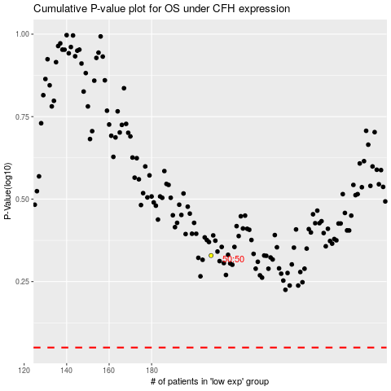

 |  |  |  |  |  | cases_OS | p_OS | rank | exp
 |  |  |  |  |  |  | cases_RFS | p_RFS | rank | exp

