CFLAR _multivariate
Reported by Tex Li-Hsing Chi. tex@gate.sinica.edu.tw 2019-08-21

Table 2. The clinicopathological features of HNSCC cohort and CFLAR expression. (Chi square test)
Cutoff at 0.018 (58.2%)
 |  | CFLAR expression |  | CFLAR expression |  | (Optimised)
 | Features | Low | (%) | High | (%) | Case no | P-value | Remark | Matthews
Gender | Female | 184 | 44.3 | 122 | 29.4 | 415 | 0.1899 | 0 | 0
2 | Male | 57 | 13.7 | 52 | 12.5
Age at diagnosis | <=65y | 163 | 39.3 | 111 | 26.7 | 415 | 0.4775 | 0 | 0
4 | >65y | 78 | 18.8 | 63 | 15.2
Clinical T Status | T1+T2 | 87 | 21 | 62 | 14.9 | 415 | 1 | 0 | 0
6 | T3+T4 | 154 | 37.1 | 112 | 27
Clinical N Status | N0 | 127 | 30.6 | 89 | 21.4 | 415 | 0.8322 | 0 | 0
8 | N1-3 | 114 | 27.5 | 85 | 20.5
Clinical M Status | M0 | 240 | 57.8 | 172 | 41.4 | 415 | 0.5745 | 0 | 0
10 | M1 | 1 | 0.2 | 2 | 0.5
Clinical Stage | Stage I+II | 61 | 14.7 | 41 | 9.9 | 415 | 0.7698 | 0 | 0
12 | Stage III+IV | 180 | 43.4 | 133 | 32
Surgical Margin status | Negative | 182 | 43.9 | 136 | 32.8 | 415 | 0.5584 | 0 | 0
14 | Positive | 59 | 14.2 | 38 | 9.2
Tobacco Exposure | Low | 85 | 20.5 | 76 | 18.3 | 415 | 0.1023 | 0 | 0
16 | High | 156 | 37.6 | 98 | 23.6

Table 3. Univariate/Multivariate Cox's proportional hazards regression analyses on OS time of CFLAR gene expression in HNSCC

 |  | Univariate |  |  |  | Multivariate
 | Features | HR | CI95%(L) | CI95%(H) | P-value | HR | CI95%(L) | CI95%(H) | P-value
1 | Female | 1 |  |  |  | 1
Gender | Male | 1.157 | 0.843 | 1.587 | 0.367 | 1.208 | 0.864 | 1.691 | 0.269
11 | <=65y | 1 |  |  |  | 1
Age at diagnosis | >65y | 1.329 | 0.99 | 1.784 | 0.058 | 1.426 | 1.048 | 1.94 | 0.024
12 | T1+T2 | 1 |  |  |  | 1
Clinical T Status | T3+T4 | 1.409 | 1.028 | 1.931 | 0.033 | 2.254 | 1.192 | 4.26 | 0.012
13 | N0 | 1 |  |  |  | 1
Clinical N Status | N1-3 | 1.185 | 0.89 | 1.577 | 0.246 | 1.256 | 0.88 | 1.793 | 0.209
14 | M0 | 1 |  |  |  | 1
Clinical M Status | M1 | 4.097 | 1.009 | 16.644 | 0.049 | 10.784 | 2.338 | 49.731 | 0.002
15 | Stage I+II | 1 |  |  |  | 1
Clinical Stage | Stage III+IV | 1.245 | 0.882 | 1.759 | 0.213 | 0.496 | 0.231 | 1.065 | 0.072
16 | Negative | 1 |  |  |  | 1
Surgical Margin status | Positive | 1.591 | 1.155 | 2.191 | 0.004 | 1.65 | 1.195 | 2.279 | 0.002
17 | Low | 1 |  |  |  | 1
Tobacco Exposure | High | 1.364 | 1.008 | 1.844 | 0.044 | 1.404 | 1.017 | 1.937 | 0.039
18 | Low | 1 |  |  |  | 1
RNAseq(z-score) | High | 0.733 | 0.545 | 0.988 | 0.041 | 0.73 | 0.539 | 0.987 | 0.041

Table 4. Univariate/Multivariate Cox's proportional hazards regression analyses on RFS time of CFLAR gene expression in HNSCC

 |  | Univariate |  |  |  | Multivariate
 | Features | HR | CI95%(L) | CI95%(H) | P-value | HR | CI95%(L) | CI95%(H) | P-value
1 | Female | 1 |  |  |  | 1
Gender | Male | 1.157 | 0.843 | 1.587 | 0.367 | 1.208 | 0.864 | 1.691 | 0.269
11 | <=65y | 1 |  |  |  | 1
Age at diagnosis | >65y | 1.329 | 0.99 | 1.784 | 0.058 | 1.426 | 1.048 | 1.94 | 0.024
12 | T1+T2 | 1 |  |  |  | 1
Clinical T Status | T3+T4 | 1.409 | 1.028 | 1.931 | 0.033 | 2.254 | 1.192 | 4.26 | 0.012
13 | N0 | 1 |  |  |  | 1
Clinical N Status | N1-3 | 1.185 | 0.89 | 1.577 | 0.246 | 1.256 | 0.88 | 1.793 | 0.209
14 | M0 | 1 |  |  |  | 1
Clinical M Status | M1 | 4.097 | 1.009 | 16.644 | 0.049 | 10.784 | 2.338 | 49.731 | 0.002
15 | Stage I+II | 1 |  |  |  | 1
Clinical Stage | Stage III+IV | 1.245 | 0.882 | 1.759 | 0.213 | 0.496 | 0.231 | 1.065 | 0.072
16 | Negative | 1 |  |  |  | 1
Surgical Margin status | Positive | 1.591 | 1.155 | 2.191 | 0.004 | 1.65 | 1.195 | 2.279 | 0.002
17 | Low | 1 |  |  |  | 1
Tobacco Exposure | High | 1.364 | 1.008 | 1.844 | 0.044 | 1.404 | 1.017 | 1.937 | 0.039
18 | Low | 1 |  |  |  | 1
RNAseq(z-score) | High | 0.733 | 0.545 | 0.988 | 0.041 | 0.73 | 0.539 | 0.987 | 0.041

Kaplan-Meier survival estimate: Cutoff at 0.018 (58.2%)

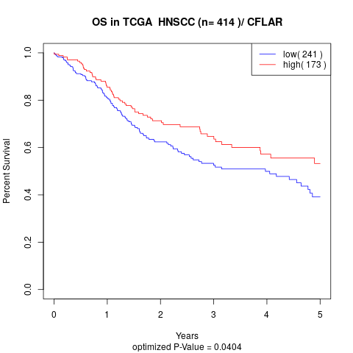

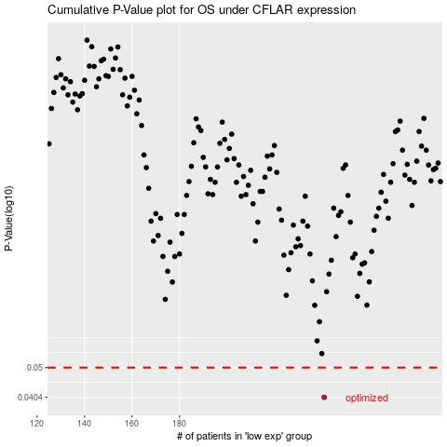

 |  |  |  |  |  | cases_OS | p_OS | rank | exp
 |  |  |  |  |  | 241 | 0.0404 | 245 | 0.01835339072
 |  |  |  |  |  |  | cases_RFS | p_RFS | rank | exp
 |  |  |  |  |  |  | 240 | 0.0404 | 283 | 0.017488922587

