CFTR _multivariate
Reported by Tex Li-Hsing Chi. tex@gate.sinica.edu.tw 2019-08-21

Table 2. The clinicopathological features of HNSCC cohort and CFTR expression. (Chi square test)
Cutoff at -0.121 (49.8%)
 |  | CFTR expression |  | CFTR expression |  | (Optimised)
 | Features | Low | (%) | High | (%) | Case no | P-value | Remark | Matthews
Gender | Female | 145 | 34.9 | 161 | 38.8 | 415 | 0.1116 | 0 | 0
2 | Male | 62 | 14.9 | 47 | 11.3
Age at diagnosis | <=65y | 131 | 31.6 | 143 | 34.5 | 415 | 0.2839 | 0 | 0
4 | >65y | 76 | 18.3 | 65 | 15.7
Clinical T Status | T1+T2 | 77 | 18.6 | 72 | 17.3 | 415 | 0.6556 | 0 | 0
6 | T3+T4 | 130 | 31.3 | 136 | 32.8
Clinical N Status | N0 | 106 | 25.5 | 110 | 26.5 | 415 | 0.8075 | 0 | 0
8 | N1-3 | 101 | 24.3 | 98 | 23.6
Clinical M Status | M0 | 205 | 49.4 | 207 | 49.9 | 415 | 0.6232 | 0 | 0
10 | M1 | 2 | 0.5 | 1 | 0.2
Clinical Stage | Stage I+II | 52 | 12.5 | 50 | 12 | 415 | 0.8871 | 0 | 0
12 | Stage III+IV | 155 | 37.3 | 158 | 38.1
Surgical Margin status | Negative | 157 | 37.8 | 161 | 38.8 | 415 | 0.729 | 0 | 0
14 | Positive | 50 | 12 | 47 | 11.3
Tobacco Exposure | Low | 105 | 25.3 | 56 | 13.5 | 415 | 0 | 1 | 0
16 | High | 102 | 24.6 | 152 | 36.6

Table 3. Univariate/Multivariate Cox's proportional hazards regression analyses on OS time of CFTR gene expression in HNSCC

 |  | Univariate |  |  |  | Multivariate
 | Features | HR | CI95%(L) | CI95%(H) | P-value | HR | CI95%(L) | CI95%(H) | P-value
1 | Female | 1 |  |  |  | 1
Gender | Male | 1.157 | 0.843 | 1.587 | 0.367 | 1.21 | 0.866 | 1.692 | 0.264
11 | <=65y | 1 |  |  |  | 1
Age at diagnosis | >65y | 1.329 | 0.99 | 1.784 | 0.058 | 1.396 | 1.027 | 1.899 | 0.033
12 | T1+T2 | 1 |  |  |  | 1
Clinical T Status | T3+T4 | 1.409 | 1.028 | 1.931 | 0.033 | 2.182 | 1.153 | 4.126 | 0.016
13 | N0 | 1 |  |  |  | 1
Clinical N Status | N1-3 | 1.185 | 0.89 | 1.577 | 0.246 | 1.224 | 0.856 | 1.75 | 0.268
14 | M0 | 1 |  |  |  | 1
Clinical M Status | M1 | 4.097 | 1.009 | 16.644 | 0.049 | 9.297 | 2.028 | 42.631 | 0.004
15 | Stage I+II | 1 |  |  |  | 1
Clinical Stage | Stage III+IV | 1.245 | 0.882 | 1.759 | 0.213 | 0.508 | 0.237 | 1.091 | 0.083
16 | Negative | 1 |  |  |  | 1
Surgical Margin status | Positive | 1.591 | 1.155 | 2.191 | 0.004 | 1.676 | 1.213 | 2.315 | 0.002
17 | Low | 1 |  |  |  | 1
Tobacco Exposure | High | 1.364 | 1.008 | 1.844 | 0.044 | 1.503 | 1.077 | 2.098 | 0.017
18 | Low | 1 |  |  |  | 1
RNAseq(z-score) | High | 0.954 | 0.715 | 1.271 | 0.746 | 0.892 | 0.661 | 1.204 | 0.456

Table 4. Univariate/Multivariate Cox's proportional hazards regression analyses on RFS time of CFTR gene expression in HNSCC

 |  | Univariate |  |  |  | Multivariate
 | Features | HR | CI95%(L) | CI95%(H) | P-value | HR | CI95%(L) | CI95%(H) | P-value
1 | Female | 1 |  |  |  | 1
Gender | Male | 1.157 | 0.843 | 1.587 | 0.367 | 1.21 | 0.866 | 1.692 | 0.264
11 | <=65y | 1 |  |  |  | 1
Age at diagnosis | >65y | 1.329 | 0.99 | 1.784 | 0.058 | 1.396 | 1.027 | 1.899 | 0.033
12 | T1+T2 | 1 |  |  |  | 1
Clinical T Status | T3+T4 | 1.409 | 1.028 | 1.931 | 0.033 | 2.182 | 1.153 | 4.126 | 0.016
13 | N0 | 1 |  |  |  | 1
Clinical N Status | N1-3 | 1.185 | 0.89 | 1.577 | 0.246 | 1.224 | 0.856 | 1.75 | 0.268
14 | M0 | 1 |  |  |  | 1
Clinical M Status | M1 | 4.097 | 1.009 | 16.644 | 0.049 | 9.297 | 2.028 | 42.631 | 0.004
15 | Stage I+II | 1 |  |  |  | 1
Clinical Stage | Stage III+IV | 1.245 | 0.882 | 1.759 | 0.213 | 0.508 | 0.237 | 1.091 | 0.083
16 | Negative | 1 |  |  |  | 1
Surgical Margin status | Positive | 1.591 | 1.155 | 2.191 | 0.004 | 1.676 | 1.213 | 2.315 | 0.002
17 | Low | 1 |  |  |  | 1
Tobacco Exposure | High | 1.364 | 1.008 | 1.844 | 0.044 | 1.503 | 1.077 | 2.098 | 0.017
18 | Low | 1 |  |  |  | 1
RNAseq(z-score) | High | 0.954 | 0.715 | 1.271 | 0.746 | 0.892 | 0.661 | 1.204 | 0.456

Kaplan-Meier survival estimate: Cutoff at -0.121 (49.8%)



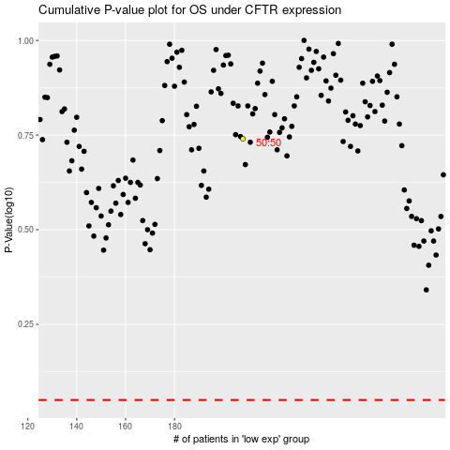

 |  |  |  |  |  | cases_OS | p_OS | rank | exp
 |  |  |  |  |  |  | cases_RFS | p_RFS | rank | exp

