CGB _multivariate
Reported by Tex Li-Hsing Chi. tex@gate.sinica.edu.tw 2019-08-21

Table 2. The clinicopathological features of HNSCC cohort and CGB expression. (Chi square test)
Cutoff at -0.07 (34.1%)
 |  | CGB expression |  | CGB expression |  | (Optimised)
 | Features | Low | (%) | High | (%) | Case no | P-value | Remark | Matthews
Gender | Female | 107 | 25.8 | 199 | 48 | 415 | 0.5507 | 0 | 0
2 | Male | 34 | 8.2 | 75 | 18.1
Age at diagnosis | <=65y | 90 | 21.7 | 184 | 44.3 | 415 | 0.5703 | 0 | 0
4 | >65y | 51 | 12.3 | 90 | 21.7
Clinical T Status | T1+T2 | 50 | 12 | 99 | 23.9 | 415 | 0.9786 | 0 | 0
6 | T3+T4 | 91 | 21.9 | 175 | 42.2
Clinical N Status | N0 | 72 | 17.3 | 144 | 34.7 | 415 | 0.8538 | 0 | 0
8 | N1-3 | 69 | 16.6 | 130 | 31.3
Clinical M Status | M0 | 140 | 33.7 | 272 | 65.5 | 415 | 1 | 0 | 0
10 | M1 | 1 | 0.2 | 2 | 0.5
Clinical Stage | Stage I+II | 27 | 6.5 | 75 | 18.1 | 415 | 0.085 | 0 | 0
12 | Stage III+IV | 114 | 27.5 | 199 | 48
Surgical Margin status | Negative | 105 | 25.3 | 213 | 51.3 | 415 | 0.4646 | 0 | 0
14 | Positive | 36 | 8.7 | 61 | 14.7
Tobacco Exposure | Low | 52 | 12.5 | 109 | 26.3 | 415 | 0.5959 | 0 | 0
16 | High | 89 | 21.4 | 165 | 39.8

Table 3. Univariate/Multivariate Cox's proportional hazards regression analyses on OS time of CGB gene expression in HNSCC

 |  | Univariate |  |  |  | Multivariate
 | Features | HR | CI95%(L) | CI95%(H) | P-value | HR | CI95%(L) | CI95%(H) | P-value
1 | Female | 1 |  |  |  | 1
Gender | Male | 1.157 | 0.843 | 1.587 | 0.367 | 1.182 | 0.845 | 1.652 | 0.329
11 | <=65y | 1 |  |  |  | 1
Age at diagnosis | >65y | 1.329 | 0.99 | 1.784 | 0.058 | 1.442 | 1.059 | 1.962 | 0.02
12 | T1+T2 | 1 |  |  |  | 1
Clinical T Status | T3+T4 | 1.409 | 1.028 | 1.931 | 0.033 | 2.034 | 1.073 | 3.858 | 0.03
13 | N0 | 1 |  |  |  | 1
Clinical N Status | N1-3 | 1.185 | 0.89 | 1.577 | 0.246 | 1.195 | 0.837 | 1.706 | 0.326
14 | M0 | 1 |  |  |  | 1
Clinical M Status | M1 | 4.097 | 1.009 | 16.644 | 0.049 | 8.427 | 1.834 | 38.728 | 0.006
15 | Stage I+II | 1 |  |  |  | 1
Clinical Stage | Stage III+IV | 1.245 | 0.882 | 1.759 | 0.213 | 0.575 | 0.266 | 1.245 | 0.161
16 | Negative | 1 |  |  |  | 1
Surgical Margin status | Positive | 1.591 | 1.155 | 2.191 | 0.004 | 1.655 | 1.198 | 2.286 | 0.002
17 | Low | 1 |  |  |  | 1
Tobacco Exposure | High | 1.364 | 1.008 | 1.844 | 0.044 | 1.443 | 1.047 | 1.988 | 0.025
18 | Low | 1 |  |  |  | 1
RNAseq(z-score) | High | 1.426 | 1.041 | 1.954 | 0.027 | 1.421 | 1.03 | 1.96 | 0.032

Table 4. Univariate/Multivariate Cox's proportional hazards regression analyses on RFS time of CGB gene expression in HNSCC

 |  | Univariate |  |  |  | Multivariate
 | Features | HR | CI95%(L) | CI95%(H) | P-value | HR | CI95%(L) | CI95%(H) | P-value
1 | Female | 1 |  |  |  | 1
Gender | Male | 1.157 | 0.843 | 1.587 | 0.367 | 1.182 | 0.845 | 1.652 | 0.329
11 | <=65y | 1 |  |  |  | 1
Age at diagnosis | >65y | 1.329 | 0.99 | 1.784 | 0.058 | 1.442 | 1.059 | 1.962 | 0.02
12 | T1+T2 | 1 |  |  |  | 1
Clinical T Status | T3+T4 | 1.409 | 1.028 | 1.931 | 0.033 | 2.034 | 1.073 | 3.858 | 0.03
13 | N0 | 1 |  |  |  | 1
Clinical N Status | N1-3 | 1.185 | 0.89 | 1.577 | 0.246 | 1.195 | 0.837 | 1.706 | 0.326
14 | M0 | 1 |  |  |  | 1
Clinical M Status | M1 | 4.097 | 1.009 | 16.644 | 0.049 | 8.427 | 1.834 | 38.728 | 0.006
15 | Stage I+II | 1 |  |  |  | 1
Clinical Stage | Stage III+IV | 1.245 | 0.882 | 1.759 | 0.213 | 0.575 | 0.266 | 1.245 | 0.161
16 | Negative | 1 |  |  |  | 1
Surgical Margin status | Positive | 1.591 | 1.155 | 2.191 | 0.004 | 1.655 | 1.198 | 2.286 | 0.002
17 | Low | 1 |  |  |  | 1
Tobacco Exposure | High | 1.364 | 1.008 | 1.844 | 0.044 | 1.443 | 1.047 | 1.988 | 0.025
18 | Low | 1 |  |  |  | 1
RNAseq(z-score) | High | 1.426 | 1.041 | 1.954 | 0.027 | 1.421 | 1.03 | 1.96 | 0.032

Kaplan-Meier survival estimate: Cutoff at -0.07 (34.1%)

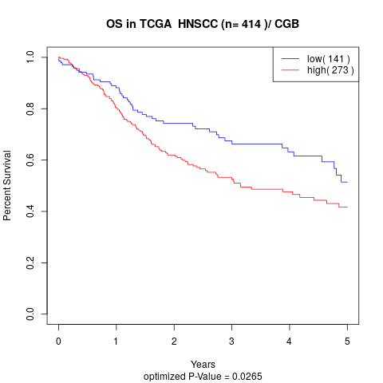

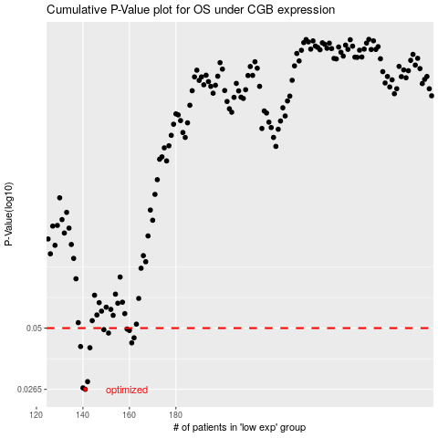

 |  |  |  |  |  | cases_OS | p_OS | rank | exp
 |  |  |  |  |  | 141 | 0.0265 | 279 | -0.069722805476
 |  |  |  |  |  | 140 | 0.0269 | 345 | -0.069797014605
 |  |  |  |  |  | 142 | 0.0287 | 239 | -0.069700467013
 |  |  |  |  |  | 143 | 0.0408 | 52 | -0.069677749933
 |  |  |  |  |  | 139 | 0.0413 | 183 | -0.069922526473
 |  |  |  |  |  | 161 | 0.0429 | 212 | -0.068579379103
 |  |  |  |  |  | 162 | 0.0452 | 142 | -0.068440047678
 |  |  |  |  |  | 151 | 0.0475 | 263 | -0.069336804421
 |  |  |  |  |  | 160 | 0.0488 | 16 | -0.068725714962
 |  |  |  |  |  | 149 | 0.0492 | 181 | -0.06943183754
 |  |  |  |  |  | 159 | 0.0495 | 291 | -0.068790080023
 |  |  |  |  |  |  | cases_RFS | p_RFS | rank | exp
 |  |  |  |  |  |  | 140 | 0.0265 | 345 | -0.069797014605
 |  |  |  |  |  |  | 139 | 0.0269 | 183 | -0.069922526473
 |  |  |  |  |  |  | 141 | 0.0287 | 279 | -0.069722805476
 |  |  |  |  |  |  | 142 | 0.0408 | 239 | -0.069700467013
 |  |  |  |  |  |  | 138 | 0.0413 | 41 | -0.069988973933
 |  |  |  |  |  |  | 160 | 0.0429 | 16 | -0.068725714962
 |  |  |  |  |  |  | 161 | 0.0452 | 212 | -0.068579379103
 |  |  |  |  |  |  | 150 | 0.0475 | 140 | -0.069342105073
 |  |  |  |  |  |  | 159 | 0.0488 | 291 | -0.068790080023
 |  |  |  |  |  |  | 148 | 0.0492 | 30 | -0.069498284999
 |  |  |  |  |  |  | 158 | 0.0495 | 167 | -0.068868075331

