CGB2 _multivariate
Reported by Tex Li-Hsing Chi. tex@gate.sinica.edu.tw 2019-08-21

Table 2. The clinicopathological features of HNSCC cohort and CGB2 expression. (Chi square test)
Cutoff at -0.22 (50.0%)
 |  | CGB2 expression |  | CGB2 expression |  | (Optimised)
 | Features | Low | (%) | High | (%) | Case no | P-value | Remark | Matthews
Gender | Female | 151 | 36.4 | 155 | 37.3 | 415 | 0.8007 | 0 | 0
2 | Male | 56 | 13.5 | 53 | 12.8
Age at diagnosis | <=65y | 146 | 35.2 | 128 | 30.8 | 415 | 0.0672 | 0 | 0
4 | >65y | 61 | 14.7 | 80 | 19.3
Clinical T Status | T1+T2 | 79 | 19 | 70 | 16.9 | 415 | 0.3924 | 0 | 0
6 | T3+T4 | 128 | 30.8 | 138 | 33.3
Clinical N Status | N0 | 101 | 24.3 | 115 | 27.7 | 415 | 0.2201 | 0 | 0
8 | N1-3 | 106 | 25.5 | 93 | 22.4
Clinical M Status | M0 | 206 | 49.6 | 206 | 49.6 | 415 | 1 | 0 | 0
10 | M1 | 1 | 0.2 | 2 | 0.5
Clinical Stage | Stage I+II | 48 | 11.6 | 54 | 13 | 415 | 0.5878 | 0 | 0
12 | Stage III+IV | 159 | 38.3 | 154 | 37.1
Surgical Margin status | Negative | 158 | 38.1 | 160 | 38.6 | 415 | 0.9081 | 0 | 0
14 | Positive | 49 | 11.8 | 48 | 11.6
Tobacco Exposure | Low | 71 | 17.1 | 90 | 21.7 | 415 | 0.0698 | 0 | 0
16 | High | 136 | 32.8 | 118 | 28.4

Table 3. Univariate/Multivariate Cox's proportional hazards regression analyses on OS time of CGB2 gene expression in HNSCC

 |  | Univariate |  |  |  | Multivariate
 | Features | HR | CI95%(L) | CI95%(H) | P-value | HR | CI95%(L) | CI95%(H) | P-value
1 | Female | 1 |  |  |  | 1
Gender | Male | 1.157 | 0.843 | 1.587 | 0.367 | 1.195 | 0.856 | 1.669 | 0.296
11 | <=65y | 1 |  |  |  | 1
Age at diagnosis | >65y | 1.329 | 0.99 | 1.784 | 0.058 | 1.406 | 1.032 | 1.914 | 0.031
12 | T1+T2 | 1 |  |  |  | 1
Clinical T Status | T3+T4 | 1.409 | 1.028 | 1.931 | 0.033 | 2.245 | 1.184 | 4.256 | 0.013
13 | N0 | 1 |  |  |  | 1
Clinical N Status | N1-3 | 1.185 | 0.89 | 1.577 | 0.246 | 1.237 | 0.867 | 1.765 | 0.241
14 | M0 | 1 |  |  |  | 1
Clinical M Status | M1 | 4.097 | 1.009 | 16.644 | 0.049 | 9.69 | 2.108 | 44.555 | 0.004
15 | Stage I+II | 1 |  |  |  | 1
Clinical Stage | Stage III+IV | 1.245 | 0.882 | 1.759 | 0.213 | 0.496 | 0.231 | 1.067 | 0.073
16 | Negative | 1 |  |  |  | 1
Surgical Margin status | Positive | 1.591 | 1.155 | 2.191 | 0.004 | 1.671 | 1.209 | 2.309 | 0.002
17 | Low | 1 |  |  |  | 1
Tobacco Exposure | High | 1.364 | 1.008 | 1.844 | 0.044 | 1.449 | 1.052 | 1.997 | 0.023
18 | Low | 1 |  |  |  | 1
RNAseq(z-score) | High | 0.946 | 0.709 | 1.262 | 0.706 | 0.912 | 0.681 | 1.223 | 0.539

Table 4. Univariate/Multivariate Cox's proportional hazards regression analyses on RFS time of CGB2 gene expression in HNSCC

 |  | Univariate |  |  |  | Multivariate
 | Features | HR | CI95%(L) | CI95%(H) | P-value | HR | CI95%(L) | CI95%(H) | P-value
1 | Female | 1 |  |  |  | 1
Gender | Male | 1.157 | 0.843 | 1.587 | 0.367 | 1.195 | 0.856 | 1.669 | 0.296
11 | <=65y | 1 |  |  |  | 1
Age at diagnosis | >65y | 1.329 | 0.99 | 1.784 | 0.058 | 1.406 | 1.032 | 1.914 | 0.031
12 | T1+T2 | 1 |  |  |  | 1
Clinical T Status | T3+T4 | 1.409 | 1.028 | 1.931 | 0.033 | 2.245 | 1.184 | 4.256 | 0.013
13 | N0 | 1 |  |  |  | 1
Clinical N Status | N1-3 | 1.185 | 0.89 | 1.577 | 0.246 | 1.237 | 0.867 | 1.765 | 0.241
14 | M0 | 1 |  |  |  | 1
Clinical M Status | M1 | 4.097 | 1.009 | 16.644 | 0.049 | 9.69 | 2.108 | 44.555 | 0.004
15 | Stage I+II | 1 |  |  |  | 1
Clinical Stage | Stage III+IV | 1.245 | 0.882 | 1.759 | 0.213 | 0.496 | 0.231 | 1.067 | 0.073
16 | Negative | 1 |  |  |  | 1
Surgical Margin status | Positive | 1.591 | 1.155 | 2.191 | 0.004 | 1.671 | 1.209 | 2.309 | 0.002
17 | Low | 1 |  |  |  | 1
Tobacco Exposure | High | 1.364 | 1.008 | 1.844 | 0.044 | 1.449 | 1.052 | 1.997 | 0.023
18 | Low | 1 |  |  |  | 1
RNAseq(z-score) | High | 0.946 | 0.709 | 1.262 | 0.706 | 0.912 | 0.681 | 1.223 | 0.539

Kaplan-Meier survival estimate: Cutoff at -0.22 (50.0%)

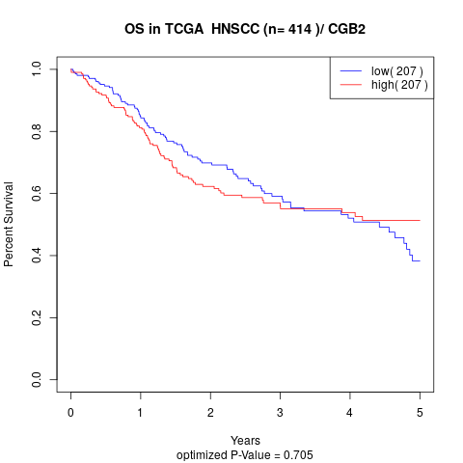

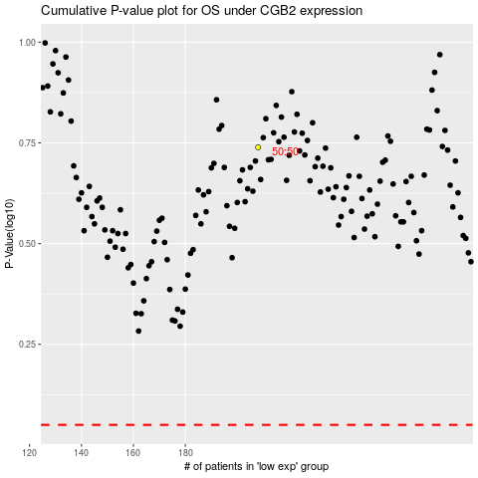

 |  |  |  |  |  | cases_OS | p_OS | rank | exp
 |  |  |  |  |  |  | cases_RFS | p_RFS | rank | exp

