CGB5 _multivariate
Reported by Tex Li-Hsing Chi. tex@gate.sinica.edu.tw 2019-08-21

Table 2. The clinicopathological features of HNSCC cohort and CGB5 expression. (Chi square test)
Cutoff at -0.082 (50.0%)
 |  | CGB5 expression |  | CGB5 expression |  | (Optimised)
 | Features | Low | (%) | High | (%) | Case no | P-value | Remark | Matthews
Gender | Female | 156 | 37.6 | 150 | 36.1 | 415 | 0.5222 | 0 | 0
2 | Male | 51 | 12.3 | 58 | 14
Age at diagnosis | <=65y | 133 | 32 | 141 | 34 | 415 | 0.5111 | 0 | 0
4 | >65y | 74 | 17.8 | 67 | 16.1
Clinical T Status | T1+T2 | 65 | 15.7 | 84 | 20.2 | 415 | 0.0711 | 0 | 0
6 | T3+T4 | 142 | 34.2 | 124 | 29.9
Clinical N Status | N0 | 102 | 24.6 | 114 | 27.5 | 415 | 0.3031 | 0 | 0
8 | N1-3 | 105 | 25.3 | 94 | 22.7
Clinical M Status | M0 | 204 | 49.2 | 208 | 50.1 | 415 | 0.1232 | 0 | 0
10 | M1 | 3 | 0.7 | 0 | 0
Clinical Stage | Stage I+II | 39 | 9.4 | 63 | 15.2 | 415 | 0.0095 | 1 | 0
12 | Stage III+IV | 168 | 40.5 | 145 | 34.9
Surgical Margin status | Negative | 155 | 37.3 | 163 | 39.3 | 415 | 0.4187 | 0 | 0
14 | Positive | 52 | 12.5 | 45 | 10.8
Tobacco Exposure | Low | 73 | 17.6 | 88 | 21.2 | 415 | 0.1587 | 0 | 0
16 | High | 134 | 32.3 | 120 | 28.9

Table 3. Univariate/Multivariate Cox's proportional hazards regression analyses on OS time of CGB5 gene expression in HNSCC

 |  | Univariate |  |  |  | Multivariate
 | Features | HR | CI95%(L) | CI95%(H) | P-value | HR | CI95%(L) | CI95%(H) | P-value
1 | Female | 1 |  |  |  | 1
Gender | Male | 1.157 | 0.843 | 1.587 | 0.367 | 1.211 | 0.866 | 1.692 | 0.262
11 | <=65y | 1 |  |  |  | 1
Age at diagnosis | >65y | 1.329 | 0.99 | 1.784 | 0.058 | 1.378 | 1.012 | 1.876 | 0.042
12 | T1+T2 | 1 |  |  |  | 1
Clinical T Status | T3+T4 | 1.409 | 1.028 | 1.931 | 0.033 | 2.216 | 1.172 | 4.191 | 0.014
13 | N0 | 1 |  |  |  | 1
Clinical N Status | N1-3 | 1.185 | 0.89 | 1.577 | 0.246 | 1.256 | 0.879 | 1.794 | 0.211
14 | M0 | 1 |  |  |  | 1
Clinical M Status | M1 | 4.097 | 1.009 | 16.644 | 0.049 | 8.991 | 1.952 | 41.417 | 0.005
15 | Stage I+II | 1 |  |  |  | 1
Clinical Stage | Stage III+IV | 1.245 | 0.882 | 1.759 | 0.213 | 0.49 | 0.227 | 1.056 | 0.069
16 | Negative | 1 |  |  |  | 1
Surgical Margin status | Positive | 1.591 | 1.155 | 2.191 | 0.004 | 1.685 | 1.218 | 2.33 | 0.002
17 | Low | 1 |  |  |  | 1
Tobacco Exposure | High | 1.364 | 1.008 | 1.844 | 0.044 | 1.457 | 1.057 | 2.008 | 0.021
18 | Low | 1 |  |  |  | 1
RNAseq(z-score) | High | 0.875 | 0.657 | 1.166 | 0.363 | 0.899 | 0.669 | 1.208 | 0.479

Table 4. Univariate/Multivariate Cox's proportional hazards regression analyses on RFS time of CGB5 gene expression in HNSCC

 |  | Univariate |  |  |  | Multivariate
 | Features | HR | CI95%(L) | CI95%(H) | P-value | HR | CI95%(L) | CI95%(H) | P-value
1 | Female | 1 |  |  |  | 1
Gender | Male | 1.157 | 0.843 | 1.587 | 0.367 | 1.211 | 0.866 | 1.692 | 0.262
11 | <=65y | 1 |  |  |  | 1
Age at diagnosis | >65y | 1.329 | 0.99 | 1.784 | 0.058 | 1.378 | 1.012 | 1.876 | 0.042
12 | T1+T2 | 1 |  |  |  | 1
Clinical T Status | T3+T4 | 1.409 | 1.028 | 1.931 | 0.033 | 2.216 | 1.172 | 4.191 | 0.014
13 | N0 | 1 |  |  |  | 1
Clinical N Status | N1-3 | 1.185 | 0.89 | 1.577 | 0.246 | 1.256 | 0.879 | 1.794 | 0.211
14 | M0 | 1 |  |  |  | 1
Clinical M Status | M1 | 4.097 | 1.009 | 16.644 | 0.049 | 8.991 | 1.952 | 41.417 | 0.005
15 | Stage I+II | 1 |  |  |  | 1
Clinical Stage | Stage III+IV | 1.245 | 0.882 | 1.759 | 0.213 | 0.49 | 0.227 | 1.056 | 0.069
16 | Negative | 1 |  |  |  | 1
Surgical Margin status | Positive | 1.591 | 1.155 | 2.191 | 0.004 | 1.685 | 1.218 | 2.33 | 0.002
17 | Low | 1 |  |  |  | 1
Tobacco Exposure | High | 1.364 | 1.008 | 1.844 | 0.044 | 1.457 | 1.057 | 2.008 | 0.021
18 | Low | 1 |  |  |  | 1
RNAseq(z-score) | High | 0.875 | 0.657 | 1.166 | 0.363 | 0.899 | 0.669 | 1.208 | 0.479

Kaplan-Meier survival estimate: Cutoff at -0.082 (50.0%)



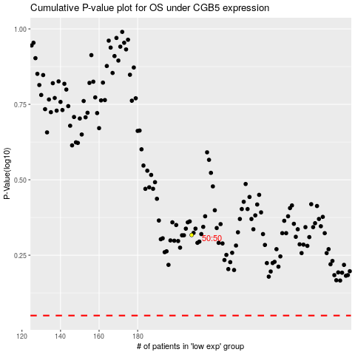

 |  |  |  |  |  | cases_OS | p_OS | rank | exp
 |  |  |  |  |  |  | cases_RFS | p_RFS | rank | exp

