CGB7 _multivariate
Reported by Tex Li-Hsing Chi. tex@gate.sinica.edu.tw 2019-08-21

Table 2. The clinicopathological features of HNSCC cohort and CGB7 expression. (Chi square test)
Cutoff at -0.525 (30.2%)
 |  | CGB7 expression |  | CGB7 expression |  | (Optimised)
 | Features | Low | (%) | High | (%) | Case no | P-value | Remark | Matthews
Gender | Female | 92 | 22.2 | 214 | 51.6 | 415 | 1 | 0 | 0
2 | Male | 33 | 8 | 76 | 18.3
Age at diagnosis | <=65y | 92 | 22.2 | 182 | 43.9 | 415 | 0.0427 | 1 | 0
4 | >65y | 33 | 8 | 108 | 26
Clinical T Status | T1+T2 | 48 | 11.6 | 101 | 24.3 | 415 | 0.5589 | 0 | 0
6 | T3+T4 | 77 | 18.6 | 189 | 45.5
Clinical N Status | N0 | 68 | 16.4 | 148 | 35.7 | 415 | 0.6013 | 0 | 0
8 | N1-3 | 57 | 13.7 | 142 | 34.2
Clinical M Status | M0 | 125 | 30.1 | 287 | 69.2 | 415 | 0.5571 | 0 | 0
10 | M1 | 0 | 0 | 3 | 0.7
Clinical Stage | Stage I+II | 31 | 7.5 | 71 | 17.1 | 415 | 1 | 0 | 0
12 | Stage III+IV | 94 | 22.7 | 219 | 52.8
Surgical Margin status | Negative | 98 | 23.6 | 220 | 53 | 415 | 0.6148 | 0 | 0
14 | Positive | 27 | 6.5 | 70 | 16.9
Tobacco Exposure | Low | 42 | 10.1 | 119 | 28.7 | 415 | 0.1875 | 0 | 0
16 | High | 83 | 20 | 171 | 41.2

Table 3. Univariate/Multivariate Cox's proportional hazards regression analyses on OS time of CGB7 gene expression in HNSCC

 |  | Univariate |  |  |  | Multivariate
 | Features | HR | CI95%(L) | CI95%(H) | P-value | HR | CI95%(L) | CI95%(H) | P-value
1 | Female | 1 |  |  |  | 1
Gender | Male | 1.157 | 0.843 | 1.587 | 0.367 | 1.227 | 0.876 | 1.717 | 0.234
11 | <=65y | 1 |  |  |  | 1
Age at diagnosis | >65y | 1.329 | 0.99 | 1.784 | 0.058 | 1.335 | 0.979 | 1.821 | 0.068
12 | T1+T2 | 1 |  |  |  | 1
Clinical T Status | T3+T4 | 1.409 | 1.028 | 1.931 | 0.033 | 2.081 | 1.097 | 3.947 | 0.025
13 | N0 | 1 |  |  |  | 1
Clinical N Status | N1-3 | 1.185 | 0.89 | 1.577 | 0.246 | 1.203 | 0.842 | 1.72 | 0.309
14 | M0 | 1 |  |  |  | 1
Clinical M Status | M1 | 4.097 | 1.009 | 16.644 | 0.049 | 8.317 | 1.805 | 38.331 | 0.007
15 | Stage I+II | 1 |  |  |  | 1
Clinical Stage | Stage III+IV | 1.245 | 0.882 | 1.759 | 0.213 | 0.541 | 0.251 | 1.164 | 0.116
16 | Negative | 1 |  |  |  | 1
Surgical Margin status | Positive | 1.591 | 1.155 | 2.191 | 0.004 | 1.638 | 1.185 | 2.264 | 0.003
17 | Low | 1 |  |  |  | 1
Tobacco Exposure | High | 1.364 | 1.008 | 1.844 | 0.044 | 1.454 | 1.055 | 2.003 | 0.022
18 | Low | 1 |  |  |  | 1
RNAseq(z-score) | High | 1.47 | 1.065 | 2.03 | 0.019 | 1.322 | 0.951 | 1.839 | 0.097

Table 4. Univariate/Multivariate Cox's proportional hazards regression analyses on RFS time of CGB7 gene expression in HNSCC

 |  | Univariate |  |  |  | Multivariate
 | Features | HR | CI95%(L) | CI95%(H) | P-value | HR | CI95%(L) | CI95%(H) | P-value
1 | Female | 1 |  |  |  | 1
Gender | Male | 1.157 | 0.843 | 1.587 | 0.367 | 1.227 | 0.876 | 1.717 | 0.234
11 | <=65y | 1 |  |  |  | 1
Age at diagnosis | >65y | 1.329 | 0.99 | 1.784 | 0.058 | 1.335 | 0.979 | 1.821 | 0.068
12 | T1+T2 | 1 |  |  |  | 1
Clinical T Status | T3+T4 | 1.409 | 1.028 | 1.931 | 0.033 | 2.081 | 1.097 | 3.947 | 0.025
13 | N0 | 1 |  |  |  | 1
Clinical N Status | N1-3 | 1.185 | 0.89 | 1.577 | 0.246 | 1.203 | 0.842 | 1.72 | 0.309
14 | M0 | 1 |  |  |  | 1
Clinical M Status | M1 | 4.097 | 1.009 | 16.644 | 0.049 | 8.317 | 1.805 | 38.331 | 0.007
15 | Stage I+II | 1 |  |  |  | 1
Clinical Stage | Stage III+IV | 1.245 | 0.882 | 1.759 | 0.213 | 0.541 | 0.251 | 1.164 | 0.116
16 | Negative | 1 |  |  |  | 1
Surgical Margin status | Positive | 1.591 | 1.155 | 2.191 | 0.004 | 1.638 | 1.185 | 2.264 | 0.003
17 | Low | 1 |  |  |  | 1
Tobacco Exposure | High | 1.364 | 1.008 | 1.844 | 0.044 | 1.454 | 1.055 | 2.003 | 0.022
18 | Low | 1 |  |  |  | 1
RNAseq(z-score) | High | 1.47 | 1.065 | 2.03 | 0.019 | 1.322 | 0.951 | 1.839 | 0.097

Kaplan-Meier survival estimate: Cutoff at -0.525 (30.2%)

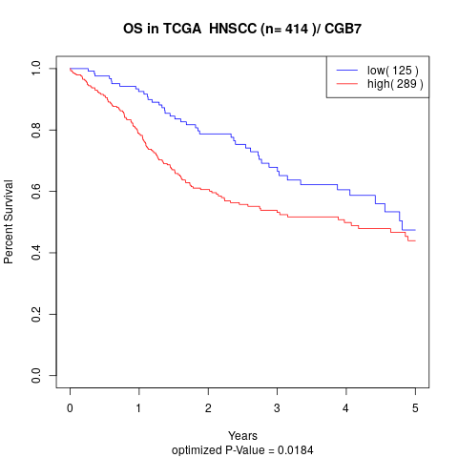

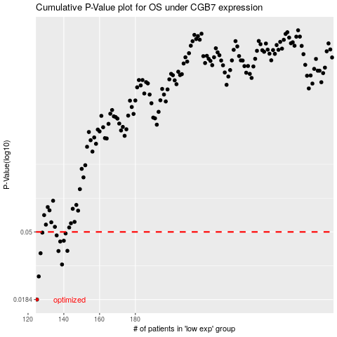

 |  |  |  |  |  | cases_OS | p_OS | rank | exp
 |  |  |  |  |  | 125 | 0.0184 | 364 | -0.52489780452
 |  |  |  |  |  | 126 | 0.0259 | 61 | -0.52424647297
 |  |  |  |  |  | 139 | 0.0309 | 115 | -0.49087550088
 |  |  |  |  |  | 127 | 0.0365 | 68 | -0.52419110979
 |  |  |  |  |  | 137 | 0.0377 | 366 | -0.49269271591
 |  |  |  |  |  | 142 | 0.0378 | 108 | -0.48027507987
 |  |  |  |  |  | 138 | 0.0434 | 368 | -0.49133143297
 |  |  |  |  |  | 140 | 0.0439 | 256 | -0.48381181019
 |  |  |  |  |  | 136 | 0.0475 | 105 | -0.49476720691
 |  |  |  |  |  | 141 | 0.0489 | 45 | -0.48303346899
 |  |  |  |  |  | 128 | 0.0495 | 1 | -0.52089211547
 |  |  |  |  |  |  | cases_RFS | p_RFS | rank | exp
 |  |  |  |  |  |  |  | 0.0184 | 262 | -0.52654893001
 |  |  |  |  |  |  | 125 | 0.0259 | 364 | -0.52489780452
 |  |  |  |  |  |  | 138 | 0.0309 | 368 | -0.49133143297
 |  |  |  |  |  |  | 126 | 0.0365 | 61 | -0.52424647297
 |  |  |  |  |  |  | 136 | 0.0377 | 105 | -0.49476720691
 |  |  |  |  |  |  | 141 | 0.0378 | 45 | -0.48303346899
 |  |  |  |  |  |  | 137 | 0.0434 | 366 | -0.49269271591
 |  |  |  |  |  |  | 139 | 0.0439 | 115 | -0.49087550088
 |  |  |  |  |  |  | 135 | 0.0475 | 9 | -0.4961089499
 |  |  |  |  |  |  | 140 | 0.0489 | 256 | -0.48381181019
 |  |  |  |  |  |  | 127 | 0.0495 | 68 | -0.52419110979

