CGB8 _multivariate
Reported by Tex Li-Hsing Chi. tex@gate.sinica.edu.tw 2019-08-21

Table 2. The clinicopathological features of HNSCC cohort and CGB8 expression. (Chi square test)
Cutoff at -0.254 (50.0%)
 |  | CGB8 expression |  | CGB8 expression |  | (Optimised)
 | Features | Low | (%) | High | (%) | Case no | P-value | Remark | Matthews
Gender | Female | 158 | 38.1 | 148 | 35.7 | 415 | 0.2774 | 0 | 0
2 | Male | 49 | 11.8 | 60 | 14.5
Age at diagnosis | <=65y | 135 | 32.5 | 139 | 33.5 | 415 | 0.8084 | 0 | 0
4 | >65y | 72 | 17.3 | 69 | 16.6
Clinical T Status | T1+T2 | 72 | 17.3 | 77 | 18.6 | 415 | 0.7095 | 0 | 0
6 | T3+T4 | 135 | 32.5 | 131 | 31.6
Clinical N Status | N0 | 108 | 26 | 108 | 26 | 415 | 1 | 0 | 0
8 | N1-3 | 99 | 23.9 | 100 | 24.1
Clinical M Status | M0 | 206 | 49.6 | 206 | 49.6 | 415 | 1 | 0 | 0
10 | M1 | 1 | 0.2 | 2 | 0.5
Clinical Stage | Stage I+II | 42 | 10.1 | 60 | 14.5 | 415 | 0.0561 | 0 | 0
12 | Stage III+IV | 165 | 39.8 | 148 | 35.7
Surgical Margin status | Negative | 152 | 36.6 | 166 | 40 | 415 | 0.1329 | 0 | 0
14 | Positive | 55 | 13.3 | 42 | 10.1
Tobacco Exposure | Low | 75 | 18.1 | 86 | 20.7 | 415 | 0.3141 | 0 | 0
16 | High | 132 | 31.8 | 122 | 29.4

Table 3. Univariate/Multivariate Cox's proportional hazards regression analyses on OS time of CGB8 gene expression in HNSCC

 |  | Univariate |  |  |  | Multivariate
 | Features | HR | CI95%(L) | CI95%(H) | P-value | HR | CI95%(L) | CI95%(H) | P-value
1 | Female | 1 |  |  |  | 1
Gender | Male | 1.157 | 0.843 | 1.587 | 0.367 | 1.202 | 0.86 | 1.681 | 0.282
11 | <=65y | 1 |  |  |  | 1
Age at diagnosis | >65y | 1.329 | 0.99 | 1.784 | 0.058 | 1.392 | 1.024 | 1.892 | 0.035
12 | T1+T2 | 1 |  |  |  | 1
Clinical T Status | T3+T4 | 1.409 | 1.028 | 1.931 | 0.033 | 2.205 | 1.161 | 4.187 | 0.016
13 | N0 | 1 |  |  |  | 1
Clinical N Status | N1-3 | 1.185 | 0.89 | 1.577 | 0.246 | 1.242 | 0.868 | 1.776 | 0.236
14 | M0 | 1 |  |  |  | 1
Clinical M Status | M1 | 4.097 | 1.009 | 16.644 | 0.049 | 9.43 | 2.042 | 43.554 | 0.004
15 | Stage I+II | 1 |  |  |  | 1
Clinical Stage | Stage III+IV | 1.245 | 0.882 | 1.759 | 0.213 | 0.504 | 0.232 | 1.091 | 0.082
16 | Negative | 1 |  |  |  | 1
Surgical Margin status | Positive | 1.591 | 1.155 | 2.191 | 0.004 | 1.671 | 1.209 | 2.31 | 0.002
17 | Low | 1 |  |  |  | 1
Tobacco Exposure | High | 1.364 | 1.008 | 1.844 | 0.044 | 1.453 | 1.055 | 2.002 | 0.022
18 | Low | 1 |  |  |  | 1
RNAseq(z-score) | High | 1.031 | 0.772 | 1.376 | 0.838 | 0.995 | 0.74 | 1.338 | 0.974

Table 4. Univariate/Multivariate Cox's proportional hazards regression analyses on RFS time of CGB8 gene expression in HNSCC

 |  | Univariate |  |  |  | Multivariate
 | Features | HR | CI95%(L) | CI95%(H) | P-value | HR | CI95%(L) | CI95%(H) | P-value
1 | Female | 1 |  |  |  | 1
Gender | Male | 1.157 | 0.843 | 1.587 | 0.367 | 1.202 | 0.86 | 1.681 | 0.282
11 | <=65y | 1 |  |  |  | 1
Age at diagnosis | >65y | 1.329 | 0.99 | 1.784 | 0.058 | 1.392 | 1.024 | 1.892 | 0.035
12 | T1+T2 | 1 |  |  |  | 1
Clinical T Status | T3+T4 | 1.409 | 1.028 | 1.931 | 0.033 | 2.205 | 1.161 | 4.187 | 0.016
13 | N0 | 1 |  |  |  | 1
Clinical N Status | N1-3 | 1.185 | 0.89 | 1.577 | 0.246 | 1.242 | 0.868 | 1.776 | 0.236
14 | M0 | 1 |  |  |  | 1
Clinical M Status | M1 | 4.097 | 1.009 | 16.644 | 0.049 | 9.43 | 2.042 | 43.554 | 0.004
15 | Stage I+II | 1 |  |  |  | 1
Clinical Stage | Stage III+IV | 1.245 | 0.882 | 1.759 | 0.213 | 0.504 | 0.232 | 1.091 | 0.082
16 | Negative | 1 |  |  |  | 1
Surgical Margin status | Positive | 1.591 | 1.155 | 2.191 | 0.004 | 1.671 | 1.209 | 2.31 | 0.002
17 | Low | 1 |  |  |  | 1
Tobacco Exposure | High | 1.364 | 1.008 | 1.844 | 0.044 | 1.453 | 1.055 | 2.002 | 0.022
18 | Low | 1 |  |  |  | 1
RNAseq(z-score) | High | 1.031 | 0.772 | 1.376 | 0.838 | 0.995 | 0.74 | 1.338 | 0.974

Kaplan-Meier survival estimate: Cutoff at -0.254 (50.0%)



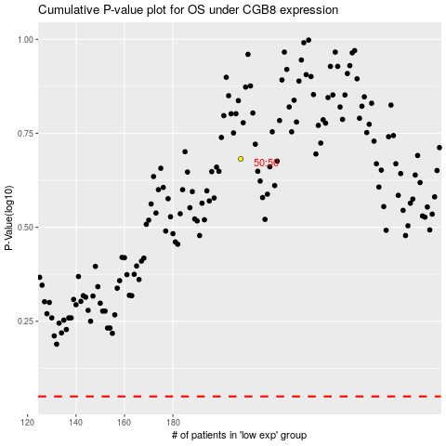

 |  |  |  |  |  | cases_OS | p_OS | rank | exp
 |  |  |  |  |  |  | cases_RFS | p_RFS | rank | exp

