CGGBP1 _multivariate
Reported by Tex Li-Hsing Chi. tex@gate.sinica.edu.tw 2019-08-21

Table 2. The clinicopathological features of HNSCC cohort and CGGBP1 expression. (Chi square test)
Cutoff at -0.231 (49.8%)
 |  | CGGBP1 expression |  | CGGBP1 expression |  | (Optimised)
 | Features | Low | (%) | High | (%) | Case no | P-value | Remark | Matthews
Gender | Female | 164 | 39.5 | 142 | 34.2 | 415 | 0.0153 | 1 | 0
2 | Male | 43 | 10.4 | 66 | 15.9
Age at diagnosis | <=65y | 136 | 32.8 | 138 | 33.3 | 415 | 0.9719 | 0 | 0
4 | >65y | 71 | 17.1 | 70 | 16.9
Clinical T Status | T1+T2 | 71 | 17.1 | 78 | 18.8 | 415 | 0.5638 | 0 | 0
6 | T3+T4 | 136 | 32.8 | 130 | 31.3
Clinical N Status | N0 | 109 | 26.3 | 107 | 25.8 | 415 | 0.8812 | 0 | 0
8 | N1-3 | 98 | 23.6 | 101 | 24.3
Clinical M Status | M0 | 204 | 49.2 | 208 | 50.1 | 415 | 0.1232 | 0 | 0
10 | M1 | 3 | 0.7 | 0 | 0
Clinical Stage | Stage I+II | 49 | 11.8 | 53 | 12.8 | 415 | 0.7535 | 0 | 0
12 | Stage III+IV | 158 | 38.1 | 155 | 37.3
Surgical Margin status | Negative | 168 | 40.5 | 150 | 36.1 | 415 | 0.0366 | 1 | 0
14 | Positive | 39 | 9.4 | 58 | 14
Tobacco Exposure | Low | 70 | 16.9 | 91 | 21.9 | 415 | 0.0439 | 1 | 0
16 | High | 137 | 33 | 117 | 28.2

Table 3. Univariate/Multivariate Cox's proportional hazards regression analyses on OS time of CGGBP1 gene expression in HNSCC

 |  | Univariate |  |  |  | Multivariate
 | Features | HR | CI95%(L) | CI95%(H) | P-value | HR | CI95%(L) | CI95%(H) | P-value
1 | Female | 1 |  |  |  | 1
Gender | Male | 1.157 | 0.843 | 1.587 | 0.367 | 1.192 | 0.852 | 1.667 | 0.306
11 | <=65y | 1 |  |  |  | 1
Age at diagnosis | >65y | 1.329 | 0.99 | 1.784 | 0.058 | 1.401 | 1.029 | 1.906 | 0.032
12 | T1+T2 | 1 |  |  |  | 1
Clinical T Status | T3+T4 | 1.409 | 1.028 | 1.931 | 0.033 | 2.213 | 1.17 | 4.186 | 0.015
13 | N0 | 1 |  |  |  | 1
Clinical N Status | N1-3 | 1.185 | 0.89 | 1.577 | 0.246 | 1.237 | 0.867 | 1.765 | 0.242
14 | M0 | 1 |  |  |  | 1
Clinical M Status | M1 | 4.097 | 1.009 | 16.644 | 0.049 | 9.779 | 2.115 | 45.217 | 0.004
15 | Stage I+II | 1 |  |  |  | 1
Clinical Stage | Stage III+IV | 1.245 | 0.882 | 1.759 | 0.213 | 0.506 | 0.236 | 1.087 | 0.081
16 | Negative | 1 |  |  |  | 1
Surgical Margin status | Positive | 1.591 | 1.155 | 2.191 | 0.004 | 1.657 | 1.197 | 2.294 | 0.002
17 | Low | 1 |  |  |  | 1
Tobacco Exposure | High | 1.364 | 1.008 | 1.844 | 0.044 | 1.46 | 1.06 | 2.013 | 0.021
18 | Low | 1 |  |  |  | 1
RNAseq(z-score) | High | 1.038 | 0.779 | 1.384 | 0.797 | 1.074 | 0.8 | 1.444 | 0.634

Table 4. Univariate/Multivariate Cox's proportional hazards regression analyses on RFS time of CGGBP1 gene expression in HNSCC

 |  | Univariate |  |  |  | Multivariate
 | Features | HR | CI95%(L) | CI95%(H) | P-value | HR | CI95%(L) | CI95%(H) | P-value
1 | Female | 1 |  |  |  | 1
Gender | Male | 1.157 | 0.843 | 1.587 | 0.367 | 1.192 | 0.852 | 1.667 | 0.306
11 | <=65y | 1 |  |  |  | 1
Age at diagnosis | >65y | 1.329 | 0.99 | 1.784 | 0.058 | 1.401 | 1.029 | 1.906 | 0.032
12 | T1+T2 | 1 |  |  |  | 1
Clinical T Status | T3+T4 | 1.409 | 1.028 | 1.931 | 0.033 | 2.213 | 1.17 | 4.186 | 0.015
13 | N0 | 1 |  |  |  | 1
Clinical N Status | N1-3 | 1.185 | 0.89 | 1.577 | 0.246 | 1.237 | 0.867 | 1.765 | 0.242
14 | M0 | 1 |  |  |  | 1
Clinical M Status | M1 | 4.097 | 1.009 | 16.644 | 0.049 | 9.779 | 2.115 | 45.217 | 0.004
15 | Stage I+II | 1 |  |  |  | 1
Clinical Stage | Stage III+IV | 1.245 | 0.882 | 1.759 | 0.213 | 0.506 | 0.236 | 1.087 | 0.081
16 | Negative | 1 |  |  |  | 1
Surgical Margin status | Positive | 1.591 | 1.155 | 2.191 | 0.004 | 1.657 | 1.197 | 2.294 | 0.002
17 | Low | 1 |  |  |  | 1
Tobacco Exposure | High | 1.364 | 1.008 | 1.844 | 0.044 | 1.46 | 1.06 | 2.013 | 0.021
18 | Low | 1 |  |  |  | 1
RNAseq(z-score) | High | 1.038 | 0.779 | 1.384 | 0.797 | 1.074 | 0.8 | 1.444 | 0.634

Kaplan-Meier survival estimate: Cutoff at -0.231 (49.8%)



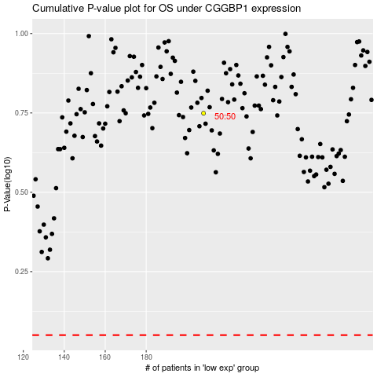

 |  |  |  |  |  | cases_OS | p_OS | rank | exp
 |  |  |  |  |  |  | cases_RFS | p_RFS | rank | exp

