CGN _multivariate
Reported by Tex Li-Hsing Chi. tex@gate.sinica.edu.tw 2019-08-21

Table 2. The clinicopathological features of HNSCC cohort and CGN expression. (Chi square test)
Cutoff at -0.371 (50.0%)
 |  | CGN expression |  | CGN expression |  | (Optimised)
 | Features | Low | (%) | High | (%) | Case no | P-value | Remark | Matthews
Gender | Female | 152 | 36.6 | 154 | 37.1 | 415 | 0.9766 | 0 | 0
2 | Male | 55 | 13.3 | 54 | 13
Age at diagnosis | <=65y | 136 | 32.8 | 138 | 33.3 | 415 | 0.9719 | 0 | 0
4 | >65y | 71 | 17.1 | 70 | 16.9
Clinical T Status | T1+T2 | 91 | 21.9 | 58 | 14 | 415 | 9e-04 | 1 | 0
6 | T3+T4 | 116 | 28 | 150 | 36.1
Clinical N Status | N0 | 112 | 27 | 104 | 25.1 | 415 | 0.4599 | 0 | 0
8 | N1-3 | 95 | 22.9 | 104 | 25.1
Clinical M Status | M0 | 204 | 49.2 | 208 | 50.1 | 415 | 0.1232 | 0 | 0
10 | M1 | 3 | 0.7 | 0 | 0
Clinical Stage | Stage I+II | 66 | 15.9 | 36 | 8.7 | 415 | 9e-04 | 1 | 0
12 | Stage III+IV | 141 | 34 | 172 | 41.4
Surgical Margin status | Negative | 161 | 38.8 | 157 | 37.8 | 415 | 0.6429 | 0 | 0
14 | Positive | 46 | 11.1 | 51 | 12.3
Tobacco Exposure | Low | 88 | 21.2 | 73 | 17.6 | 415 | 0.1314 | 0 | 0
16 | High | 119 | 28.7 | 135 | 32.5

Table 3. Univariate/Multivariate Cox's proportional hazards regression analyses on OS time of CGN gene expression in HNSCC

 |  | Univariate |  |  |  | Multivariate
 | Features | HR | CI95%(L) | CI95%(H) | P-value | HR | CI95%(L) | CI95%(H) | P-value
1 | Female | 1 |  |  |  | 1
Gender | Male | 1.157 | 0.843 | 1.587 | 0.367 | 1.21 | 0.866 | 1.691 | 0.264
11 | <=65y | 1 |  |  |  | 1
Age at diagnosis | >65y | 1.329 | 0.99 | 1.784 | 0.058 | 1.404 | 1.032 | 1.91 | 0.031
12 | T1+T2 | 1 |  |  |  | 1
Clinical T Status | T3+T4 | 1.409 | 1.028 | 1.931 | 0.033 | 2.244 | 1.187 | 4.242 | 0.013
13 | N0 | 1 |  |  |  | 1
Clinical N Status | N1-3 | 1.185 | 0.89 | 1.577 | 0.246 | 1.226 | 0.859 | 1.749 | 0.262
14 | M0 | 1 |  |  |  | 1
Clinical M Status | M1 | 4.097 | 1.009 | 16.644 | 0.049 | 8.28 | 1.797 | 38.143 | 0.007
15 | Stage I+II | 1 |  |  |  | 1
Clinical Stage | Stage III+IV | 1.245 | 0.882 | 1.759 | 0.213 | 0.538 | 0.25 | 1.158 | 0.113
16 | Negative | 1 |  |  |  | 1
Surgical Margin status | Positive | 1.591 | 1.155 | 2.191 | 0.004 | 1.674 | 1.212 | 2.311 | 0.002
17 | Low | 1 |  |  |  | 1
Tobacco Exposure | High | 1.364 | 1.008 | 1.844 | 0.044 | 1.501 | 1.087 | 2.073 | 0.014
18 | Low | 1 |  |  |  | 1
RNAseq(z-score) | High | 0.828 | 0.621 | 1.103 | 0.197 | 0.754 | 0.559 | 1.017 | 0.064

Table 4. Univariate/Multivariate Cox's proportional hazards regression analyses on RFS time of CGN gene expression in HNSCC

 |  | Univariate |  |  |  | Multivariate
 | Features | HR | CI95%(L) | CI95%(H) | P-value | HR | CI95%(L) | CI95%(H) | P-value
1 | Female | 1 |  |  |  | 1
Gender | Male | 1.157 | 0.843 | 1.587 | 0.367 | 1.21 | 0.866 | 1.691 | 0.264
11 | <=65y | 1 |  |  |  | 1
Age at diagnosis | >65y | 1.329 | 0.99 | 1.784 | 0.058 | 1.404 | 1.032 | 1.91 | 0.031
12 | T1+T2 | 1 |  |  |  | 1
Clinical T Status | T3+T4 | 1.409 | 1.028 | 1.931 | 0.033 | 2.244 | 1.187 | 4.242 | 0.013
13 | N0 | 1 |  |  |  | 1
Clinical N Status | N1-3 | 1.185 | 0.89 | 1.577 | 0.246 | 1.226 | 0.859 | 1.749 | 0.262
14 | M0 | 1 |  |  |  | 1
Clinical M Status | M1 | 4.097 | 1.009 | 16.644 | 0.049 | 8.28 | 1.797 | 38.143 | 0.007
15 | Stage I+II | 1 |  |  |  | 1
Clinical Stage | Stage III+IV | 1.245 | 0.882 | 1.759 | 0.213 | 0.538 | 0.25 | 1.158 | 0.113
16 | Negative | 1 |  |  |  | 1
Surgical Margin status | Positive | 1.591 | 1.155 | 2.191 | 0.004 | 1.674 | 1.212 | 2.311 | 0.002
17 | Low | 1 |  |  |  | 1
Tobacco Exposure | High | 1.364 | 1.008 | 1.844 | 0.044 | 1.501 | 1.087 | 2.073 | 0.014
18 | Low | 1 |  |  |  | 1
RNAseq(z-score) | High | 0.828 | 0.621 | 1.103 | 0.197 | 0.754 | 0.559 | 1.017 | 0.064

Kaplan-Meier survival estimate: Cutoff at -0.371 (50.0%)



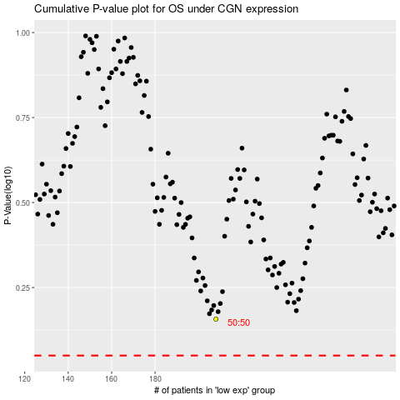

 |  |  |  |  |  | cases_OS | p_OS | rank | exp
 |  |  |  |  |  |  | cases_RFS | p_RFS | rank | exp

