CH25H _multivariate
Reported by Tex Li-Hsing Chi. tex@gate.sinica.edu.tw 2019-08-21

Table 2. The clinicopathological features of HNSCC cohort and CH25H expression. (Chi square test)
Cutoff at -0.381 (49.8%)
 |  | CH25H expression |  | CH25H expression |  | (Optimised)
 | Features | Low | (%) | High | (%) | Case no | P-value | Remark | Matthews
Gender | Female | 155 | 37.3 | 151 | 36.4 | 415 | 0.6768 | 0 | 0
2 | Male | 52 | 12.5 | 57 | 13.7
Age at diagnosis | <=65y | 145 | 34.9 | 129 | 31.1 | 415 | 0.1046 | 0 | 0
4 | >65y | 62 | 14.9 | 79 | 19
Clinical T Status | T1+T2 | 70 | 16.9 | 79 | 19 | 415 | 0.4343 | 0 | 0
6 | T3+T4 | 137 | 33 | 129 | 31.1
Clinical N Status | N0 | 114 | 27.5 | 102 | 24.6 | 415 | 0.2576 | 1 | 0
8 | N1-3 | 93 | 22.4 | 106 | 25.5
Clinical M Status | M0 | 205 | 49.4 | 207 | 49.9 | 415 | 0.6232 | 0 | 0
10 | M1 | 2 | 0.5 | 1 | 0.2
Clinical Stage | Stage I+II | 48 | 11.6 | 54 | 13 | 415 | 0.5878 | 0 | 0
12 | Stage III+IV | 159 | 38.3 | 154 | 37.1
Surgical Margin status | Negative | 158 | 38.1 | 160 | 38.6 | 415 | 0.9081 | 0 | 0
14 | Positive | 49 | 11.8 | 48 | 11.6
Tobacco Exposure | Low | 83 | 20 | 78 | 18.8 | 415 | 0.6152 | 0 | 0
16 | High | 124 | 29.9 | 130 | 31.3

Table 3. Univariate/Multivariate Cox's proportional hazards regression analyses on OS time of CH25H gene expression in HNSCC

 |  | Univariate |  |  |  | Multivariate
 | Features | HR | CI95%(L) | CI95%(H) | P-value | HR | CI95%(L) | CI95%(H) | P-value
1 | Female | 1 |  |  |  | 1
Gender | Male | 1.157 | 0.843 | 1.587 | 0.367 | 1.201 | 0.858 | 1.681 | 0.285
11 | <=65y | 1 |  |  |  | 1
Age at diagnosis | >65y | 1.329 | 0.99 | 1.784 | 0.058 | 1.434 | 1.053 | 1.955 | 0.022
12 | T1+T2 | 1 |  |  |  | 1
Clinical T Status | T3+T4 | 1.409 | 1.028 | 1.931 | 0.033 | 2.247 | 1.188 | 4.25 | 0.013
13 | N0 | 1 |  |  |  | 1
Clinical N Status | N1-3 | 1.185 | 0.89 | 1.577 | 0.246 | 1.282 | 0.897 | 1.833 | 0.173
14 | M0 | 1 |  |  |  | 1
Clinical M Status | M1 | 4.097 | 1.009 | 16.644 | 0.049 | 8.904 | 1.939 | 40.878 | 0.005
15 | Stage I+II | 1 |  |  |  | 1
Clinical Stage | Stage III+IV | 1.245 | 0.882 | 1.759 | 0.213 | 0.48 | 0.223 | 1.033 | 0.06
16 | Negative | 1 |  |  |  | 1
Surgical Margin status | Positive | 1.591 | 1.155 | 2.191 | 0.004 | 1.701 | 1.23 | 2.352 | 0.001
17 | Low | 1 |  |  |  | 1
Tobacco Exposure | High | 1.364 | 1.008 | 1.844 | 0.044 | 1.498 | 1.084 | 2.07 | 0.014
18 | Low | 1 |  |  |  | 1
RNAseq(z-score) | High | 0.851 | 0.638 | 1.136 | 0.273 | 0.775 | 0.577 | 1.041 | 0.09

Table 4. Univariate/Multivariate Cox's proportional hazards regression analyses on RFS time of CH25H gene expression in HNSCC

 |  | Univariate |  |  |  | Multivariate
 | Features | HR | CI95%(L) | CI95%(H) | P-value | HR | CI95%(L) | CI95%(H) | P-value
1 | Female | 1 |  |  |  | 1
Gender | Male | 1.157 | 0.843 | 1.587 | 0.367 | 1.201 | 0.858 | 1.681 | 0.285
11 | <=65y | 1 |  |  |  | 1
Age at diagnosis | >65y | 1.329 | 0.99 | 1.784 | 0.058 | 1.434 | 1.053 | 1.955 | 0.022
12 | T1+T2 | 1 |  |  |  | 1
Clinical T Status | T3+T4 | 1.409 | 1.028 | 1.931 | 0.033 | 2.247 | 1.188 | 4.25 | 0.013
13 | N0 | 1 |  |  |  | 1
Clinical N Status | N1-3 | 1.185 | 0.89 | 1.577 | 0.246 | 1.282 | 0.897 | 1.833 | 0.173
14 | M0 | 1 |  |  |  | 1
Clinical M Status | M1 | 4.097 | 1.009 | 16.644 | 0.049 | 8.904 | 1.939 | 40.878 | 0.005
15 | Stage I+II | 1 |  |  |  | 1
Clinical Stage | Stage III+IV | 1.245 | 0.882 | 1.759 | 0.213 | 0.48 | 0.223 | 1.033 | 0.06
16 | Negative | 1 |  |  |  | 1
Surgical Margin status | Positive | 1.591 | 1.155 | 2.191 | 0.004 | 1.701 | 1.23 | 2.352 | 0.001
17 | Low | 1 |  |  |  | 1
Tobacco Exposure | High | 1.364 | 1.008 | 1.844 | 0.044 | 1.498 | 1.084 | 2.07 | 0.014
18 | Low | 1 |  |  |  | 1
RNAseq(z-score) | High | 0.851 | 0.638 | 1.136 | 0.273 | 0.775 | 0.577 | 1.041 | 0.09

Kaplan-Meier survival estimate: Cutoff at -0.381 (49.8%)



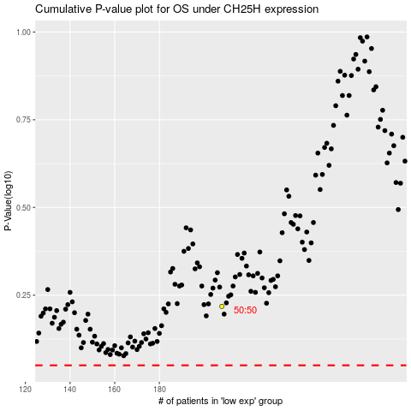

 |  |  |  |  |  | cases_OS | p_OS | rank | exp
 |  |  |  |  |  |  | cases_RFS | p_RFS | rank | exp

