CHAC1 _multivariate
Reported by Tex Li-Hsing Chi. tex@gate.sinica.edu.tw 2019-08-21

Table 2. The clinicopathological features of HNSCC cohort and CHAC1 expression. (Chi square test)
Cutoff at -0.515 (30.9%)
 |  | CHAC1 expression |  | CHAC1 expression |  | (Optimised)
 | Features | Low | (%) | High | (%) | Case no | P-value | Remark | Matthews
Gender | Female | 99 | 23.9 | 207 | 49.9 | 415 | 0.3198 | 0 | 0
2 | Male | 29 | 7 | 80 | 19.3
Age at diagnosis | <=65y | 88 | 21.2 | 186 | 44.8 | 415 | 0.5024 | 0 | 0
4 | >65y | 40 | 9.6 | 101 | 24.3
Clinical T Status | T1+T2 | 48 | 11.6 | 101 | 24.3 | 415 | 0.7324 | 0 | 0
6 | T3+T4 | 80 | 19.3 | 186 | 44.8
Clinical N Status | N0 | 62 | 14.9 | 154 | 37.1 | 415 | 0.3805 | 0 | 0
8 | N1-3 | 66 | 15.9 | 133 | 32
Clinical M Status | M0 | 128 | 30.8 | 284 | 68.4 | 415 | 0.5558 | 0 | 0
10 | M1 | 0 | 0 | 3 | 0.7
Clinical Stage | Stage I+II | 34 | 8.2 | 68 | 16.4 | 415 | 0.6146 | 0 | 0
12 | Stage III+IV | 94 | 22.7 | 219 | 52.8
Surgical Margin status | Negative | 102 | 24.6 | 216 | 52 | 415 | 0.3797 | 0 | 0
14 | Positive | 26 | 6.3 | 71 | 17.1
Tobacco Exposure | Low | 53 | 12.8 | 108 | 26 | 415 | 0.5131 | 0 | 0
16 | High | 75 | 18.1 | 179 | 43.1

Table 3. Univariate/Multivariate Cox's proportional hazards regression analyses on OS time of CHAC1 gene expression in HNSCC

 |  | Univariate |  |  |  | Multivariate
 | Features | HR | CI95%(L) | CI95%(H) | P-value | HR | CI95%(L) | CI95%(H) | P-value
1 | Female | 1 |  |  |  | 1
Gender | Male | 1.157 | 0.843 | 1.587 | 0.367 | 1.19 | 0.85 | 1.665 | 0.312
11 | <=65y | 1 |  |  |  | 1
Age at diagnosis | >65y | 1.329 | 0.99 | 1.784 | 0.058 | 1.407 | 1.034 | 1.915 | 0.03
12 | T1+T2 | 1 |  |  |  | 1
Clinical T Status | T3+T4 | 1.409 | 1.028 | 1.931 | 0.033 | 2.24 | 1.185 | 4.233 | 0.013
13 | N0 | 1 |  |  |  | 1
Clinical N Status | N1-3 | 1.185 | 0.89 | 1.577 | 0.246 | 1.296 | 0.907 | 1.854 | 0.155
14 | M0 | 1 |  |  |  | 1
Clinical M Status | M1 | 4.097 | 1.009 | 16.644 | 0.049 | 8.587 | 1.869 | 39.456 | 0.006
15 | Stage I+II | 1 |  |  |  | 1
Clinical Stage | Stage III+IV | 1.245 | 0.882 | 1.759 | 0.213 | 0.484 | 0.225 | 1.04 | 0.063
16 | Negative | 1 |  |  |  | 1
Surgical Margin status | Positive | 1.591 | 1.155 | 2.191 | 0.004 | 1.646 | 1.191 | 2.275 | 0.003
17 | Low | 1 |  |  |  | 1
Tobacco Exposure | High | 1.364 | 1.008 | 1.844 | 0.044 | 1.419 | 1.026 | 1.963 | 0.034
18 | Low | 1 |  |  |  | 1
RNAseq(z-score) | High | 1.384 | 1.006 | 1.904 | 0.046 | 1.354 | 0.98 | 1.872 | 0.066

Table 4. Univariate/Multivariate Cox's proportional hazards regression analyses on RFS time of CHAC1 gene expression in HNSCC

 |  | Univariate |  |  |  | Multivariate
 | Features | HR | CI95%(L) | CI95%(H) | P-value | HR | CI95%(L) | CI95%(H) | P-value
1 | Female | 1 |  |  |  | 1
Gender | Male | 1.157 | 0.843 | 1.587 | 0.367 | 1.19 | 0.85 | 1.665 | 0.312
11 | <=65y | 1 |  |  |  | 1
Age at diagnosis | >65y | 1.329 | 0.99 | 1.784 | 0.058 | 1.407 | 1.034 | 1.915 | 0.03
12 | T1+T2 | 1 |  |  |  | 1
Clinical T Status | T3+T4 | 1.409 | 1.028 | 1.931 | 0.033 | 2.24 | 1.185 | 4.233 | 0.013
13 | N0 | 1 |  |  |  | 1
Clinical N Status | N1-3 | 1.185 | 0.89 | 1.577 | 0.246 | 1.296 | 0.907 | 1.854 | 0.155
14 | M0 | 1 |  |  |  | 1
Clinical M Status | M1 | 4.097 | 1.009 | 16.644 | 0.049 | 8.587 | 1.869 | 39.456 | 0.006
15 | Stage I+II | 1 |  |  |  | 1
Clinical Stage | Stage III+IV | 1.245 | 0.882 | 1.759 | 0.213 | 0.484 | 0.225 | 1.04 | 0.063
16 | Negative | 1 |  |  |  | 1
Surgical Margin status | Positive | 1.591 | 1.155 | 2.191 | 0.004 | 1.646 | 1.191 | 2.275 | 0.003
17 | Low | 1 |  |  |  | 1
Tobacco Exposure | High | 1.364 | 1.008 | 1.844 | 0.044 | 1.419 | 1.026 | 1.963 | 0.034
18 | Low | 1 |  |  |  | 1
RNAseq(z-score) | High | 1.384 | 1.006 | 1.904 | 0.046 | 1.354 | 0.98 | 1.872 | 0.066

Kaplan-Meier survival estimate: Cutoff at -0.515 (30.9%)



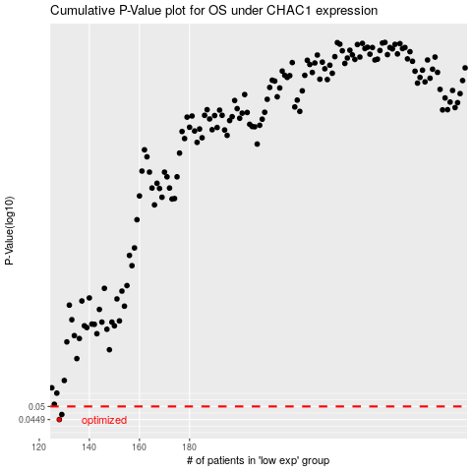

 |  |  |  |  |  | cases_OS | p_OS | rank | exp
 |  |  |  |  |  | 128 | 0.0449 | 10 | -0.51476561466
 |  |  |  |  |  | 129 | 0.0468 | 372 | -0.5103047916
 |  |  |  |  |  |  | cases_RFS | p_RFS | rank | exp
 |  |  |  |  |  |  | 127 | 0.0449 | 149 | -0.51728244515
 |  |  |  |  |  |  | 128 | 0.0468 | 10 | -0.51476561466

