CHADL _multivariate
Reported by Tex Li-Hsing Chi. tex@gate.sinica.edu.tw 2019-08-21

Table 2. The clinicopathological features of HNSCC cohort and CHADL expression. (Chi square test)
Cutoff at -0.329 (51.2%)
 |  | CHADL expression |  | CHADL expression |  | (Optimised)
 | Features | Low | (%) | High | (%) | Case no | P-value | Remark | Matthews
Gender | Female | 159 | 38.3 | 147 | 35.4 | 415 | 0.7472 | 0 | 0
2 | Male | 54 | 13 | 55 | 13.3
Age at diagnosis | <=65y | 139 | 33.5 | 135 | 32.5 | 415 | 0.8145 | 0 | 0
4 | >65y | 74 | 17.8 | 67 | 16.1
Clinical T Status | T1+T2 | 70 | 16.9 | 79 | 19 | 415 | 0.2213 | 0 | 0
6 | T3+T4 | 143 | 34.5 | 123 | 29.6
Clinical N Status | N0 | 103 | 24.8 | 113 | 27.2 | 415 | 0.1478 | 0 | 0
8 | N1-3 | 110 | 26.5 | 89 | 21.4
Clinical M Status | M0 | 211 | 50.8 | 201 | 48.4 | 415 | 1 | 0 | 0
10 | M1 | 2 | 0.5 | 1 | 0.2
Clinical Stage | Stage I+II | 49 | 11.8 | 53 | 12.8 | 415 | 0.5154 | 0 | 0
12 | Stage III+IV | 164 | 39.5 | 149 | 35.9
Surgical Margin status | Negative | 165 | 39.8 | 153 | 36.9 | 415 | 0.7282 | 0 | 0
14 | Positive | 48 | 11.6 | 49 | 11.8
Tobacco Exposure | Low | 81 | 19.5 | 80 | 19.3 | 415 | 0.7631 | 0 | 0
16 | High | 132 | 31.8 | 122 | 29.4

Table 3. Univariate/Multivariate Cox's proportional hazards regression analyses on OS time of CHADL gene expression in HNSCC

 |  | Univariate |  |  |  | Multivariate
 | Features | HR | CI95%(L) | CI95%(H) | P-value | HR | CI95%(L) | CI95%(H) | P-value
1 | Female | 1 |  |  |  | 1
Gender | Male | 1.157 | 0.843 | 1.587 | 0.367 | 1.196 | 0.856 | 1.672 | 0.294
11 | <=65y | 1 |  |  |  | 1
Age at diagnosis | >65y | 1.329 | 0.99 | 1.784 | 0.058 | 1.392 | 1.023 | 1.894 | 0.035
12 | T1+T2 | 1 |  |  |  | 1
Clinical T Status | T3+T4 | 1.409 | 1.028 | 1.931 | 0.033 | 2.131 | 1.127 | 4.028 | 0.02
13 | N0 | 1 |  |  |  | 1
Clinical N Status | N1-3 | 1.185 | 0.89 | 1.577 | 0.246 | 1.24 | 0.869 | 1.769 | 0.236
14 | M0 | 1 |  |  |  | 1
Clinical M Status | M1 | 4.097 | 1.009 | 16.644 | 0.049 | 8.923 | 1.946 | 40.917 | 0.005
15 | Stage I+II | 1 |  |  |  | 1
Clinical Stage | Stage III+IV | 1.245 | 0.882 | 1.759 | 0.213 | 0.526 | 0.245 | 1.131 | 0.1
16 | Negative | 1 |  |  |  | 1
Surgical Margin status | Positive | 1.591 | 1.155 | 2.191 | 0.004 | 1.652 | 1.197 | 2.282 | 0.002
17 | Low | 1 |  |  |  | 1
Tobacco Exposure | High | 1.364 | 1.008 | 1.844 | 0.044 | 1.462 | 1.061 | 2.016 | 0.02
18 | Low | 1 |  |  |  | 1
RNAseq(z-score) | High | 0.743 | 0.556 | 0.992 | 0.044 | 0.763 | 0.571 | 1.02 | 0.068

Table 4. Univariate/Multivariate Cox's proportional hazards regression analyses on RFS time of CHADL gene expression in HNSCC

 |  | Univariate |  |  |  | Multivariate
 | Features | HR | CI95%(L) | CI95%(H) | P-value | HR | CI95%(L) | CI95%(H) | P-value
1 | Female | 1 |  |  |  | 1
Gender | Male | 1.157 | 0.843 | 1.587 | 0.367 | 1.196 | 0.856 | 1.672 | 0.294
11 | <=65y | 1 |  |  |  | 1
Age at diagnosis | >65y | 1.329 | 0.99 | 1.784 | 0.058 | 1.392 | 1.023 | 1.894 | 0.035
12 | T1+T2 | 1 |  |  |  | 1
Clinical T Status | T3+T4 | 1.409 | 1.028 | 1.931 | 0.033 | 2.131 | 1.127 | 4.028 | 0.02
13 | N0 | 1 |  |  |  | 1
Clinical N Status | N1-3 | 1.185 | 0.89 | 1.577 | 0.246 | 1.24 | 0.869 | 1.769 | 0.236
14 | M0 | 1 |  |  |  | 1
Clinical M Status | M1 | 4.097 | 1.009 | 16.644 | 0.049 | 8.923 | 1.946 | 40.917 | 0.005
15 | Stage I+II | 1 |  |  |  | 1
Clinical Stage | Stage III+IV | 1.245 | 0.882 | 1.759 | 0.213 | 0.526 | 0.245 | 1.131 | 0.1
16 | Negative | 1 |  |  |  | 1
Surgical Margin status | Positive | 1.591 | 1.155 | 2.191 | 0.004 | 1.652 | 1.197 | 2.282 | 0.002
17 | Low | 1 |  |  |  | 1
Tobacco Exposure | High | 1.364 | 1.008 | 1.844 | 0.044 | 1.462 | 1.061 | 2.016 | 0.02
18 | Low | 1 |  |  |  | 1
RNAseq(z-score) | High | 0.743 | 0.556 | 0.992 | 0.044 | 0.763 | 0.571 | 1.02 | 0.068

Kaplan-Meier survival estimate: Cutoff at -0.329 (51.2%)



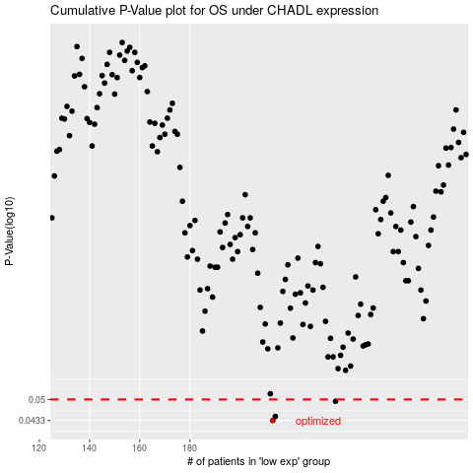

 |  |  |  |  |  | cases_OS | p_OS | rank | exp
 |  |  |  |  |  | 213 | 0.0433 | 25 | -0.3294036209
 |  |  |  |  |  | 214 | 0.0445 | 177 | -0.32929106245
 |  |  |  |  |  | 238 | 0.0494 | 242 | -0.27347123121
 |  |  |  |  |  |  | cases_RFS | p_RFS | rank | exp
 |  |  |  |  |  |  | 212 | 0.0433 | 76 | -0.33828526818
 |  |  |  |  |  |  | 213 | 0.0445 | 25 | -0.3294036209
 |  |  |  |  |  |  | 237 | 0.0494 | 191 | -0.27476303578

