CHAF1A _multivariate
Reported by Tex Li-Hsing Chi. tex@gate.sinica.edu.tw 2019-08-21

Table 2. The clinicopathological features of HNSCC cohort and CHAF1A expression. (Chi square test)
Cutoff at -0.228 (49.8%)
 |  | CHAF1A expression |  | CHAF1A expression |  | (Optimised)
 | Features | Low | (%) | High | (%) | Case no | P-value | Remark | Matthews
Gender | Female | 143 | 34.5 | 163 | 39.3 | 415 | 0.0416 | 1 | 0
2 | Male | 64 | 15.4 | 45 | 10.8
Age at diagnosis | <=65y | 139 | 33.5 | 135 | 32.5 | 415 | 0.7044 | 0 | 0
4 | >65y | 68 | 16.4 | 73 | 17.6
Clinical T Status | T1+T2 | 80 | 19.3 | 69 | 16.6 | 415 | 0.2891 | 0 | 0
6 | T3+T4 | 127 | 30.6 | 139 | 33.5
Clinical N Status | N0 | 113 | 27.2 | 103 | 24.8 | 415 | 0.3495 | 1 | 0
8 | N1-3 | 94 | 22.7 | 105 | 25.3
Clinical M Status | M0 | 205 | 49.4 | 207 | 49.9 | 415 | 0.6232 | 0 | 0
10 | M1 | 2 | 0.5 | 1 | 0.2
Clinical Stage | Stage I+II | 63 | 15.2 | 39 | 9.4 | 415 | 0.008 | 1 | 0
12 | Stage III+IV | 144 | 34.7 | 169 | 40.7
Surgical Margin status | Negative | 166 | 40 | 152 | 36.6 | 415 | 0.1042 | 0 | 0
14 | Positive | 41 | 9.9 | 56 | 13.5
Tobacco Exposure | Low | 86 | 20.7 | 75 | 18.1 | 415 | 0.2687 | 0 | 0
16 | High | 121 | 29.2 | 133 | 32

Table 3. Univariate/Multivariate Cox's proportional hazards regression analyses on OS time of CHAF1A gene expression in HNSCC

 |  | Univariate |  |  |  | Multivariate
 | Features | HR | CI95%(L) | CI95%(H) | P-value | HR | CI95%(L) | CI95%(H) | P-value
1 | Female | 1 |  |  |  | 1
Gender | Male | 1.157 | 0.843 | 1.587 | 0.367 | 1.207 | 0.859 | 1.695 | 0.279
11 | <=65y | 1 |  |  |  | 1
Age at diagnosis | >65y | 1.329 | 0.99 | 1.784 | 0.058 | 1.388 | 1.019 | 1.891 | 0.037
12 | T1+T2 | 1 |  |  |  | 1
Clinical T Status | T3+T4 | 1.409 | 1.028 | 1.931 | 0.033 | 2.208 | 1.166 | 4.179 | 0.015
13 | N0 | 1 |  |  |  | 1
Clinical N Status | N1-3 | 1.185 | 0.89 | 1.577 | 0.246 | 1.241 | 0.87 | 1.771 | 0.234
14 | M0 | 1 |  |  |  | 1
Clinical M Status | M1 | 4.097 | 1.009 | 16.644 | 0.049 | 9.497 | 2.058 | 43.837 | 0.004
15 | Stage I+II | 1 |  |  |  | 1
Clinical Stage | Stage III+IV | 1.245 | 0.882 | 1.759 | 0.213 | 0.502 | 0.233 | 1.082 | 0.079
16 | Negative | 1 |  |  |  | 1
Surgical Margin status | Positive | 1.591 | 1.155 | 2.191 | 0.004 | 1.668 | 1.206 | 2.308 | 0.002
17 | Low | 1 |  |  |  | 1
Tobacco Exposure | High | 1.364 | 1.008 | 1.844 | 0.044 | 1.451 | 1.052 | 2.001 | 0.023
18 | Low | 1 |  |  |  | 1
RNAseq(z-score) | High | 1.062 | 0.794 | 1.419 | 0.686 | 1.02 | 0.753 | 1.384 | 0.896

Table 4. Univariate/Multivariate Cox's proportional hazards regression analyses on RFS time of CHAF1A gene expression in HNSCC

 |  | Univariate |  |  |  | Multivariate
 | Features | HR | CI95%(L) | CI95%(H) | P-value | HR | CI95%(L) | CI95%(H) | P-value
1 | Female | 1 |  |  |  | 1
Gender | Male | 1.157 | 0.843 | 1.587 | 0.367 | 1.207 | 0.859 | 1.695 | 0.279
11 | <=65y | 1 |  |  |  | 1
Age at diagnosis | >65y | 1.329 | 0.99 | 1.784 | 0.058 | 1.388 | 1.019 | 1.891 | 0.037
12 | T1+T2 | 1 |  |  |  | 1
Clinical T Status | T3+T4 | 1.409 | 1.028 | 1.931 | 0.033 | 2.208 | 1.166 | 4.179 | 0.015
13 | N0 | 1 |  |  |  | 1
Clinical N Status | N1-3 | 1.185 | 0.89 | 1.577 | 0.246 | 1.241 | 0.87 | 1.771 | 0.234
14 | M0 | 1 |  |  |  | 1
Clinical M Status | M1 | 4.097 | 1.009 | 16.644 | 0.049 | 9.497 | 2.058 | 43.837 | 0.004
15 | Stage I+II | 1 |  |  |  | 1
Clinical Stage | Stage III+IV | 1.245 | 0.882 | 1.759 | 0.213 | 0.502 | 0.233 | 1.082 | 0.079
16 | Negative | 1 |  |  |  | 1
Surgical Margin status | Positive | 1.591 | 1.155 | 2.191 | 0.004 | 1.668 | 1.206 | 2.308 | 0.002
17 | Low | 1 |  |  |  | 1
Tobacco Exposure | High | 1.364 | 1.008 | 1.844 | 0.044 | 1.451 | 1.052 | 2.001 | 0.023
18 | Low | 1 |  |  |  | 1
RNAseq(z-score) | High | 1.062 | 0.794 | 1.419 | 0.686 | 1.02 | 0.753 | 1.384 | 0.896

Kaplan-Meier survival estimate: Cutoff at -0.228 (49.8%)



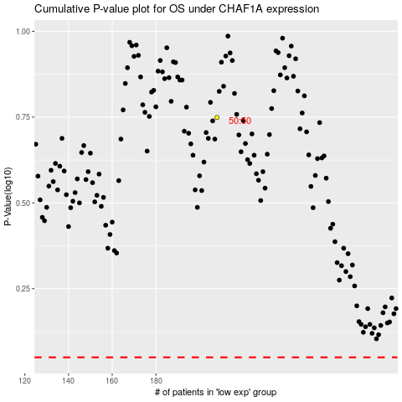

 |  |  |  |  |  | cases_OS | p_OS | rank | exp
 |  |  |  |  |  |  | cases_RFS | p_RFS | rank | exp

