CHCHD1 _multivariate
Reported by Tex Li-Hsing Chi. tex@gate.sinica.edu.tw 2019-08-21

Table 2. The clinicopathological features of HNSCC cohort and CHCHD1 expression. (Chi square test)
Cutoff at -0.281 (50.0%)
 |  | CHCHD1 expression |  | CHCHD1 expression |  | (Optimised)
 | Features | Low | (%) | High | (%) | Case no | P-value | Remark | Matthews
Gender | Female | 150 | 36.1 | 156 | 37.6 | 415 | 0.6344 | 0 | 0
2 | Male | 57 | 13.7 | 52 | 12.5
Age at diagnosis | <=65y | 138 | 33.3 | 136 | 32.8 | 415 | 0.8634 | 0 | 0
4 | >65y | 69 | 16.6 | 72 | 17.3
Clinical T Status | T1+T2 | 77 | 18.6 | 72 | 17.3 | 415 | 0.6556 | 0 | 0
6 | T3+T4 | 130 | 31.3 | 136 | 32.8
Clinical N Status | N0 | 115 | 27.7 | 101 | 24.3 | 415 | 0.184 | 1 | 0
8 | N1-3 | 92 | 22.2 | 107 | 25.8
Clinical M Status | M0 | 207 | 49.9 | 205 | 49.4 | 415 | 0.2482 | 0 | 0
10 | M1 | 0 | 0 | 3 | 0.7
Clinical Stage | Stage I+II | 57 | 13.7 | 45 | 10.8 | 415 | 0.1998 | 0 | 0
12 | Stage III+IV | 150 | 36.1 | 163 | 39.3
Surgical Margin status | Negative | 169 | 40.7 | 149 | 35.9 | 415 | 0.0201 | 1 | 0
14 | Positive | 38 | 9.2 | 59 | 14.2
Tobacco Exposure | Low | 78 | 18.8 | 83 | 20 | 415 | 0.6873 | 0 | 0
16 | High | 129 | 31.1 | 125 | 30.1

Table 3. Univariate/Multivariate Cox's proportional hazards regression analyses on OS time of CHCHD1 gene expression in HNSCC

 |  | Univariate |  |  |  | Multivariate
 | Features | HR | CI95%(L) | CI95%(H) | P-value | HR | CI95%(L) | CI95%(H) | P-value
1 | Female | 1 |  |  |  | 1
Gender | Male | 1.157 | 0.843 | 1.587 | 0.367 | 1.205 | 0.862 | 1.685 | 0.275
11 | <=65y | 1 |  |  |  | 1
Age at diagnosis | >65y | 1.329 | 0.99 | 1.784 | 0.058 | 1.392 | 1.024 | 1.892 | 0.035
12 | T1+T2 | 1 |  |  |  | 1
Clinical T Status | T3+T4 | 1.409 | 1.028 | 1.931 | 0.033 | 2.196 | 1.161 | 4.153 | 0.016
13 | N0 | 1 |  |  |  | 1
Clinical N Status | N1-3 | 1.185 | 0.89 | 1.577 | 0.246 | 1.241 | 0.87 | 1.771 | 0.234
14 | M0 | 1 |  |  |  | 1
Clinical M Status | M1 | 4.097 | 1.009 | 16.644 | 0.049 | 9.579 | 2.077 | 44.178 | 0.004
15 | Stage I+II | 1 |  |  |  | 1
Clinical Stage | Stage III+IV | 1.245 | 0.882 | 1.759 | 0.213 | 0.507 | 0.236 | 1.09 | 0.082
16 | Negative | 1 |  |  |  | 1
Surgical Margin status | Positive | 1.591 | 1.155 | 2.191 | 0.004 | 1.681 | 1.213 | 2.33 | 0.002
17 | Low | 1 |  |  |  | 1
Tobacco Exposure | High | 1.364 | 1.008 | 1.844 | 0.044 | 1.454 | 1.056 | 2.004 | 0.022
18 | Low | 1 |  |  |  | 1
RNAseq(z-score) | High | 1.044 | 0.784 | 1.392 | 0.767 | 0.961 | 0.717 | 1.289 | 0.792

Table 4. Univariate/Multivariate Cox's proportional hazards regression analyses on RFS time of CHCHD1 gene expression in HNSCC

 |  | Univariate |  |  |  | Multivariate
 | Features | HR | CI95%(L) | CI95%(H) | P-value | HR | CI95%(L) | CI95%(H) | P-value
1 | Female | 1 |  |  |  | 1
Gender | Male | 1.157 | 0.843 | 1.587 | 0.367 | 1.205 | 0.862 | 1.685 | 0.275
11 | <=65y | 1 |  |  |  | 1
Age at diagnosis | >65y | 1.329 | 0.99 | 1.784 | 0.058 | 1.392 | 1.024 | 1.892 | 0.035
12 | T1+T2 | 1 |  |  |  | 1
Clinical T Status | T3+T4 | 1.409 | 1.028 | 1.931 | 0.033 | 2.196 | 1.161 | 4.153 | 0.016
13 | N0 | 1 |  |  |  | 1
Clinical N Status | N1-3 | 1.185 | 0.89 | 1.577 | 0.246 | 1.241 | 0.87 | 1.771 | 0.234
14 | M0 | 1 |  |  |  | 1
Clinical M Status | M1 | 4.097 | 1.009 | 16.644 | 0.049 | 9.579 | 2.077 | 44.178 | 0.004
15 | Stage I+II | 1 |  |  |  | 1
Clinical Stage | Stage III+IV | 1.245 | 0.882 | 1.759 | 0.213 | 0.507 | 0.236 | 1.09 | 0.082
16 | Negative | 1 |  |  |  | 1
Surgical Margin status | Positive | 1.591 | 1.155 | 2.191 | 0.004 | 1.681 | 1.213 | 2.33 | 0.002
17 | Low | 1 |  |  |  | 1
Tobacco Exposure | High | 1.364 | 1.008 | 1.844 | 0.044 | 1.454 | 1.056 | 2.004 | 0.022
18 | Low | 1 |  |  |  | 1
RNAseq(z-score) | High | 1.044 | 0.784 | 1.392 | 0.767 | 0.961 | 0.717 | 1.289 | 0.792

Kaplan-Meier survival estimate: Cutoff at -0.281 (50.0%)



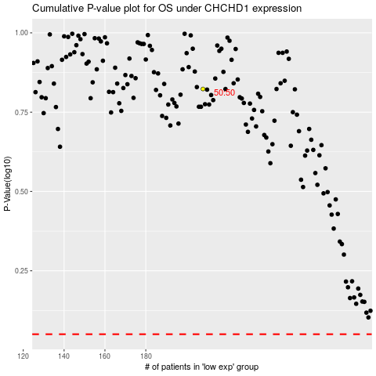

 |  |  |  |  |  | cases_OS | p_OS | rank | exp
 |  |  |  |  |  |  | cases_RFS | p_RFS | rank | exp

