CHCHD4 _multivariate
Reported by Tex Li-Hsing Chi. tex@gate.sinica.edu.tw 2019-08-21

Table 2. The clinicopathological features of HNSCC cohort and CHCHD4 expression. (Chi square test)
Cutoff at -0.325 (49.8%)
 |  | CHCHD4 expression |  | CHCHD4 expression |  | (Optimised)
 | Features | Low | (%) | High | (%) | Case no | P-value | Remark | Matthews
Gender | Female | 158 | 38.1 | 148 | 35.7 | 415 | 0.2774 | 0 | 0
2 | Male | 49 | 11.8 | 60 | 14.5
Age at diagnosis | <=65y | 145 | 34.9 | 129 | 31.1 | 415 | 0.1046 | 0 | 0
4 | >65y | 62 | 14.9 | 79 | 19
Clinical T Status | T1+T2 | 69 | 16.6 | 80 | 19.3 | 415 | 0.3239 | 0 | 0
6 | T3+T4 | 138 | 33.3 | 128 | 30.8
Clinical N Status | N0 | 107 | 25.8 | 109 | 26.3 | 415 | 0.9624 | 0 | 0
8 | N1-3 | 100 | 24.1 | 99 | 23.9
Clinical M Status | M0 | 206 | 49.6 | 206 | 49.6 | 415 | 1 | 0 | 0
10 | M1 | 1 | 0.2 | 2 | 0.5
Clinical Stage | Stage I+II | 53 | 12.8 | 49 | 11.8 | 415 | 0.7113 | 0 | 0
12 | Stage III+IV | 154 | 37.1 | 159 | 38.3
Surgical Margin status | Negative | 165 | 39.8 | 153 | 36.9 | 415 | 0.1639 | 0 | 0
14 | Positive | 42 | 10.1 | 55 | 13.3
Tobacco Exposure | Low | 77 | 18.6 | 84 | 20.2 | 415 | 0.5459 | 0 | 0
16 | High | 130 | 31.3 | 124 | 29.9

Table 3. Univariate/Multivariate Cox's proportional hazards regression analyses on OS time of CHCHD4 gene expression in HNSCC

 |  | Univariate |  |  |  | Multivariate
 | Features | HR | CI95%(L) | CI95%(H) | P-value | HR | CI95%(L) | CI95%(H) | P-value
1 | Female | 1 |  |  |  | 1
Gender | Male | 1.157 | 0.843 | 1.587 | 0.367 | 1.229 | 0.878 | 1.721 | 0.229
11 | <=65y | 1 |  |  |  | 1
Age at diagnosis | >65y | 1.329 | 0.99 | 1.784 | 0.058 | 1.415 | 1.039 | 1.927 | 0.027
12 | T1+T2 | 1 |  |  |  | 1
Clinical T Status | T3+T4 | 1.409 | 1.028 | 1.931 | 0.033 | 2.145 | 1.132 | 4.062 | 0.019
13 | N0 | 1 |  |  |  | 1
Clinical N Status | N1-3 | 1.185 | 0.89 | 1.577 | 0.246 | 1.22 | 0.854 | 1.743 | 0.275
14 | M0 | 1 |  |  |  | 1
Clinical M Status | M1 | 4.097 | 1.009 | 16.644 | 0.049 | 9.463 | 2.064 | 43.393 | 0.004
15 | Stage I+II | 1 |  |  |  | 1
Clinical Stage | Stage III+IV | 1.245 | 0.882 | 1.759 | 0.213 | 0.522 | 0.242 | 1.123 | 0.096
16 | Negative | 1 |  |  |  | 1
Surgical Margin status | Positive | 1.591 | 1.155 | 2.191 | 0.004 | 1.7 | 1.228 | 2.352 | 0.001
17 | Low | 1 |  |  |  | 1
Tobacco Exposure | High | 1.364 | 1.008 | 1.844 | 0.044 | 1.459 | 1.059 | 2.011 | 0.021
18 | Low | 1 |  |  |  | 1
RNAseq(z-score) | High | 0.908 | 0.682 | 1.208 | 0.507 | 0.856 | 0.638 | 1.15 | 0.302

Table 4. Univariate/Multivariate Cox's proportional hazards regression analyses on RFS time of CHCHD4 gene expression in HNSCC

 |  | Univariate |  |  |  | Multivariate
 | Features | HR | CI95%(L) | CI95%(H) | P-value | HR | CI95%(L) | CI95%(H) | P-value
1 | Female | 1 |  |  |  | 1
Gender | Male | 1.157 | 0.843 | 1.587 | 0.367 | 1.229 | 0.878 | 1.721 | 0.229
11 | <=65y | 1 |  |  |  | 1
Age at diagnosis | >65y | 1.329 | 0.99 | 1.784 | 0.058 | 1.415 | 1.039 | 1.927 | 0.027
12 | T1+T2 | 1 |  |  |  | 1
Clinical T Status | T3+T4 | 1.409 | 1.028 | 1.931 | 0.033 | 2.145 | 1.132 | 4.062 | 0.019
13 | N0 | 1 |  |  |  | 1
Clinical N Status | N1-3 | 1.185 | 0.89 | 1.577 | 0.246 | 1.22 | 0.854 | 1.743 | 0.275
14 | M0 | 1 |  |  |  | 1
Clinical M Status | M1 | 4.097 | 1.009 | 16.644 | 0.049 | 9.463 | 2.064 | 43.393 | 0.004
15 | Stage I+II | 1 |  |  |  | 1
Clinical Stage | Stage III+IV | 1.245 | 0.882 | 1.759 | 0.213 | 0.522 | 0.242 | 1.123 | 0.096
16 | Negative | 1 |  |  |  | 1
Surgical Margin status | Positive | 1.591 | 1.155 | 2.191 | 0.004 | 1.7 | 1.228 | 2.352 | 0.001
17 | Low | 1 |  |  |  | 1
Tobacco Exposure | High | 1.364 | 1.008 | 1.844 | 0.044 | 1.459 | 1.059 | 2.011 | 0.021
18 | Low | 1 |  |  |  | 1
RNAseq(z-score) | High | 0.908 | 0.682 | 1.208 | 0.507 | 0.856 | 0.638 | 1.15 | 0.302

Kaplan-Meier survival estimate: Cutoff at -0.325 (49.8%)



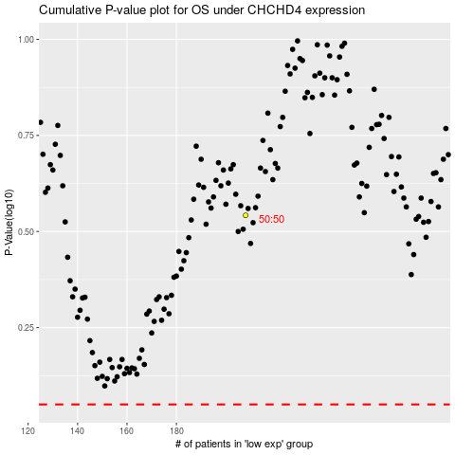

 |  |  |  |  |  | cases_OS | p_OS | rank | exp
 |  |  |  |  |  |  | cases_RFS | p_RFS | rank | exp

