CHCHD5 _multivariate
Reported by Tex Li-Hsing Chi. tex@gate.sinica.edu.tw 2019-08-21

Table 2. The clinicopathological features of HNSCC cohort and CHCHD5 expression. (Chi square test)
Cutoff at -0.272 (49.8%)
 |  | CHCHD5 expression |  | CHCHD5 expression |  | (Optimised)
 | Features | Low | (%) | High | (%) | Case no | P-value | Remark | Matthews
Gender | Female | 147 | 35.4 | 159 | 38.3 | 415 | 0.2523 | 0 | 0
2 | Male | 60 | 14.5 | 49 | 11.8
Age at diagnosis | <=65y | 137 | 33 | 137 | 33 | 415 | 1 | 0 | 0
4 | >65y | 70 | 16.9 | 71 | 17.1
Clinical T Status | T1+T2 | 80 | 19.3 | 69 | 16.6 | 415 | 0.2891 | 0 | 0
6 | T3+T4 | 127 | 30.6 | 139 | 33.5
Clinical N Status | N0 | 105 | 25.3 | 111 | 26.7 | 415 | 0.6598 | 0 | 0
8 | N1-3 | 102 | 24.6 | 97 | 23.4
Clinical M Status | M0 | 207 | 49.9 | 205 | 49.4 | 415 | 0.2482 | 0 | 0
10 | M1 | 0 | 0 | 3 | 0.7
Clinical Stage | Stage I+II | 55 | 13.3 | 47 | 11.3 | 415 | 0.4087 | 0 | 0
12 | Stage III+IV | 152 | 36.6 | 161 | 38.8
Surgical Margin status | Negative | 161 | 38.8 | 157 | 37.8 | 415 | 0.6429 | 0 | 0
14 | Positive | 46 | 11.1 | 51 | 12.3
Tobacco Exposure | Low | 82 | 19.8 | 79 | 19 | 415 | 0.763 | 0 | 0
16 | High | 125 | 30.1 | 129 | 31.1

Table 3. Univariate/Multivariate Cox's proportional hazards regression analyses on OS time of CHCHD5 gene expression in HNSCC

 |  | Univariate |  |  |  | Multivariate
 | Features | HR | CI95%(L) | CI95%(H) | P-value | HR | CI95%(L) | CI95%(H) | P-value
1 | Female | 1 |  |  |  | 1
Gender | Male | 1.157 | 0.843 | 1.587 | 0.367 | 1.201 | 0.859 | 1.678 | 0.284
11 | <=65y | 1 |  |  |  | 1
Age at diagnosis | >65y | 1.329 | 0.99 | 1.784 | 0.058 | 1.393 | 1.025 | 1.893 | 0.034
12 | T1+T2 | 1 |  |  |  | 1
Clinical T Status | T3+T4 | 1.409 | 1.028 | 1.931 | 0.033 | 2.201 | 1.164 | 4.162 | 0.015
13 | N0 | 1 |  |  |  | 1
Clinical N Status | N1-3 | 1.185 | 0.89 | 1.577 | 0.246 | 1.242 | 0.871 | 1.773 | 0.232
14 | M0 | 1 |  |  |  | 1
Clinical M Status | M1 | 4.097 | 1.009 | 16.644 | 0.049 | 9.269 | 2.006 | 42.822 | 0.004
15 | Stage I+II | 1 |  |  |  | 1
Clinical Stage | Stage III+IV | 1.245 | 0.882 | 1.759 | 0.213 | 0.504 | 0.235 | 1.082 | 0.079
16 | Negative | 1 |  |  |  | 1
Surgical Margin status | Positive | 1.591 | 1.155 | 2.191 | 0.004 | 1.669 | 1.208 | 2.307 | 0.002
17 | Low | 1 |  |  |  | 1
Tobacco Exposure | High | 1.364 | 1.008 | 1.844 | 0.044 | 1.452 | 1.053 | 2.001 | 0.023
18 | Low | 1 |  |  |  | 1
RNAseq(z-score) | High | 1.079 | 0.81 | 1.436 | 0.604 | 1.028 | 0.77 | 1.372 | 0.853

Table 4. Univariate/Multivariate Cox's proportional hazards regression analyses on RFS time of CHCHD5 gene expression in HNSCC

 |  | Univariate |  |  |  | Multivariate
 | Features | HR | CI95%(L) | CI95%(H) | P-value | HR | CI95%(L) | CI95%(H) | P-value
1 | Female | 1 |  |  |  | 1
Gender | Male | 1.157 | 0.843 | 1.587 | 0.367 | 1.201 | 0.859 | 1.678 | 0.284
11 | <=65y | 1 |  |  |  | 1
Age at diagnosis | >65y | 1.329 | 0.99 | 1.784 | 0.058 | 1.393 | 1.025 | 1.893 | 0.034
12 | T1+T2 | 1 |  |  |  | 1
Clinical T Status | T3+T4 | 1.409 | 1.028 | 1.931 | 0.033 | 2.201 | 1.164 | 4.162 | 0.015
13 | N0 | 1 |  |  |  | 1
Clinical N Status | N1-3 | 1.185 | 0.89 | 1.577 | 0.246 | 1.242 | 0.871 | 1.773 | 0.232
14 | M0 | 1 |  |  |  | 1
Clinical M Status | M1 | 4.097 | 1.009 | 16.644 | 0.049 | 9.269 | 2.006 | 42.822 | 0.004
15 | Stage I+II | 1 |  |  |  | 1
Clinical Stage | Stage III+IV | 1.245 | 0.882 | 1.759 | 0.213 | 0.504 | 0.235 | 1.082 | 0.079
16 | Negative | 1 |  |  |  | 1
Surgical Margin status | Positive | 1.591 | 1.155 | 2.191 | 0.004 | 1.669 | 1.208 | 2.307 | 0.002
17 | Low | 1 |  |  |  | 1
Tobacco Exposure | High | 1.364 | 1.008 | 1.844 | 0.044 | 1.452 | 1.053 | 2.001 | 0.023
18 | Low | 1 |  |  |  | 1
RNAseq(z-score) | High | 1.079 | 0.81 | 1.436 | 0.604 | 1.028 | 0.77 | 1.372 | 0.853

Kaplan-Meier survival estimate: Cutoff at -0.272 (49.8%)



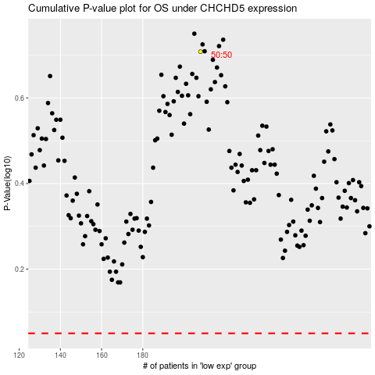

 |  |  |  |  |  | cases_OS | p_OS | rank | exp
 |  |  |  |  |  |  | cases_RFS | p_RFS | rank | exp

