CHCHD6 _multivariate
Reported by Tex Li-Hsing Chi. tex@gate.sinica.edu.tw 2019-08-21

Table 2. The clinicopathological features of HNSCC cohort and CHCHD6 expression. (Chi square test)
Cutoff at -0.307 (49.8%)
 |  | CHCHD6 expression |  | CHCHD6 expression |  | (Optimised)
 | Features | Low | (%) | High | (%) | Case no | P-value | Remark | Matthews
Gender | Female | 138 | 33.3 | 168 | 40.5 | 415 | 0.0016 | 1 | 0
2 | Male | 69 | 16.6 | 40 | 9.6
Age at diagnosis | <=65y | 136 | 32.8 | 138 | 33.3 | 415 | 0.9719 | 0 | 0
4 | >65y | 71 | 17.1 | 70 | 16.9
Clinical T Status | T1+T2 | 82 | 19.8 | 67 | 16.1 | 415 | 0.1417 | 0 | 0
6 | T3+T4 | 125 | 30.1 | 141 | 34
Clinical N Status | N0 | 112 | 27 | 104 | 25.1 | 415 | 0.4599 | 0 | 0
8 | N1-3 | 95 | 22.9 | 104 | 25.1
Clinical M Status | M0 | 205 | 49.4 | 207 | 49.9 | 415 | 0.6232 | 0 | 0
10 | M1 | 2 | 0.5 | 1 | 0.2
Clinical Stage | Stage I+II | 61 | 14.7 | 41 | 9.9 | 415 | 0.0282 | 1 | 0
12 | Stage III+IV | 146 | 35.2 | 167 | 40.2
Surgical Margin status | Negative | 161 | 38.8 | 157 | 37.8 | 415 | 0.6429 | 0 | 0
14 | Positive | 46 | 11.1 | 51 | 12.3
Tobacco Exposure | Low | 99 | 23.9 | 62 | 14.9 | 415 | 2e-04 | 1 | 0
16 | High | 108 | 26 | 146 | 35.2

Table 3. Univariate/Multivariate Cox's proportional hazards regression analyses on OS time of CHCHD6 gene expression in HNSCC

 |  | Univariate |  |  |  | Multivariate
 | Features | HR | CI95%(L) | CI95%(H) | P-value | HR | CI95%(L) | CI95%(H) | P-value
1 | Female | 1 |  |  |  | 1
Gender | Male | 1.157 | 0.843 | 1.587 | 0.367 | 1.207 | 0.858 | 1.698 | 0.279
11 | <=65y | 1 |  |  |  | 1
Age at diagnosis | >65y | 1.329 | 0.99 | 1.784 | 0.058 | 1.388 | 1.018 | 1.892 | 0.038
12 | T1+T2 | 1 |  |  |  | 1
Clinical T Status | T3+T4 | 1.409 | 1.028 | 1.931 | 0.033 | 2.206 | 1.166 | 4.172 | 0.015
13 | N0 | 1 |  |  |  | 1
Clinical N Status | N1-3 | 1.185 | 0.89 | 1.577 | 0.246 | 1.24 | 0.869 | 1.769 | 0.236
14 | M0 | 1 |  |  |  | 1
Clinical M Status | M1 | 4.097 | 1.009 | 16.644 | 0.049 | 9.494 | 2.058 | 43.792 | 0.004
15 | Stage I+II | 1 |  |  |  | 1
Clinical Stage | Stage III+IV | 1.245 | 0.882 | 1.759 | 0.213 | 0.503 | 0.234 | 1.081 | 0.078
16 | Negative | 1 |  |  |  | 1
Surgical Margin status | Positive | 1.591 | 1.155 | 2.191 | 0.004 | 1.671 | 1.21 | 2.31 | 0.002
17 | Low | 1 |  |  |  | 1
Tobacco Exposure | High | 1.364 | 1.008 | 1.844 | 0.044 | 1.447 | 1.045 | 2.004 | 0.026
18 | Low | 1 |  |  |  | 1
RNAseq(z-score) | High | 1.076 | 0.808 | 1.434 | 0.615 | 1.021 | 0.752 | 1.386 | 0.894

Table 4. Univariate/Multivariate Cox's proportional hazards regression analyses on RFS time of CHCHD6 gene expression in HNSCC

 |  | Univariate |  |  |  | Multivariate
 | Features | HR | CI95%(L) | CI95%(H) | P-value | HR | CI95%(L) | CI95%(H) | P-value
1 | Female | 1 |  |  |  | 1
Gender | Male | 1.157 | 0.843 | 1.587 | 0.367 | 1.207 | 0.858 | 1.698 | 0.279
11 | <=65y | 1 |  |  |  | 1
Age at diagnosis | >65y | 1.329 | 0.99 | 1.784 | 0.058 | 1.388 | 1.018 | 1.892 | 0.038
12 | T1+T2 | 1 |  |  |  | 1
Clinical T Status | T3+T4 | 1.409 | 1.028 | 1.931 | 0.033 | 2.206 | 1.166 | 4.172 | 0.015
13 | N0 | 1 |  |  |  | 1
Clinical N Status | N1-3 | 1.185 | 0.89 | 1.577 | 0.246 | 1.24 | 0.869 | 1.769 | 0.236
14 | M0 | 1 |  |  |  | 1
Clinical M Status | M1 | 4.097 | 1.009 | 16.644 | 0.049 | 9.494 | 2.058 | 43.792 | 0.004
15 | Stage I+II | 1 |  |  |  | 1
Clinical Stage | Stage III+IV | 1.245 | 0.882 | 1.759 | 0.213 | 0.503 | 0.234 | 1.081 | 0.078
16 | Negative | 1 |  |  |  | 1
Surgical Margin status | Positive | 1.591 | 1.155 | 2.191 | 0.004 | 1.671 | 1.21 | 2.31 | 0.002
17 | Low | 1 |  |  |  | 1
Tobacco Exposure | High | 1.364 | 1.008 | 1.844 | 0.044 | 1.447 | 1.045 | 2.004 | 0.026
18 | Low | 1 |  |  |  | 1
RNAseq(z-score) | High | 1.076 | 0.808 | 1.434 | 0.615 | 1.021 | 0.752 | 1.386 | 0.894

Kaplan-Meier survival estimate: Cutoff at -0.307 (49.8%)

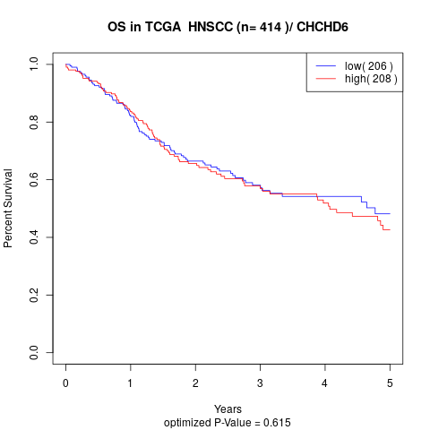

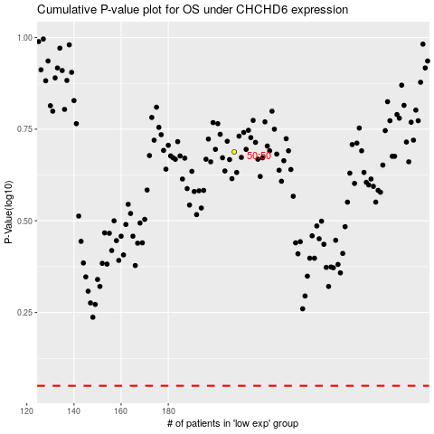

 |  |  |  |  |  | cases_OS | p_OS | rank | exp
 |  |  |  |  |  |  | cases_RFS | p_RFS | rank | exp

