CHCHD7 _multivariate
Reported by Tex Li-Hsing Chi. tex@gate.sinica.edu.tw 2019-08-21

Table 2. The clinicopathological features of HNSCC cohort and CHCHD7 expression. (Chi square test)
Cutoff at -0.216 (49.8%)
 |  | CHCHD7 expression |  | CHCHD7 expression |  | (Optimised)
 | Features | Low | (%) | High | (%) | Case no | P-value | Remark | Matthews
Gender | Female | 144 | 34.7 | 162 | 39 | 415 | 0.0697 | 0 | 0
2 | Male | 63 | 15.2 | 46 | 11.1
Age at diagnosis | <=65y | 133 | 32 | 141 | 34 | 415 | 0.5111 | 0 | 0
4 | >65y | 74 | 17.8 | 67 | 16.1
Clinical T Status | T1+T2 | 81 | 19.5 | 68 | 16.4 | 415 | 0.206 | 0 | 0
6 | T3+T4 | 126 | 30.4 | 140 | 33.7
Clinical N Status | N0 | 110 | 26.5 | 106 | 25.5 | 415 | 0.7294 | 0 | 0
8 | N1-3 | 97 | 23.4 | 102 | 24.6
Clinical M Status | M0 | 205 | 49.4 | 207 | 49.9 | 415 | 0.6232 | 0 | 0
10 | M1 | 2 | 0.5 | 1 | 0.2
Clinical Stage | Stage I+II | 54 | 13 | 48 | 11.6 | 415 | 0.5498 | 0 | 0
12 | Stage III+IV | 153 | 36.9 | 160 | 38.6
Surgical Margin status | Negative | 154 | 37.1 | 164 | 39.5 | 415 | 0.2984 | 0 | 0
14 | Positive | 53 | 12.8 | 44 | 10.6
Tobacco Exposure | Low | 85 | 20.5 | 76 | 18.3 | 415 | 0.3655 | 0 | 0
16 | High | 122 | 29.4 | 132 | 31.8

Table 3. Univariate/Multivariate Cox's proportional hazards regression analyses on OS time of CHCHD7 gene expression in HNSCC

 |  | Univariate |  |  |  | Multivariate
 | Features | HR | CI95%(L) | CI95%(H) | P-value | HR | CI95%(L) | CI95%(H) | P-value
1 | Female | 1 |  |  |  | 1
Gender | Male | 1.157 | 0.843 | 1.587 | 0.367 | 1.198 | 0.858 | 1.672 | 0.289
11 | <=65y | 1 |  |  |  | 1
Age at diagnosis | >65y | 1.329 | 0.99 | 1.784 | 0.058 | 1.386 | 1.019 | 1.885 | 0.037
12 | T1+T2 | 1 |  |  |  | 1
Clinical T Status | T3+T4 | 1.409 | 1.028 | 1.931 | 0.033 | 2.277 | 1.199 | 4.324 | 0.012
13 | N0 | 1 |  |  |  | 1
Clinical N Status | N1-3 | 1.185 | 0.89 | 1.577 | 0.246 | 1.256 | 0.88 | 1.793 | 0.21
14 | M0 | 1 |  |  |  | 1
Clinical M Status | M1 | 4.097 | 1.009 | 16.644 | 0.049 | 9.238 | 2.013 | 42.389 | 0.004
15 | Stage I+II | 1 |  |  |  | 1
Clinical Stage | Stage III+IV | 1.245 | 0.882 | 1.759 | 0.213 | 0.493 | 0.229 | 1.06 | 0.07
16 | Negative | 1 |  |  |  | 1
Surgical Margin status | Positive | 1.591 | 1.155 | 2.191 | 0.004 | 1.669 | 1.208 | 2.307 | 0.002
17 | Low | 1 |  |  |  | 1
Tobacco Exposure | High | 1.364 | 1.008 | 1.844 | 0.044 | 1.462 | 1.061 | 2.015 | 0.02
18 | Low | 1 |  |  |  | 1
RNAseq(z-score) | High | 0.912 | 0.685 | 1.216 | 0.532 | 0.871 | 0.65 | 1.168 | 0.357

Table 4. Univariate/Multivariate Cox's proportional hazards regression analyses on RFS time of CHCHD7 gene expression in HNSCC

 |  | Univariate |  |  |  | Multivariate
 | Features | HR | CI95%(L) | CI95%(H) | P-value | HR | CI95%(L) | CI95%(H) | P-value
1 | Female | 1 |  |  |  | 1
Gender | Male | 1.157 | 0.843 | 1.587 | 0.367 | 1.198 | 0.858 | 1.672 | 0.289
11 | <=65y | 1 |  |  |  | 1
Age at diagnosis | >65y | 1.329 | 0.99 | 1.784 | 0.058 | 1.386 | 1.019 | 1.885 | 0.037
12 | T1+T2 | 1 |  |  |  | 1
Clinical T Status | T3+T4 | 1.409 | 1.028 | 1.931 | 0.033 | 2.277 | 1.199 | 4.324 | 0.012
13 | N0 | 1 |  |  |  | 1
Clinical N Status | N1-3 | 1.185 | 0.89 | 1.577 | 0.246 | 1.256 | 0.88 | 1.793 | 0.21
14 | M0 | 1 |  |  |  | 1
Clinical M Status | M1 | 4.097 | 1.009 | 16.644 | 0.049 | 9.238 | 2.013 | 42.389 | 0.004
15 | Stage I+II | 1 |  |  |  | 1
Clinical Stage | Stage III+IV | 1.245 | 0.882 | 1.759 | 0.213 | 0.493 | 0.229 | 1.06 | 0.07
16 | Negative | 1 |  |  |  | 1
Surgical Margin status | Positive | 1.591 | 1.155 | 2.191 | 0.004 | 1.669 | 1.208 | 2.307 | 0.002
17 | Low | 1 |  |  |  | 1
Tobacco Exposure | High | 1.364 | 1.008 | 1.844 | 0.044 | 1.462 | 1.061 | 2.015 | 0.02
18 | Low | 1 |  |  |  | 1
RNAseq(z-score) | High | 0.912 | 0.685 | 1.216 | 0.532 | 0.871 | 0.65 | 1.168 | 0.357

Kaplan-Meier survival estimate: Cutoff at -0.216 (49.8%)



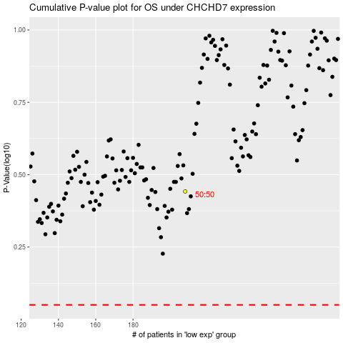

 |  |  |  |  |  | cases_OS | p_OS | rank | exp
 |  |  |  |  |  |  | cases_RFS | p_RFS | rank | exp

