CHCHD8 _multivariate
Reported by Tex Li-Hsing Chi. tex@gate.sinica.edu.tw 2019-08-21

Table 2. The clinicopathological features of HNSCC cohort and CHCHD8 expression. (Chi square test)
Cutoff at -0.188 (51.9%)
 |  | CHCHD8 expression |  | CHCHD8 expression |  | (Optimised)
 | Features | Low | (%) | High | (%) | Case no | P-value | Remark | Matthews
Gender | Female | 162 | 39 | 144 | 34.7 | 415 | 0.6182 | 0 | 0
2 | Male | 54 | 13 | 55 | 13.3
Age at diagnosis | <=65y | 139 | 33.5 | 135 | 32.5 | 415 | 0.5185 | 0 | 0
4 | >65y | 77 | 18.6 | 64 | 15.4
Clinical T Status | T1+T2 | 85 | 20.5 | 64 | 15.4 | 415 | 0.1547 | 0 | 0
6 | T3+T4 | 131 | 31.6 | 135 | 32.5
Clinical N Status | N0 | 108 | 26 | 108 | 26 | 415 | 0.4402 | 0 | 0
8 | N1-3 | 108 | 26 | 91 | 21.9
Clinical M Status | M0 | 214 | 51.6 | 198 | 47.7 | 415 | 1 | 0 | 0
10 | M1 | 2 | 0.5 | 1 | 0.2
Clinical Stage | Stage I+II | 56 | 13.5 | 46 | 11.1 | 415 | 0.5822 | 0 | 0
12 | Stage III+IV | 160 | 38.6 | 153 | 36.9
Surgical Margin status | Negative | 165 | 39.8 | 153 | 36.9 | 415 | 0.9082 | 0 | 0
14 | Positive | 51 | 12.3 | 46 | 11.1
Tobacco Exposure | Low | 78 | 18.8 | 83 | 20 | 415 | 0.2678 | 0 | 0
16 | High | 138 | 33.3 | 116 | 28

Table 3. Univariate/Multivariate Cox's proportional hazards regression analyses on OS time of CHCHD8 gene expression in HNSCC

 |  | Univariate |  |  |  | Multivariate
 | Features | HR | CI95%(L) | CI95%(H) | P-value | HR | CI95%(L) | CI95%(H) | P-value
1 | Female | 1 |  |  |  | 1
Gender | Male | 1.157 | 0.843 | 1.587 | 0.367 | 1.161 | 0.83 | 1.625 | 0.383
11 | <=65y | 1 |  |  |  | 1
Age at diagnosis | >65y | 1.329 | 0.99 | 1.784 | 0.058 | 1.442 | 1.062 | 1.958 | 0.019
12 | T1+T2 | 1 |  |  |  | 1
Clinical T Status | T3+T4 | 1.409 | 1.028 | 1.931 | 0.033 | 2.119 | 1.122 | 4.001 | 0.021
13 | N0 | 1 |  |  |  | 1
Clinical N Status | N1-3 | 1.185 | 0.89 | 1.577 | 0.246 | 1.255 | 0.881 | 1.789 | 0.209
14 | M0 | 1 |  |  |  | 1
Clinical M Status | M1 | 4.097 | 1.009 | 16.644 | 0.049 | 9.307 | 2.03 | 42.676 | 0.004
15 | Stage I+II | 1 |  |  |  | 1
Clinical Stage | Stage III+IV | 1.245 | 0.882 | 1.759 | 0.213 | 0.509 | 0.238 | 1.092 | 0.083
16 | Negative | 1 |  |  |  | 1
Surgical Margin status | Positive | 1.591 | 1.155 | 2.191 | 0.004 | 1.633 | 1.183 | 2.256 | 0.003
17 | Low | 1 |  |  |  | 1
Tobacco Exposure | High | 1.364 | 1.008 | 1.844 | 0.044 | 1.498 | 1.086 | 2.067 | 0.014
18 | Low | 1 |  |  |  | 1
RNAseq(z-score) | High | 1.463 | 1.097 | 1.952 | 0.01 | 1.471 | 1.099 | 1.969 | 0.009

Table 4. Univariate/Multivariate Cox's proportional hazards regression analyses on RFS time of CHCHD8 gene expression in HNSCC

 |  | Univariate |  |  |  | Multivariate
 | Features | HR | CI95%(L) | CI95%(H) | P-value | HR | CI95%(L) | CI95%(H) | P-value
1 | Female | 1 |  |  |  | 1
Gender | Male | 1.157 | 0.843 | 1.587 | 0.367 | 1.161 | 0.83 | 1.625 | 0.383
11 | <=65y | 1 |  |  |  | 1
Age at diagnosis | >65y | 1.329 | 0.99 | 1.784 | 0.058 | 1.442 | 1.062 | 1.958 | 0.019
12 | T1+T2 | 1 |  |  |  | 1
Clinical T Status | T3+T4 | 1.409 | 1.028 | 1.931 | 0.033 | 2.119 | 1.122 | 4.001 | 0.021
13 | N0 | 1 |  |  |  | 1
Clinical N Status | N1-3 | 1.185 | 0.89 | 1.577 | 0.246 | 1.255 | 0.881 | 1.789 | 0.209
14 | M0 | 1 |  |  |  | 1
Clinical M Status | M1 | 4.097 | 1.009 | 16.644 | 0.049 | 9.307 | 2.03 | 42.676 | 0.004
15 | Stage I+II | 1 |  |  |  | 1
Clinical Stage | Stage III+IV | 1.245 | 0.882 | 1.759 | 0.213 | 0.509 | 0.238 | 1.092 | 0.083
16 | Negative | 1 |  |  |  | 1
Surgical Margin status | Positive | 1.591 | 1.155 | 2.191 | 0.004 | 1.633 | 1.183 | 2.256 | 0.003
17 | Low | 1 |  |  |  | 1
Tobacco Exposure | High | 1.364 | 1.008 | 1.844 | 0.044 | 1.498 | 1.086 | 2.067 | 0.014
18 | Low | 1 |  |  |  | 1
RNAseq(z-score) | High | 1.463 | 1.097 | 1.952 | 0.01 | 1.471 | 1.099 | 1.969 | 0.009

Kaplan-Meier survival estimate: Cutoff at -0.188 (51.9%)

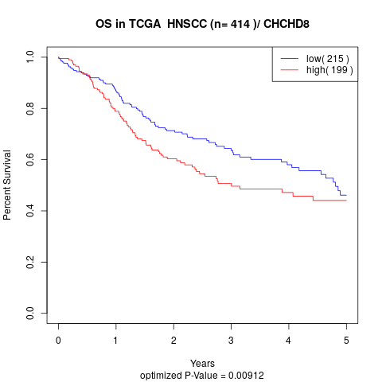

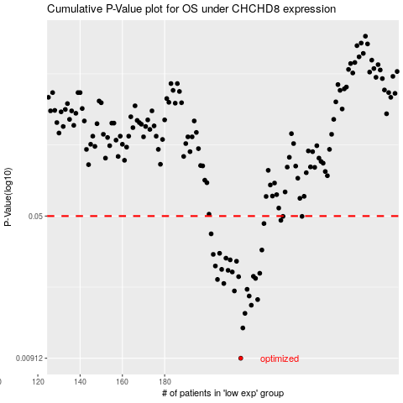

 |  |  |  |  |  | cases_OS | p_OS | rank | exp
 |  |  |  |  |  | 216 | 0.00912 | 296 | -0.18755590759
 |  |  |  |  |  | 217 | 0.0131 | 244 | -0.18502639166
 |  |  |  |  |  | 218 | 0.0156 | 284 | -0.18099477389
 |  |  |  |  |  | 221 | 0.0172 | 214 | -0.16427684194
 |  |  |  |  |  | 224 | 0.0184 | 97 | -0.15779450641
 |  |  |  |  |  | 220 | 0.0192 | 147 | -0.17518554555
 |  |  |  |  |  | 213 | 0.0204 | 210 | -0.19877600634
 |  |  |  |  |  | 219 | 0.0208 | 98 | -0.18008185447
 |  |  |  |  |  | 208 | 0.0223 | 62 | -0.21686141869
 |  |  |  |  |  | 205 | 0.0234 | 80 | -0.23216098372
 |  |  |  |  |  | 223 | 0.0237 | 60 | -0.15834419479
 |  |  |  |  |  | 215 | 0.0242 | 271 | -0.18797799991
 |  |  |  |  |  | 222 | 0.0243 | 173 | -0.15913711316
 |  |  |  |  |  | 225 | 0.0252 | 54 | -0.14881246533
 |  |  |  |  |  | 212 | 0.0256 | 365 | -0.20098577263
 |  |  |  |  |  | 210 | 0.0261 | 240 | -0.20268990155
 |  |  |  |  |  | 207 | 0.0264 | 303 | -0.22853019227
 |  |  |  |  |  | 204 | 0.0275 | 178 | -0.23431321786
 |  |  |  |  |  | 214 | 0.0291 | 136 | -0.19764700906
 |  |  |  |  |  | 211 | 0.0296 | 53 | -0.20153868889
 |  |  |  |  |  | 209 | 0.0302 | 292 | -0.21174390529
 |  |  |  |  |  | 203 | 0.0316 | 294 | -0.23491436239
 |  |  |  |  |  | 206 | 0.032 | 392 | -0.23205237517
 |  |  |  |  |  | 226 | 0.0333 | 70 | -0.14776150671
 |  |  |  |  |  | 202 | 0.0404 | 73 | -0.24748485277
 |  |  |  |  |  | 227 | 0.0457 | 115 | -0.12611840483
 |  |  |  |  |  | 235 | 0.0475 | 218 | -0.077279683838
 |  |  |  |  |  | 245 | 0.0498 | 65 | -0.039316248441
 |  |  |  |  |  | 236 | 0.0498 | 379 | -0.075188399609
 |  |  |  |  |  |  | cases_RFS | p_RFS | rank | exp
 |  |  |  |  |  |  | 215 | 0.00912 | 271 | -0.18797799991
 |  |  |  |  |  |  | 216 | 0.0131 | 296 | -0.18755590759
 |  |  |  |  |  |  | 217 | 0.0156 | 244 | -0.18502639166
 |  |  |  |  |  |  | 220 | 0.0172 | 147 | -0.17518554555
 |  |  |  |  |  |  | 223 | 0.0184 | 60 | -0.15834419479
 |  |  |  |  |  |  | 219 | 0.0192 | 98 | -0.18008185447
 |  |  |  |  |  |  | 212 | 0.0204 | 365 | -0.20098577263
 |  |  |  |  |  |  | 218 | 0.0208 | 284 | -0.18099477389
 |  |  |  |  |  |  | 207 | 0.0223 | 303 | -0.22853019227
 |  |  |  |  |  |  | 204 | 0.0234 | 178 | -0.23431321786
 |  |  |  |  |  |  | 222 | 0.0237 | 173 | -0.15913711316
 |  |  |  |  |  |  | 214 | 0.0242 | 136 | -0.19764700906
 |  |  |  |  |  |  | 221 | 0.0243 | 214 | -0.16427684194
 |  |  |  |  |  |  | 224 | 0.0252 | 97 | -0.15779450641
 |  |  |  |  |  |  | 211 | 0.0256 | 53 | -0.20153868889
 |  |  |  |  |  |  | 209 | 0.0261 | 292 | -0.21174390529
 |  |  |  |  |  |  | 206 | 0.0264 | 392 | -0.23205237517
 |  |  |  |  |  |  | 203 | 0.0275 | 294 | -0.23491436239
 |  |  |  |  |  |  | 213 | 0.0291 | 210 | -0.19877600634
 |  |  |  |  |  |  | 210 | 0.0296 | 240 | -0.20268990155
 |  |  |  |  |  |  | 208 | 0.0302 | 62 | -0.21686141869
 |  |  |  |  |  |  | 202 | 0.0316 | 73 | -0.24748485277
 |  |  |  |  |  |  | 205 | 0.032 | 80 | -0.23216098372
 |  |  |  |  |  |  | 225 | 0.0333 | 54 | -0.14881246533
 |  |  |  |  |  |  | 201 | 0.0404 | 49 | -0.24784751419
 |  |  |  |  |  |  | 226 | 0.0457 | 70 | -0.14776150671
 |  |  |  |  |  |  | 234 | 0.0475 | 187 | -0.079215650245
 |  |  |  |  |  |  | 244 | 0.0498 | 59 | -0.04189854965
 |  |  |  |  |  |  | 235 | 0.0498 | 218 | -0.077279683838

