CHDH _multivariate
Reported by Tex Li-Hsing Chi. tex@gate.sinica.edu.tw 2019-08-21

Table 2. The clinicopathological features of HNSCC cohort and CHDH expression. (Chi square test)
Cutoff at -0.182 (69.6%)
 |  | CHDH expression |  | CHDH expression |  | (Optimised)
 | Features | Low | (%) | High | (%) | Case no | P-value | Remark | Matthews
Gender | Female | 204 | 49.2 | 102 | 24.6 | 415 | 0.0371 | 1 | 0
2 | Male | 85 | 20.5 | 24 | 5.8
Age at diagnosis | <=65y | 178 | 42.9 | 96 | 23.1 | 415 | 0.0055 | 1 | 0
4 | >65y | 111 | 26.7 | 30 | 7.2
Clinical T Status | T1+T2 | 101 | 24.3 | 48 | 11.6 | 415 | 0.6148 | 0 | 0
6 | T3+T4 | 188 | 45.3 | 78 | 18.8
Clinical N Status | N0 | 156 | 37.6 | 60 | 14.5 | 415 | 0.2776 | 0 | 0
8 | N1-3 | 133 | 32 | 66 | 15.9
Clinical M Status | M0 | 286 | 68.9 | 126 | 30.4 | 415 | 0.5566 | 0 | 0
10 | M1 | 3 | 0.7 | 0 | 0
Clinical Stage | Stage I+II | 78 | 18.8 | 24 | 5.8 | 415 | 0.1087 | 0 | 0
12 | Stage III+IV | 211 | 50.8 | 102 | 24.6
Surgical Margin status | Negative | 227 | 54.7 | 91 | 21.9 | 415 | 0.1672 | 0 | 0
14 | Positive | 62 | 14.9 | 35 | 8.4
Tobacco Exposure | Low | 128 | 30.8 | 33 | 8 | 415 | 5e-04 | 1 | 0
16 | High | 161 | 38.8 | 93 | 22.4

Table 3. Univariate/Multivariate Cox's proportional hazards regression analyses on OS time of CHDH gene expression in HNSCC

 |  | Univariate |  |  |  | Multivariate
 | Features | HR | CI95%(L) | CI95%(H) | P-value | HR | CI95%(L) | CI95%(H) | P-value
1 | Female | 1 |  |  |  | 1
Gender | Male | 1.157 | 0.843 | 1.587 | 0.367 | 1.183 | 0.845 | 1.656 | 0.329
11 | <=65y | 1 |  |  |  | 1
Age at diagnosis | >65y | 1.329 | 0.99 | 1.784 | 0.058 | 1.389 | 1.021 | 1.889 | 0.036
12 | T1+T2 | 1 |  |  |  | 1
Clinical T Status | T3+T4 | 1.409 | 1.028 | 1.931 | 0.033 | 2.003 | 1.055 | 3.803 | 0.034
13 | N0 | 1 |  |  |  | 1
Clinical N Status | N1-3 | 1.185 | 0.89 | 1.577 | 0.246 | 1.243 | 0.871 | 1.775 | 0.23
14 | M0 | 1 |  |  |  | 1
Clinical M Status | M1 | 4.097 | 1.009 | 16.644 | 0.049 | 7.67 | 1.66 | 35.443 | 0.009
15 | Stage I+II | 1 |  |  |  | 1
Clinical Stage | Stage III+IV | 1.245 | 0.882 | 1.759 | 0.213 | 0.579 | 0.267 | 1.254 | 0.166
16 | Negative | 1 |  |  |  | 1
Surgical Margin status | Positive | 1.591 | 1.155 | 2.191 | 0.004 | 1.724 | 1.247 | 2.384 | 0.001
17 | Low | 1 |  |  |  | 1
Tobacco Exposure | High | 1.364 | 1.008 | 1.844 | 0.044 | 1.552 | 1.12 | 2.149 | 0.008
18 | Low | 1 |  |  |  | 1
RNAseq(z-score) | High | 0.714 | 0.511 | 0.998 | 0.049 | 0.667 | 0.471 | 0.945 | 0.023

Table 4. Univariate/Multivariate Cox's proportional hazards regression analyses on RFS time of CHDH gene expression in HNSCC

 |  | Univariate |  |  |  | Multivariate
 | Features | HR | CI95%(L) | CI95%(H) | P-value | HR | CI95%(L) | CI95%(H) | P-value
1 | Female | 1 |  |  |  | 1
Gender | Male | 1.157 | 0.843 | 1.587 | 0.367 | 1.183 | 0.845 | 1.656 | 0.329
11 | <=65y | 1 |  |  |  | 1
Age at diagnosis | >65y | 1.329 | 0.99 | 1.784 | 0.058 | 1.389 | 1.021 | 1.889 | 0.036
12 | T1+T2 | 1 |  |  |  | 1
Clinical T Status | T3+T4 | 1.409 | 1.028 | 1.931 | 0.033 | 2.003 | 1.055 | 3.803 | 0.034
13 | N0 | 1 |  |  |  | 1
Clinical N Status | N1-3 | 1.185 | 0.89 | 1.577 | 0.246 | 1.243 | 0.871 | 1.775 | 0.23
14 | M0 | 1 |  |  |  | 1
Clinical M Status | M1 | 4.097 | 1.009 | 16.644 | 0.049 | 7.67 | 1.66 | 35.443 | 0.009
15 | Stage I+II | 1 |  |  |  | 1
Clinical Stage | Stage III+IV | 1.245 | 0.882 | 1.759 | 0.213 | 0.579 | 0.267 | 1.254 | 0.166
16 | Negative | 1 |  |  |  | 1
Surgical Margin status | Positive | 1.591 | 1.155 | 2.191 | 0.004 | 1.724 | 1.247 | 2.384 | 0.001
17 | Low | 1 |  |  |  | 1
Tobacco Exposure | High | 1.364 | 1.008 | 1.844 | 0.044 | 1.552 | 1.12 | 2.149 | 0.008
18 | Low | 1 |  |  |  | 1
RNAseq(z-score) | High | 0.714 | 0.511 | 0.998 | 0.049 | 0.667 | 0.471 | 0.945 | 0.023

Kaplan-Meier survival estimate: Cutoff at -0.182 (69.6%)



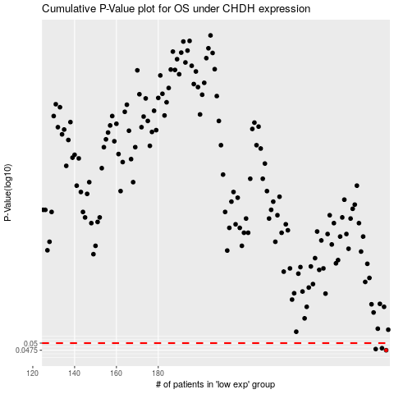

 |  |  |  |  |  | cases_OS | p_OS | rank | exp
 |  |  |  |  |  | 289 | 0.0475 | 102 | -0.18219354262
 |  |  |  |  |  | 284 | 0.0479 | 171 | -0.20174925935
 |  |  |  |  |  | 287 | 0.0482 | 120 | -0.18847199113
 |  |  |  |  |  |  | cases_RFS | p_RFS | rank | exp
 |  |  |  |  |  |  | 288 | 0.0475 | 113 | -0.1878779801
 |  |  |  |  |  |  | 283 | 0.0479 | 361 | -0.20521294589
 |  |  |  |  |  |  | 286 | 0.0482 | 223 | -0.19511357758

