CHEK1 _multivariate
Reported by Tex Li-Hsing Chi. tex@gate.sinica.edu.tw 2019-08-21

Table 2. The clinicopathological features of HNSCC cohort and CHEK1 expression. (Chi square test)
Cutoff at 0.365 (69.8%)
 |  | CHEK1 expression |  | CHEK1 expression |  | (Optimised)
 | Features | Low | (%) | High | (%) | Case no | P-value | Remark | Matthews
Gender | Female | 217 | 52.3 | 89 | 21.4 | 415 | 0.5164 | 0 | 0
2 | Male | 73 | 17.6 | 36 | 8.7
Age at diagnosis | <=65y | 190 | 45.8 | 84 | 20.2 | 415 | 0.8266 | 0 | 0
4 | >65y | 100 | 24.1 | 41 | 9.9
Clinical T Status | T1+T2 | 105 | 25.3 | 44 | 10.6 | 415 | 0.9325 | 0 | 0
6 | T3+T4 | 185 | 44.6 | 81 | 19.5
Clinical N Status | N0 | 153 | 36.9 | 63 | 15.2 | 415 | 0.7383 | 0 | 0
8 | N1-3 | 137 | 33 | 62 | 14.9
Clinical M Status | M0 | 287 | 69.2 | 125 | 30.1 | 415 | 0.5571 | 0 | 0
10 | M1 | 3 | 0.7 | 0 | 0
Clinical Stage | Stage I+II | 71 | 17.1 | 31 | 7.5 | 415 | 1 | 0 | 0
12 | Stage III+IV | 219 | 52.8 | 94 | 22.7
Surgical Margin status | Negative | 229 | 55.2 | 89 | 21.4 | 415 | 0.1003 | 0 | 0
14 | Positive | 61 | 14.7 | 36 | 8.7
Tobacco Exposure | Low | 114 | 27.5 | 47 | 11.3 | 415 | 0.8263 | 0 | 0
16 | High | 176 | 42.4 | 78 | 18.8

Table 3. Univariate/Multivariate Cox's proportional hazards regression analyses on OS time of CHEK1 gene expression in HNSCC

 |  | Univariate |  |  |  | Multivariate
 | Features | HR | CI95%(L) | CI95%(H) | P-value | HR | CI95%(L) | CI95%(H) | P-value
1 | Female | 1 |  |  |  | 1
Gender | Male | 1.157 | 0.843 | 1.587 | 0.367 | 1.205 | 0.863 | 1.683 | 0.273
11 | <=65y | 1 |  |  |  | 1
Age at diagnosis | >65y | 1.329 | 0.99 | 1.784 | 0.058 | 1.392 | 1.024 | 1.892 | 0.035
12 | T1+T2 | 1 |  |  |  | 1
Clinical T Status | T3+T4 | 1.409 | 1.028 | 1.931 | 0.033 | 2.216 | 1.17 | 4.194 | 0.015
13 | N0 | 1 |  |  |  | 1
Clinical N Status | N1-3 | 1.185 | 0.89 | 1.577 | 0.246 | 1.238 | 0.868 | 1.767 | 0.238
14 | M0 | 1 |  |  |  | 1
Clinical M Status | M1 | 4.097 | 1.009 | 16.644 | 0.049 | 10.536 | 2.284 | 48.606 | 0.003
15 | Stage I+II | 1 |  |  |  | 1
Clinical Stage | Stage III+IV | 1.245 | 0.882 | 1.759 | 0.213 | 0.495 | 0.23 | 1.064 | 0.072
16 | Negative | 1 |  |  |  | 1
Surgical Margin status | Positive | 1.591 | 1.155 | 2.191 | 0.004 | 1.658 | 1.199 | 2.292 | 0.002
17 | Low | 1 |  |  |  | 1
Tobacco Exposure | High | 1.364 | 1.008 | 1.844 | 0.044 | 1.458 | 1.057 | 2.009 | 0.021
18 | Low | 1 |  |  |  | 1
RNAseq(z-score) | High | 1.366 | 1 | 1.868 | 0.05 | 1.354 | 0.988 | 1.855 | 0.059

Table 4. Univariate/Multivariate Cox's proportional hazards regression analyses on RFS time of CHEK1 gene expression in HNSCC

 |  | Univariate |  |  |  | Multivariate
 | Features | HR | CI95%(L) | CI95%(H) | P-value | HR | CI95%(L) | CI95%(H) | P-value
1 | Female | 1 |  |  |  | 1
Gender | Male | 1.157 | 0.843 | 1.587 | 0.367 | 1.205 | 0.863 | 1.683 | 0.273
11 | <=65y | 1 |  |  |  | 1
Age at diagnosis | >65y | 1.329 | 0.99 | 1.784 | 0.058 | 1.392 | 1.024 | 1.892 | 0.035
12 | T1+T2 | 1 |  |  |  | 1
Clinical T Status | T3+T4 | 1.409 | 1.028 | 1.931 | 0.033 | 2.216 | 1.17 | 4.194 | 0.015
13 | N0 | 1 |  |  |  | 1
Clinical N Status | N1-3 | 1.185 | 0.89 | 1.577 | 0.246 | 1.238 | 0.868 | 1.767 | 0.238
14 | M0 | 1 |  |  |  | 1
Clinical M Status | M1 | 4.097 | 1.009 | 16.644 | 0.049 | 10.536 | 2.284 | 48.606 | 0.003
15 | Stage I+II | 1 |  |  |  | 1
Clinical Stage | Stage III+IV | 1.245 | 0.882 | 1.759 | 0.213 | 0.495 | 0.23 | 1.064 | 0.072
16 | Negative | 1 |  |  |  | 1
Surgical Margin status | Positive | 1.591 | 1.155 | 2.191 | 0.004 | 1.658 | 1.199 | 2.292 | 0.002
17 | Low | 1 |  |  |  | 1
Tobacco Exposure | High | 1.364 | 1.008 | 1.844 | 0.044 | 1.458 | 1.057 | 2.009 | 0.021
18 | Low | 1 |  |  |  | 1
RNAseq(z-score) | High | 1.366 | 1 | 1.868 | 0.05 | 1.354 | 0.988 | 1.855 | 0.059

Kaplan-Meier survival estimate: Cutoff at 0.365 (69.8%)



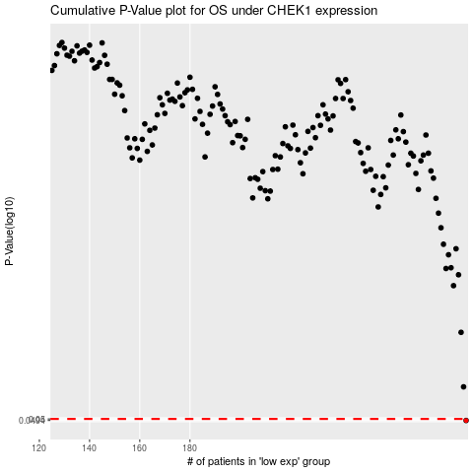

 |  |  |  |  |  | cases_OS | p_OS | rank | exp
 |  |  |  |  |  | 290 | 0.0494 | 388 | 0.365411907
 |  |  |  |  |  |  | cases_RFS | p_RFS | rank | exp
 |  |  |  |  |  |  | 289 | 0.0494 | 151 | 0.3567609969

