CHEK2 _multivariate
Reported by Tex Li-Hsing Chi. tex@gate.sinica.edu.tw 2019-08-21

Table 2. The clinicopathological features of HNSCC cohort and CHEK2 expression. (Chi square test)
Cutoff at -0.257 (49.8%)
 |  | CHEK2 expression |  | CHEK2 expression |  | (Optimised)
 | Features | Low | (%) | High | (%) | Case no | P-value | Remark | Matthews
Gender | Female | 138 | 33.3 | 168 | 40.5 | 415 | 0.0016 | 1 | 0
2 | Male | 69 | 16.6 | 40 | 9.6
Age at diagnosis | <=65y | 133 | 32 | 141 | 34 | 415 | 0.5111 | 0 | 0
4 | >65y | 74 | 17.8 | 67 | 16.1
Clinical T Status | T1+T2 | 80 | 19.3 | 69 | 16.6 | 415 | 0.2891 | 0 | 0
6 | T3+T4 | 127 | 30.6 | 139 | 33.5
Clinical N Status | N0 | 114 | 27.5 | 102 | 24.6 | 415 | 0.2576 | 1 | 0
8 | N1-3 | 93 | 22.4 | 106 | 25.5
Clinical M Status | M0 | 207 | 49.9 | 205 | 49.4 | 415 | 0.2482 | 0 | 0
10 | M1 | 0 | 0 | 3 | 0.7
Clinical Stage | Stage I+II | 65 | 15.7 | 37 | 8.9 | 415 | 0.0019 | 1 | 0
12 | Stage III+IV | 142 | 34.2 | 171 | 41.2
Surgical Margin status | Negative | 166 | 40 | 152 | 36.6 | 415 | 0.1042 | 0 | 0
14 | Positive | 41 | 9.9 | 56 | 13.5
Tobacco Exposure | Low | 101 | 24.3 | 60 | 14.5 | 415 | 0 | 1 | 0
16 | High | 106 | 25.5 | 148 | 35.7

Table 3. Univariate/Multivariate Cox's proportional hazards regression analyses on OS time of CHEK2 gene expression in HNSCC

 |  | Univariate |  |  |  | Multivariate
 | Features | HR | CI95%(L) | CI95%(H) | P-value | HR | CI95%(L) | CI95%(H) | P-value
1 | Female | 1 |  |  |  | 1
Gender | Male | 1.157 | 0.843 | 1.587 | 0.367 | 1.17 | 0.836 | 1.639 | 0.36
11 | <=65y | 1 |  |  |  | 1
Age at diagnosis | >65y | 1.329 | 0.99 | 1.784 | 0.058 | 1.395 | 1.026 | 1.897 | 0.034
12 | T1+T2 | 1 |  |  |  | 1
Clinical T Status | T3+T4 | 1.409 | 1.028 | 1.931 | 0.033 | 2.125 | 1.121 | 4.027 | 0.021
13 | N0 | 1 |  |  |  | 1
Clinical N Status | N1-3 | 1.185 | 0.89 | 1.577 | 0.246 | 1.211 | 0.848 | 1.73 | 0.291
14 | M0 | 1 |  |  |  | 1
Clinical M Status | M1 | 4.097 | 1.009 | 16.644 | 0.049 | 10.169 | 2.209 | 46.817 | 0.003
15 | Stage I+II | 1 |  |  |  | 1
Clinical Stage | Stage III+IV | 1.245 | 0.882 | 1.759 | 0.213 | 0.555 | 0.256 | 1.206 | 0.137
16 | Negative | 1 |  |  |  | 1
Surgical Margin status | Positive | 1.591 | 1.155 | 2.191 | 0.004 | 1.72 | 1.241 | 2.382 | 0.001
17 | Low | 1 |  |  |  | 1
Tobacco Exposure | High | 1.364 | 1.008 | 1.844 | 0.044 | 1.521 | 1.097 | 2.11 | 0.012
18 | Low | 1 |  |  |  | 1
RNAseq(z-score) | High | 0.917 | 0.687 | 1.224 | 0.556 | 0.801 | 0.586 | 1.094 | 0.163

Table 4. Univariate/Multivariate Cox's proportional hazards regression analyses on RFS time of CHEK2 gene expression in HNSCC

 |  | Univariate |  |  |  | Multivariate
 | Features | HR | CI95%(L) | CI95%(H) | P-value | HR | CI95%(L) | CI95%(H) | P-value
1 | Female | 1 |  |  |  | 1
Gender | Male | 1.157 | 0.843 | 1.587 | 0.367 | 1.17 | 0.836 | 1.639 | 0.36
11 | <=65y | 1 |  |  |  | 1
Age at diagnosis | >65y | 1.329 | 0.99 | 1.784 | 0.058 | 1.395 | 1.026 | 1.897 | 0.034
12 | T1+T2 | 1 |  |  |  | 1
Clinical T Status | T3+T4 | 1.409 | 1.028 | 1.931 | 0.033 | 2.125 | 1.121 | 4.027 | 0.021
13 | N0 | 1 |  |  |  | 1
Clinical N Status | N1-3 | 1.185 | 0.89 | 1.577 | 0.246 | 1.211 | 0.848 | 1.73 | 0.291
14 | M0 | 1 |  |  |  | 1
Clinical M Status | M1 | 4.097 | 1.009 | 16.644 | 0.049 | 10.169 | 2.209 | 46.817 | 0.003
15 | Stage I+II | 1 |  |  |  | 1
Clinical Stage | Stage III+IV | 1.245 | 0.882 | 1.759 | 0.213 | 0.555 | 0.256 | 1.206 | 0.137
16 | Negative | 1 |  |  |  | 1
Surgical Margin status | Positive | 1.591 | 1.155 | 2.191 | 0.004 | 1.72 | 1.241 | 2.382 | 0.001
17 | Low | 1 |  |  |  | 1
Tobacco Exposure | High | 1.364 | 1.008 | 1.844 | 0.044 | 1.521 | 1.097 | 2.11 | 0.012
18 | Low | 1 |  |  |  | 1
RNAseq(z-score) | High | 0.917 | 0.687 | 1.224 | 0.556 | 0.801 | 0.586 | 1.094 | 0.163

Kaplan-Meier survival estimate: Cutoff at -0.257 (49.8%)



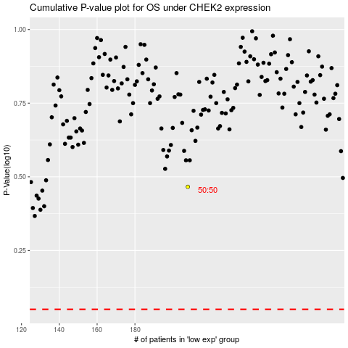

 |  |  |  |  |  | cases_OS | p_OS | rank | exp
 |  |  |  |  |  |  | cases_RFS | p_RFS | rank | exp

